GINS2 _multivariate
Reported by Tex Li-Hsing Chi. tex@gate.sinica.edu.tw 2019-08-19

Table 2. The clinicopathological features of HNSCC cohort and GINS2 expression. (Chi square test)
Cutoff at -0.243 (49.8%)
 |  | GINS2 expression |  | GINS2 expression |  | (Optimised)
 | Features | Low | (%) | High | (%) | Case no | P-value | Remark | Matthews
Gender | Female | 134 | 32.3 | 172 | 41.4 | 415 | 1e-04 | 1 | 0
2 | Male | 73 | 17.6 | 36 | 8.7
Age at diagnosis | <=65y | 129 | 31.1 | 145 | 34.9 | 415 | 0.1372 | 0 | 0
4 | >65y | 78 | 18.8 | 63 | 15.2
Clinical T Status | T1+T2 | 77 | 18.6 | 72 | 17.3 | 415 | 0.6556 | 0 | 0
6 | T3+T4 | 130 | 31.3 | 136 | 32.8
Clinical N Status | N0 | 117 | 28.2 | 99 | 23.9 | 415 | 0.0852 | 1 | 0
8 | N1-3 | 90 | 21.7 | 109 | 26.3
Clinical M Status | M0 | 207 | 49.9 | 205 | 49.4 | 415 | 0.2482 | 0 | 0
10 | M1 | 0 | 0 | 3 | 0.7
Clinical Stage | Stage I+II | 57 | 13.7 | 45 | 10.8 | 415 | 0.1998 | 0 | 0
12 | Stage III+IV | 150 | 36.1 | 163 | 39.3
Surgical Margin status | Negative | 164 | 39.5 | 154 | 37.1 | 415 | 0.2462 | 0 | 0
14 | Positive | 43 | 10.4 | 54 | 13
Tobacco Exposure | Low | 98 | 23.6 | 63 | 15.2 | 415 | 4e-04 | 1 | 0
16 | High | 109 | 26.3 | 145 | 34.9

Table 3. Univariate/Multivariate Cox's proportional hazards regression analyses on OS time of GINS2 gene expression in HNSCC

 |  | Univariate |  |  |  | Multivariate
 | Features | HR | CI95%(L) | CI95%(H) | P-value | HR | CI95%(L) | CI95%(H) | P-value
1 | Female | 1 |  |  |  | 1
Gender | Male | 1.157 | 0.843 | 1.587 | 0.367 | 1.183 | 0.844 | 1.657 | 0.33
11 | <=65y | 1 |  |  |  | 1
Age at diagnosis | >65y | 1.329 | 0.99 | 1.784 | 0.058 | 1.398 | 1.028 | 1.902 | 0.033
12 | T1+T2 | 1 |  |  |  | 1
Clinical T Status | T3+T4 | 1.409 | 1.028 | 1.931 | 0.033 | 2.202 | 1.164 | 4.162 | 0.015
13 | N0 | 1 |  |  |  | 1
Clinical N Status | N1-3 | 1.185 | 0.89 | 1.577 | 0.246 | 1.253 | 0.877 | 1.791 | 0.215
14 | M0 | 1 |  |  |  | 1
Clinical M Status | M1 | 4.097 | 1.009 | 16.644 | 0.049 | 9.823 | 2.13 | 45.3 | 0.003
15 | Stage I+II | 1 |  |  |  | 1
Clinical Stage | Stage III+IV | 1.245 | 0.882 | 1.759 | 0.213 | 0.501 | 0.233 | 1.076 | 0.076
16 | Negative | 1 |  |  |  | 1
Surgical Margin status | Positive | 1.591 | 1.155 | 2.191 | 0.004 | 1.689 | 1.22 | 2.338 | 0.002
17 | Low | 1 |  |  |  | 1
Tobacco Exposure | High | 1.364 | 1.008 | 1.844 | 0.044 | 1.482 | 1.069 | 2.053 | 0.018
18 | Low | 1 |  |  |  | 1
RNAseq(z-score) | High | 1.016 | 0.763 | 1.353 | 0.913 | 0.907 | 0.672 | 1.225 | 0.525

Table 4. Univariate/Multivariate Cox's proportional hazards regression analyses on RFS time of GINS2 gene expression in HNSCC

 |  | Univariate |  |  |  | Multivariate
 | Features | HR | CI95%(L) | CI95%(H) | P-value | HR | CI95%(L) | CI95%(H) | P-value
1 | Female | 1 |  |  |  | 1
Gender | Male | 1.157 | 0.843 | 1.587 | 0.367 | 1.183 | 0.844 | 1.657 | 0.33
11 | <=65y | 1 |  |  |  | 1
Age at diagnosis | >65y | 1.329 | 0.99 | 1.784 | 0.058 | 1.398 | 1.028 | 1.902 | 0.033
12 | T1+T2 | 1 |  |  |  | 1
Clinical T Status | T3+T4 | 1.409 | 1.028 | 1.931 | 0.033 | 2.202 | 1.164 | 4.162 | 0.015
13 | N0 | 1 |  |  |  | 1
Clinical N Status | N1-3 | 1.185 | 0.89 | 1.577 | 0.246 | 1.253 | 0.877 | 1.791 | 0.215
14 | M0 | 1 |  |  |  | 1
Clinical M Status | M1 | 4.097 | 1.009 | 16.644 | 0.049 | 9.823 | 2.13 | 45.3 | 0.003
15 | Stage I+II | 1 |  |  |  | 1
Clinical Stage | Stage III+IV | 1.245 | 0.882 | 1.759 | 0.213 | 0.501 | 0.233 | 1.076 | 0.076
16 | Negative | 1 |  |  |  | 1
Surgical Margin status | Positive | 1.591 | 1.155 | 2.191 | 0.004 | 1.689 | 1.22 | 2.338 | 0.002
17 | Low | 1 |  |  |  | 1
Tobacco Exposure | High | 1.364 | 1.008 | 1.844 | 0.044 | 1.482 | 1.069 | 2.053 | 0.018
18 | Low | 1 |  |  |  | 1
RNAseq(z-score) | High | 1.016 | 0.763 | 1.353 | 0.913 | 0.907 | 0.672 | 1.225 | 0.525

Kaplan-Meier survival estimate: Cutoff at -0.243 (49.8%)



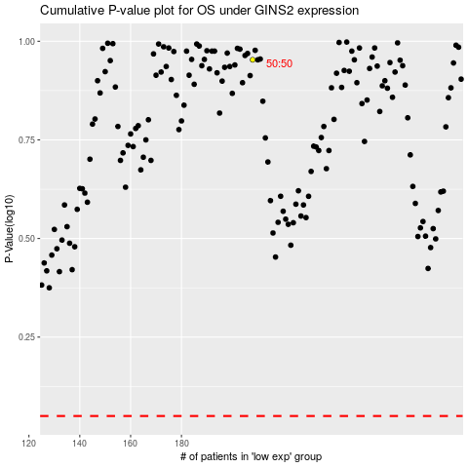

 |  |  |  |  |  | cases_OS | p_OS | rank | exp
 |  |  |  |  |  |  | cases_RFS | p_RFS | rank | exp

