GINS3 _multivariate
Reported by Tex Li-Hsing Chi. tex@gate.sinica.edu.tw 2019-08-19

Table 2. The clinicopathological features of HNSCC cohort and GINS3 expression. (Chi square test)
Cutoff at -0.067 (56.8%)
 |  | GINS3 expression |  | GINS3 expression |  | (Optimised)
 | Features | Low | (%) | High | (%) | Case no | P-value | Remark | Matthews
Gender | Female | 170 | 41 | 136 | 32.8 | 415 | 0.4286 | 0 | 0
2 | Male | 66 | 15.9 | 43 | 10.4
Age at diagnosis | <=65y | 152 | 36.6 | 122 | 29.4 | 415 | 0.4876 | 0 | 0
4 | >65y | 84 | 20.2 | 57 | 13.7
Clinical T Status | T1+T2 | 81 | 19.5 | 68 | 16.4 | 415 | 0.5042 | 0 | 0
6 | T3+T4 | 155 | 37.3 | 111 | 26.7
Clinical N Status | N0 | 122 | 29.4 | 94 | 22.7 | 415 | 0.9472 | 0 | 0
8 | N1-3 | 114 | 27.5 | 85 | 20.5
Clinical M Status | M0 | 236 | 56.9 | 176 | 42.4 | 415 | 0.0795 | 0 | 0
10 | M1 | 0 | 0 | 3 | 0.7
Clinical Stage | Stage I+II | 56 | 13.5 | 46 | 11.1 | 415 | 0.729 | 0 | 0
12 | Stage III+IV | 180 | 43.4 | 133 | 32
Surgical Margin status | Negative | 185 | 44.6 | 133 | 32 | 415 | 0.3502 | 0 | 0
14 | Positive | 51 | 12.3 | 46 | 11.1
Tobacco Exposure | Low | 102 | 24.6 | 59 | 14.2 | 415 | 0.0418 | 1 | 0
16 | High | 134 | 32.3 | 120 | 28.9

Table 3. Univariate/Multivariate Cox's proportional hazards regression analyses on OS time of GINS3 gene expression in HNSCC

 |  | Univariate |  |  |  | Multivariate
 | Features | HR | CI95%(L) | CI95%(H) | P-value | HR | CI95%(L) | CI95%(H) | P-value
1 | Female | 1 |  |  |  | 1
Gender | Male | 1.157 | 0.843 | 1.587 | 0.367 | 1.235 | 0.882 | 1.729 | 0.22
11 | <=65y | 1 |  |  |  | 1
Age at diagnosis | >65y | 1.329 | 0.99 | 1.784 | 0.058 | 1.38 | 1.016 | 1.875 | 0.039
12 | T1+T2 | 1 |  |  |  | 1
Clinical T Status | T3+T4 | 1.409 | 1.028 | 1.931 | 0.033 | 2.238 | 1.182 | 4.236 | 0.013
13 | N0 | 1 |  |  |  | 1
Clinical N Status | N1-3 | 1.185 | 0.89 | 1.577 | 0.246 | 1.271 | 0.89 | 1.815 | 0.188
14 | M0 | 1 |  |  |  | 1
Clinical M Status | M1 | 4.097 | 1.009 | 16.644 | 0.049 | 8.248 | 1.787 | 38.076 | 0.007
15 | Stage I+II | 1 |  |  |  | 1
Clinical Stage | Stage III+IV | 1.245 | 0.882 | 1.759 | 0.213 | 0.496 | 0.231 | 1.064 | 0.072
16 | Negative | 1 |  |  |  | 1
Surgical Margin status | Positive | 1.591 | 1.155 | 2.191 | 0.004 | 1.665 | 1.204 | 2.302 | 0.002
17 | Low | 1 |  |  |  | 1
Tobacco Exposure | High | 1.364 | 1.008 | 1.844 | 0.044 | 1.397 | 1.01 | 1.932 | 0.043
18 | Low | 1 |  |  |  | 1
RNAseq(z-score) | High | 1.335 | 1.001 | 1.78 | 0.049 | 1.292 | 0.961 | 1.737 | 0.09

Table 4. Univariate/Multivariate Cox's proportional hazards regression analyses on RFS time of GINS3 gene expression in HNSCC

 |  | Univariate |  |  |  | Multivariate
 | Features | HR | CI95%(L) | CI95%(H) | P-value | HR | CI95%(L) | CI95%(H) | P-value
1 | Female | 1 |  |  |  | 1
Gender | Male | 1.157 | 0.843 | 1.587 | 0.367 | 1.235 | 0.882 | 1.729 | 0.22
11 | <=65y | 1 |  |  |  | 1
Age at diagnosis | >65y | 1.329 | 0.99 | 1.784 | 0.058 | 1.38 | 1.016 | 1.875 | 0.039
12 | T1+T2 | 1 |  |  |  | 1
Clinical T Status | T3+T4 | 1.409 | 1.028 | 1.931 | 0.033 | 2.238 | 1.182 | 4.236 | 0.013
13 | N0 | 1 |  |  |  | 1
Clinical N Status | N1-3 | 1.185 | 0.89 | 1.577 | 0.246 | 1.271 | 0.89 | 1.815 | 0.188
14 | M0 | 1 |  |  |  | 1
Clinical M Status | M1 | 4.097 | 1.009 | 16.644 | 0.049 | 8.248 | 1.787 | 38.076 | 0.007
15 | Stage I+II | 1 |  |  |  | 1
Clinical Stage | Stage III+IV | 1.245 | 0.882 | 1.759 | 0.213 | 0.496 | 0.231 | 1.064 | 0.072
16 | Negative | 1 |  |  |  | 1
Surgical Margin status | Positive | 1.591 | 1.155 | 2.191 | 0.004 | 1.665 | 1.204 | 2.302 | 0.002
17 | Low | 1 |  |  |  | 1
Tobacco Exposure | High | 1.364 | 1.008 | 1.844 | 0.044 | 1.397 | 1.01 | 1.932 | 0.043
18 | Low | 1 |  |  |  | 1
RNAseq(z-score) | High | 1.335 | 1.001 | 1.78 | 0.049 | 1.292 | 0.961 | 1.737 | 0.09

Kaplan-Meier survival estimate: Cutoff at -0.067 (56.8%)



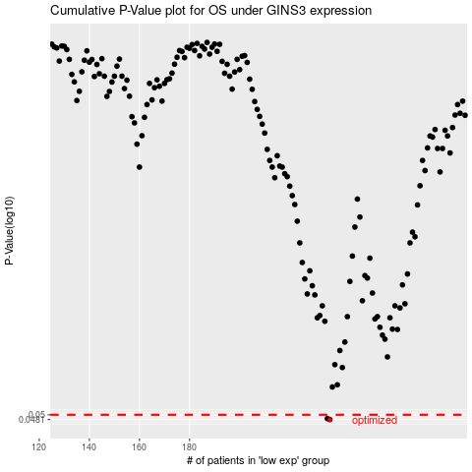

 |  |  |  |  |  | cases_OS | p_OS | rank | exp
 |  |  |  |  |  | 236 | 0.0481 | 302 | -0.067484737907
 |  |  |  |  |  | 235 | 0.0485 | 179 | -0.070218292654
 |  |  |  |  |  |  | cases_RFS | p_RFS | rank | exp
 |  |  |  |  |  |  | 235 | 0.0481 | 179 | -0.070218292654
 |  |  |  |  |  |  | 234 | 0.0485 | 245 | -0.073235691477

