GINS4 _multivariate
Reported by Tex Li-Hsing Chi. tex@gate.sinica.edu.tw 2019-08-19

Table 2. The clinicopathological features of HNSCC cohort and GINS4 expression. (Chi square test)
Cutoff at -0.242 (49.8%)
 |  | GINS4 expression |  | GINS4 expression |  | (Optimised)
 | Features | Low | (%) | High | (%) | Case no | P-value | Remark | Matthews
Gender | Female | 147 | 35.4 | 159 | 38.3 | 415 | 0.2523 | 0 | 0
2 | Male | 60 | 14.5 | 49 | 11.8
Age at diagnosis | <=65y | 136 | 32.8 | 138 | 33.3 | 415 | 0.9719 | 0 | 0
4 | >65y | 71 | 17.1 | 70 | 16.9
Clinical T Status | T1+T2 | 66 | 15.9 | 83 | 20 | 415 | 0.1095 | 0 | 0
6 | T3+T4 | 141 | 34 | 125 | 30.1
Clinical N Status | N0 | 112 | 27 | 104 | 25.1 | 415 | 0.4599 | 0 | 0
8 | N1-3 | 95 | 22.9 | 104 | 25.1
Clinical M Status | M0 | 206 | 49.6 | 206 | 49.6 | 415 | 1 | 0 | 0
10 | M1 | 1 | 0.2 | 2 | 0.5
Clinical Stage | Stage I+II | 50 | 12 | 52 | 12.5 | 415 | 0.9315 | 0 | 0
12 | Stage III+IV | 157 | 37.8 | 156 | 37.6
Surgical Margin status | Negative | 163 | 39.3 | 155 | 37.3 | 415 | 0.3537 | 0 | 0
14 | Positive | 44 | 10.6 | 53 | 12.8
Tobacco Exposure | Low | 88 | 21.2 | 73 | 17.6 | 415 | 0.1314 | 0 | 0
16 | High | 119 | 28.7 | 135 | 32.5

Table 3. Univariate/Multivariate Cox's proportional hazards regression analyses on OS time of GINS4 gene expression in HNSCC

 |  | Univariate |  |  |  | Multivariate
 | Features | HR | CI95%(L) | CI95%(H) | P-value | HR | CI95%(L) | CI95%(H) | P-value
1 | Female | 1 |  |  |  | 1
Gender | Male | 1.157 | 0.843 | 1.587 | 0.367 | 1.188 | 0.849 | 1.662 | 0.315
11 | <=65y | 1 |  |  |  | 1
Age at diagnosis | >65y | 1.329 | 0.99 | 1.784 | 0.058 | 1.394 | 1.025 | 1.894 | 0.034
12 | T1+T2 | 1 |  |  |  | 1
Clinical T Status | T3+T4 | 1.409 | 1.028 | 1.931 | 0.033 | 2.148 | 1.132 | 4.077 | 0.019
13 | N0 | 1 |  |  |  | 1
Clinical N Status | N1-3 | 1.185 | 0.89 | 1.577 | 0.246 | 1.242 | 0.871 | 1.772 | 0.231
14 | M0 | 1 |  |  |  | 1
Clinical M Status | M1 | 4.097 | 1.009 | 16.644 | 0.049 | 9.281 | 2.024 | 42.557 | 0.004
15 | Stage I+II | 1 |  |  |  | 1
Clinical Stage | Stage III+IV | 1.245 | 0.882 | 1.759 | 0.213 | 0.517 | 0.24 | 1.113 | 0.092
16 | Negative | 1 |  |  |  | 1
Surgical Margin status | Positive | 1.591 | 1.155 | 2.191 | 0.004 | 1.673 | 1.211 | 2.312 | 0.002
17 | Low | 1 |  |  |  | 1
Tobacco Exposure | High | 1.364 | 1.008 | 1.844 | 0.044 | 1.462 | 1.06 | 2.015 | 0.02
18 | Low | 1 |  |  |  | 1
RNAseq(z-score) | High | 0.877 | 0.657 | 1.171 | 0.374 | 0.898 | 0.669 | 1.205 | 0.474

Table 4. Univariate/Multivariate Cox's proportional hazards regression analyses on RFS time of GINS4 gene expression in HNSCC

 |  | Univariate |  |  |  | Multivariate
 | Features | HR | CI95%(L) | CI95%(H) | P-value | HR | CI95%(L) | CI95%(H) | P-value
1 | Female | 1 |  |  |  | 1
Gender | Male | 1.157 | 0.843 | 1.587 | 0.367 | 1.188 | 0.849 | 1.662 | 0.315
11 | <=65y | 1 |  |  |  | 1
Age at diagnosis | >65y | 1.329 | 0.99 | 1.784 | 0.058 | 1.394 | 1.025 | 1.894 | 0.034
12 | T1+T2 | 1 |  |  |  | 1
Clinical T Status | T3+T4 | 1.409 | 1.028 | 1.931 | 0.033 | 2.148 | 1.132 | 4.077 | 0.019
13 | N0 | 1 |  |  |  | 1
Clinical N Status | N1-3 | 1.185 | 0.89 | 1.577 | 0.246 | 1.242 | 0.871 | 1.772 | 0.231
14 | M0 | 1 |  |  |  | 1
Clinical M Status | M1 | 4.097 | 1.009 | 16.644 | 0.049 | 9.281 | 2.024 | 42.557 | 0.004
15 | Stage I+II | 1 |  |  |  | 1
Clinical Stage | Stage III+IV | 1.245 | 0.882 | 1.759 | 0.213 | 0.517 | 0.24 | 1.113 | 0.092
16 | Negative | 1 |  |  |  | 1
Surgical Margin status | Positive | 1.591 | 1.155 | 2.191 | 0.004 | 1.673 | 1.211 | 2.312 | 0.002
17 | Low | 1 |  |  |  | 1
Tobacco Exposure | High | 1.364 | 1.008 | 1.844 | 0.044 | 1.462 | 1.06 | 2.015 | 0.02
18 | Low | 1 |  |  |  | 1
RNAseq(z-score) | High | 0.877 | 0.657 | 1.171 | 0.374 | 0.898 | 0.669 | 1.205 | 0.474

Kaplan-Meier survival estimate: Cutoff at -0.242 (49.8%)



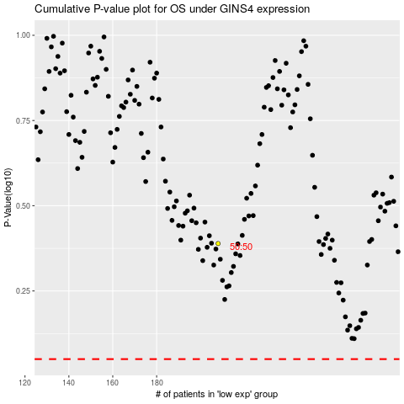

 |  |  |  |  |  | cases_OS | p_OS | rank | exp
 |  |  |  |  |  |  | cases_RFS | p_RFS | rank | exp

