GIPC1 _multivariate
Reported by Tex Li-Hsing Chi. tex@gate.sinica.edu.tw 2019-08-19

Table 2. The clinicopathological features of HNSCC cohort and GIPC1 expression. (Chi square test)
Cutoff at -0.218 (50.0%)
 |  | GIPC1 expression |  | GIPC1 expression |  | (Optimised)
 | Features | Low | (%) | High | (%) | Case no | P-value | Remark | Matthews
Gender | Female | 155 | 37.3 | 151 | 36.4 | 415 | 0.6768 | 0 | 0
2 | Male | 52 | 12.5 | 57 | 13.7
Age at diagnosis | <=65y | 138 | 33.3 | 136 | 32.8 | 415 | 0.8634 | 0 | 0
4 | >65y | 69 | 16.6 | 72 | 17.3
Clinical T Status | T1+T2 | 84 | 20.2 | 65 | 15.7 | 415 | 0.0603 | 0 | 0
6 | T3+T4 | 123 | 29.6 | 143 | 34.5
Clinical N Status | N0 | 106 | 25.5 | 110 | 26.5 | 415 | 0.8075 | 0 | 0
8 | N1-3 | 101 | 24.3 | 98 | 23.6
Clinical M Status | M0 | 206 | 49.6 | 206 | 49.6 | 415 | 1 | 0 | 0
10 | M1 | 1 | 0.2 | 2 | 0.5
Clinical Stage | Stage I+II | 54 | 13 | 48 | 11.6 | 415 | 0.5498 | 0 | 0
12 | Stage III+IV | 153 | 36.9 | 160 | 38.6
Surgical Margin status | Negative | 158 | 38.1 | 160 | 38.6 | 415 | 0.9081 | 0 | 0
14 | Positive | 49 | 11.8 | 48 | 11.6
Tobacco Exposure | Low | 72 | 17.3 | 89 | 21.4 | 415 | 0.1071 | 0 | 0
16 | High | 135 | 32.5 | 119 | 28.7

Table 3. Univariate/Multivariate Cox's proportional hazards regression analyses on OS time of GIPC1 gene expression in HNSCC

 |  | Univariate |  |  |  | Multivariate
 | Features | HR | CI95%(L) | CI95%(H) | P-value | HR | CI95%(L) | CI95%(H) | P-value
1 | Female | 1 |  |  |  | 1
Gender | Male | 1.157 | 0.843 | 1.587 | 0.367 | 1.213 | 0.869 | 1.693 | 0.257
11 | <=65y | 1 |  |  |  | 1
Age at diagnosis | >65y | 1.329 | 0.99 | 1.784 | 0.058 | 1.387 | 1.02 | 1.887 | 0.037
12 | T1+T2 | 1 |  |  |  | 1
Clinical T Status | T3+T4 | 1.409 | 1.028 | 1.931 | 0.033 | 2.324 | 1.226 | 4.404 | 0.01
13 | N0 | 1 |  |  |  | 1
Clinical N Status | N1-3 | 1.185 | 0.89 | 1.577 | 0.246 | 1.224 | 0.857 | 1.748 | 0.266
14 | M0 | 1 |  |  |  | 1
Clinical M Status | M1 | 4.097 | 1.009 | 16.644 | 0.049 | 10.923 | 2.366 | 50.438 | 0.002
15 | Stage I+II | 1 |  |  |  | 1
Clinical Stage | Stage III+IV | 1.245 | 0.882 | 1.759 | 0.213 | 0.483 | 0.225 | 1.038 | 0.062
16 | Negative | 1 |  |  |  | 1
Surgical Margin status | Positive | 1.591 | 1.155 | 2.191 | 0.004 | 1.687 | 1.22 | 2.331 | 0.002
17 | Low | 1 |  |  |  | 1
Tobacco Exposure | High | 1.364 | 1.008 | 1.844 | 0.044 | 1.458 | 1.059 | 2.008 | 0.021
18 | Low | 1 |  |  |  | 1
RNAseq(z-score) | High | 0.789 | 0.591 | 1.052 | 0.106 | 0.739 | 0.552 | 0.989 | 0.042

Table 4. Univariate/Multivariate Cox's proportional hazards regression analyses on RFS time of GIPC1 gene expression in HNSCC

 |  | Univariate |  |  |  | Multivariate
 | Features | HR | CI95%(L) | CI95%(H) | P-value | HR | CI95%(L) | CI95%(H) | P-value
1 | Female | 1 |  |  |  | 1
Gender | Male | 1.157 | 0.843 | 1.587 | 0.367 | 1.213 | 0.869 | 1.693 | 0.257
11 | <=65y | 1 |  |  |  | 1
Age at diagnosis | >65y | 1.329 | 0.99 | 1.784 | 0.058 | 1.387 | 1.02 | 1.887 | 0.037
12 | T1+T2 | 1 |  |  |  | 1
Clinical T Status | T3+T4 | 1.409 | 1.028 | 1.931 | 0.033 | 2.324 | 1.226 | 4.404 | 0.01
13 | N0 | 1 |  |  |  | 1
Clinical N Status | N1-3 | 1.185 | 0.89 | 1.577 | 0.246 | 1.224 | 0.857 | 1.748 | 0.266
14 | M0 | 1 |  |  |  | 1
Clinical M Status | M1 | 4.097 | 1.009 | 16.644 | 0.049 | 10.923 | 2.366 | 50.438 | 0.002
15 | Stage I+II | 1 |  |  |  | 1
Clinical Stage | Stage III+IV | 1.245 | 0.882 | 1.759 | 0.213 | 0.483 | 0.225 | 1.038 | 0.062
16 | Negative | 1 |  |  |  | 1
Surgical Margin status | Positive | 1.591 | 1.155 | 2.191 | 0.004 | 1.687 | 1.22 | 2.331 | 0.002
17 | Low | 1 |  |  |  | 1
Tobacco Exposure | High | 1.364 | 1.008 | 1.844 | 0.044 | 1.458 | 1.059 | 2.008 | 0.021
18 | Low | 1 |  |  |  | 1
RNAseq(z-score) | High | 0.789 | 0.591 | 1.052 | 0.106 | 0.739 | 0.552 | 0.989 | 0.042

Kaplan-Meier survival estimate: Cutoff at -0.218 (50.0%)



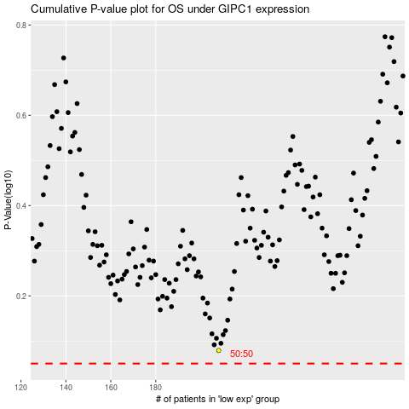

 |  |  |  |  |  | cases_OS | p_OS | rank | exp
 |  |  |  |  |  |  | cases_RFS | p_RFS | rank | exp

