GIPC3 _multivariate
Reported by Tex Li-Hsing Chi. tex@gate.sinica.edu.tw 2019-08-19

Table 2. The clinicopathological features of HNSCC cohort and GIPC3 expression. (Chi square test)
Cutoff at -0.417 (36.5%)
 |  | GIPC3 expression |  | GIPC3 expression |  | (Optimised)
 | Features | Low | (%) | High | (%) | Case no | P-value | Remark | Matthews
Gender | Female | 107 | 25.8 | 199 | 48 | 415 | 0.2893 | 0 | 0
2 | Male | 45 | 10.8 | 64 | 15.4
Age at diagnosis | <=65y | 104 | 25.1 | 170 | 41 | 415 | 0.4989 | 0 | 0
4 | >65y | 48 | 11.6 | 93 | 22.4
Clinical T Status | T1+T2 | 58 | 14 | 91 | 21.9 | 415 | 0.5342 | 0 | 0
6 | T3+T4 | 94 | 22.7 | 172 | 41.4
Clinical N Status | N0 | 77 | 18.6 | 139 | 33.5 | 415 | 0.7421 | 0 | 0
8 | N1-3 | 75 | 18.1 | 124 | 29.9
Clinical M Status | M0 | 149 | 35.9 | 263 | 63.4 | 415 | 0.0485 | 1 | 0
10 | M1 | 3 | 0.7 | 0 | 0
Clinical Stage | Stage I+II | 35 | 8.4 | 67 | 16.1 | 415 | 0.66 | 0 | 0
12 | Stage III+IV | 117 | 28.2 | 196 | 47.2
Surgical Margin status | Negative | 115 | 27.7 | 203 | 48.9 | 415 | 0.7198 | 0 | 0
14 | Positive | 37 | 8.9 | 60 | 14.5
Tobacco Exposure | Low | 59 | 14.2 | 102 | 24.6 | 415 | 1 | 0 | 0
16 | High | 93 | 22.4 | 161 | 38.8

Table 3. Univariate/Multivariate Cox's proportional hazards regression analyses on OS time of GIPC3 gene expression in HNSCC

 |  | Univariate |  |  |  | Multivariate
 | Features | HR | CI95%(L) | CI95%(H) | P-value | HR | CI95%(L) | CI95%(H) | P-value
1 | Female | 1 |  |  |  | 1
Gender | Male | 1.157 | 0.843 | 1.587 | 0.367 | 1.175 | 0.839 | 1.645 | 0.348
11 | <=65y | 1 |  |  |  | 1
Age at diagnosis | >65y | 1.329 | 0.99 | 1.784 | 0.058 | 1.362 | 1.002 | 1.852 | 0.048
12 | T1+T2 | 1 |  |  |  | 1
Clinical T Status | T3+T4 | 1.409 | 1.028 | 1.931 | 0.033 | 2.345 | 1.236 | 4.45 | 0.009
13 | N0 | 1 |  |  |  | 1
Clinical N Status | N1-3 | 1.185 | 0.89 | 1.577 | 0.246 | 1.256 | 0.88 | 1.792 | 0.209
14 | M0 | 1 |  |  |  | 1
Clinical M Status | M1 | 4.097 | 1.009 | 16.644 | 0.049 | 8.14 | 1.766 | 37.531 | 0.007
15 | Stage I+II | 1 |  |  |  | 1
Clinical Stage | Stage III+IV | 1.245 | 0.882 | 1.759 | 0.213 | 0.464 | 0.216 | 0.999 | 0.05
16 | Negative | 1 |  |  |  | 1
Surgical Margin status | Positive | 1.591 | 1.155 | 2.191 | 0.004 | 1.669 | 1.207 | 2.309 | 0.002
17 | Low | 1 |  |  |  | 1
Tobacco Exposure | High | 1.364 | 1.008 | 1.844 | 0.044 | 1.445 | 1.047 | 1.994 | 0.025
18 | Low | 1 |  |  |  | 1
RNAseq(z-score) | High | 0.72 | 0.538 | 0.964 | 0.027 | 0.728 | 0.541 | 0.98 | 0.036

Table 4. Univariate/Multivariate Cox's proportional hazards regression analyses on RFS time of GIPC3 gene expression in HNSCC

 |  | Univariate |  |  |  | Multivariate
 | Features | HR | CI95%(L) | CI95%(H) | P-value | HR | CI95%(L) | CI95%(H) | P-value
1 | Female | 1 |  |  |  | 1
Gender | Male | 1.157 | 0.843 | 1.587 | 0.367 | 1.175 | 0.839 | 1.645 | 0.348
11 | <=65y | 1 |  |  |  | 1
Age at diagnosis | >65y | 1.329 | 0.99 | 1.784 | 0.058 | 1.362 | 1.002 | 1.852 | 0.048
12 | T1+T2 | 1 |  |  |  | 1
Clinical T Status | T3+T4 | 1.409 | 1.028 | 1.931 | 0.033 | 2.345 | 1.236 | 4.45 | 0.009
13 | N0 | 1 |  |  |  | 1
Clinical N Status | N1-3 | 1.185 | 0.89 | 1.577 | 0.246 | 1.256 | 0.88 | 1.792 | 0.209
14 | M0 | 1 |  |  |  | 1
Clinical M Status | M1 | 4.097 | 1.009 | 16.644 | 0.049 | 8.14 | 1.766 | 37.531 | 0.007
15 | Stage I+II | 1 |  |  |  | 1
Clinical Stage | Stage III+IV | 1.245 | 0.882 | 1.759 | 0.213 | 0.464 | 0.216 | 0.999 | 0.05
16 | Negative | 1 |  |  |  | 1
Surgical Margin status | Positive | 1.591 | 1.155 | 2.191 | 0.004 | 1.669 | 1.207 | 2.309 | 0.002
17 | Low | 1 |  |  |  | 1
Tobacco Exposure | High | 1.364 | 1.008 | 1.844 | 0.044 | 1.445 | 1.047 | 1.994 | 0.025
18 | Low | 1 |  |  |  | 1
RNAseq(z-score) | High | 0.72 | 0.538 | 0.964 | 0.027 | 0.728 | 0.541 | 0.98 | 0.036

Kaplan-Meier survival estimate: Cutoff at -0.417 (36.5%)

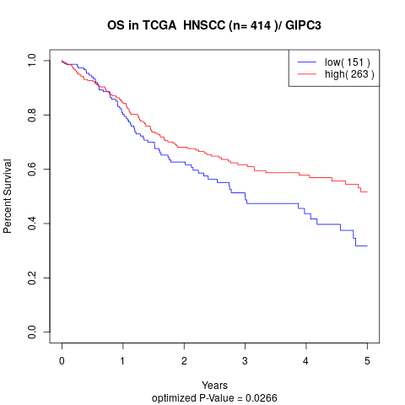

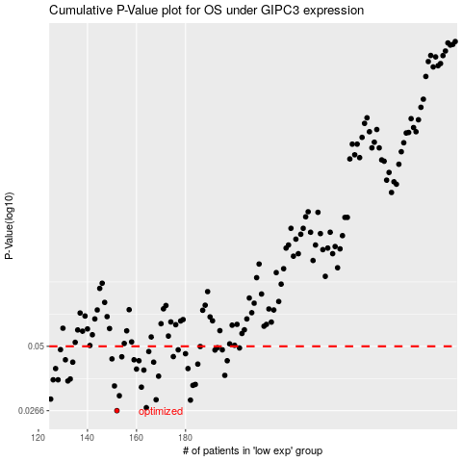

 |  |  |  |  |  | cases_OS | p_OS | rank | exp
 |  |  |  |  |  | 152 | 0.0266 | 351 | -0.41719739723
 |  |  |  |  |  | 164 | 0.0274 | 175 | -0.37485321565
 |  |  |  |  |  | 182 | 0.0295 | 101 | -0.32053540173
 |  |  |  |  |  | 168 | 0.0296 | 150 | -0.35971856237
 |  |  |  |  |  | 125 | 0.0298 | 303 | -0.51232725375
 |  |  |  |  |  | 153 | 0.0308 | 362 | -0.40652642049
 |  |  |  |  |  | 162 | 0.0335 | 311 | -0.37685332072
 |  |  |  |  |  | 151 | 0.0339 | 180 | -0.4176518643
 |  |  |  |  |  | 183 | 0.0341 | 179 | -0.31736313161
 |  |  |  |  |  | 184 | 0.0344 | 135 | -0.31175878772
 |  |  |  |  |  | 132 | 0.0356 | 291 | -0.49643665524
 |  |  |  |  |  | 128 | 0.036 | 109 | -0.50044811456
 |  |  |  |  |  | 126 | 0.036 | 348 | -0.50423459017
 |  |  |  |  |  | 133 | 0.0363 | 292 | -0.49464578502
 |  |  |  |  |  | 169 | 0.0373 | 219 | -0.35790519377
 |  |  |  |  |  | 196 | 0.0376 | 330 | -0.27028529305
 |  |  |  |  |  | 163 | 0.0396 | 108 | -0.3764326012
 |  |  |  |  |  | 160 | 0.04 | 384 | -0.38634088321
 |  |  |  |  |  | 181 | 0.0402 | 80 | -0.3206186457
 |  |  |  |  |  | 127 | 0.0402 | 401 | -0.50241447207
 |  |  |  |  |  | 185 | 0.042 | 157 | -0.31139206429
 |  |  |  |  |  | 134 | 0.0428 | 288 | -0.4882000021
 |  |  |  |  |  | 167 | 0.0428 | 297 | -0.36346454092
 |  |  |  |  |  | 197 | 0.0434 | 314 | -0.27006480903
 |  |  |  |  |  | 161 | 0.0434 | 373 | -0.37951037818
 |  |  |  |  |  | 131 | 0.0438 | 203 | -0.4965558966
 |  |  |  |  |  | 159 | 0.0438 | 256 | -0.39485876597
 |  |  |  |  |  | 150 | 0.0442 | 117 | -0.42305597269
 |  |  |  |  |  | 154 | 0.0451 | 309 | -0.40469280336
 |  |  |  |  |  | 175 | 0.0452 | 120 | -0.33834736101
 |  |  |  |  |  | 180 | 0.0465 | 266 | -0.32357493148
 |  |  |  |  |  | 165 | 0.0475 | 269 | -0.36564913262
 |  |  |  |  |  | 192 | 0.0482 | 172 | -0.28878120277
 |  |  |  |  |  | 177 | 0.0483 | 321 | -0.33523133681
 |  |  |  |  |  | 195 | 0.0483 | 361 | -0.27981560245
 |  |  |  |  |  | 129 | 0.0484 | 164 | -0.49962692406
 |  |  |  |  |  | 202 | 0.0492 | 316 | -0.26003278599
 |  |  |  |  |  | 193 | 0.0493 | 17 | -0.2847179972
 |  |  |  |  |  | 186 | 0.0499 | 272 | -0.30900723711
 |  |  |  |  |  |  | cases_RFS | p_RFS | rank | exp
 |  |  |  |  |  |  | 151 | 0.0266 | 180 | -0.4176518643
 |  |  |  |  |  |  | 163 | 0.0274 | 108 | -0.3764326012
 |  |  |  |  |  |  | 181 | 0.0295 | 80 | -0.3206186457
 |  |  |  |  |  |  | 167 | 0.0296 | 297 | -0.36346454092
 |  |  |  |  |  |  |  | 0.0298 | 368 | -0.51270972603
 |  |  |  |  |  |  | 152 | 0.0308 | 351 | -0.41719739723
 |  |  |  |  |  |  | 161 | 0.0335 | 373 | -0.37951037818
 |  |  |  |  |  |  | 150 | 0.0339 | 117 | -0.42305597269
 |  |  |  |  |  |  | 182 | 0.0341 | 101 | -0.32053540173
 |  |  |  |  |  |  | 183 | 0.0344 | 179 | -0.31736313161
 |  |  |  |  |  |  | 131 | 0.0356 | 203 | -0.4965558966
 |  |  |  |  |  |  | 125 | 0.036 | 303 | -0.51232725375
 |  |  |  |  |  |  | 127 | 0.036 | 401 | -0.50241447207
 |  |  |  |  |  |  | 132 | 0.0363 | 291 | -0.49643665524
 |  |  |  |  |  |  | 168 | 0.0373 | 150 | -0.35971856237
 |  |  |  |  |  |  | 195 | 0.0376 | 361 | -0.27981560245
 |  |  |  |  |  |  | 162 | 0.0396 | 311 | -0.37685332072
 |  |  |  |  |  |  | 159 | 0.04 | 256 | -0.39485876597
 |  |  |  |  |  |  | 180 | 0.0402 | 266 | -0.32357493148
 |  |  |  |  |  |  | 126 | 0.0402 | 348 | -0.50423459017
 |  |  |  |  |  |  | 184 | 0.042 | 135 | -0.31175878772
 |  |  |  |  |  |  | 166 | 0.0428 | 258 | -0.3634937888
 |  |  |  |  |  |  | 133 | 0.0428 | 292 | -0.49464578502
 |  |  |  |  |  |  | 196 | 0.0434 | 330 | -0.27028529305
 |  |  |  |  |  |  | 160 | 0.0434 | 384 | -0.38634088321
 |  |  |  |  |  |  | 130 | 0.0438 | 114 | -0.49769881378
 |  |  |  |  |  |  | 158 | 0.0438 | 267 | -0.39638415544
 |  |  |  |  |  |  | 149 | 0.0442 | 66 | -0.42679520173
 |  |  |  |  |  |  | 153 | 0.0451 | 362 | -0.40652642049
 |  |  |  |  |  |  | 174 | 0.0452 | 370 | -0.33900206357
 |  |  |  |  |  |  | 179 | 0.0465 | 241 | -0.32904878482
 |  |  |  |  |  |  | 164 | 0.0475 | 175 | -0.37485321565
 |  |  |  |  |  |  | 191 | 0.0482 | 113 | -0.28945390402
 |  |  |  |  |  |  | 194 | 0.0483 | 249 | -0.28372806894
 |  |  |  |  |  |  | 176 | 0.0483 | 284 | -0.33734618356
 |  |  |  |  |  |  | 128 | 0.0484 | 109 | -0.50044811456
 |  |  |  |  |  |  | 201 | 0.0492 | 176 | -0.26075498365
 |  |  |  |  |  |  | 192 | 0.0493 | 172 | -0.28878120277
 |  |  |  |  |  |  | 185 | 0.0499 | 157 | -0.31139206429

