GIT1 _multivariate
Reported by Tex Li-Hsing Chi. tex@gate.sinica.edu.tw 2019-08-19

Table 2. The clinicopathological features of HNSCC cohort and GIT1 expression. (Chi square test)
Cutoff at 0.06 (51.9%)
 |  | GIT1 expression |  | GIT1 expression |  | (Optimised)
 | Features | Low | (%) | High | (%) | Case no | P-value | Remark | Matthews
Gender | Female | 150 | 36.1 | 156 | 37.6 | 415 | 0.0503 | 0 | 0
2 | Male | 66 | 15.9 | 43 | 10.4
Age at diagnosis | <=65y | 141 | 34 | 133 | 32 | 415 | 0.8175 | 0 | 0
4 | >65y | 75 | 18.1 | 66 | 15.9
Clinical T Status | T1+T2 | 90 | 21.7 | 59 | 14.2 | 415 | 0.0144 | 1 | 0
6 | T3+T4 | 126 | 30.4 | 140 | 33.7
Clinical N Status | N0 | 116 | 28 | 100 | 24.1 | 415 | 0.5452 | 0 | 0
8 | N1-3 | 100 | 24.1 | 99 | 23.9
Clinical M Status | M0 | 215 | 51.8 | 197 | 47.5 | 415 | 0.6093 | 0 | 0
10 | M1 | 1 | 0.2 | 2 | 0.5
Clinical Stage | Stage I+II | 62 | 14.9 | 40 | 9.6 | 415 | 0.0549 | 0 | 0
12 | Stage III+IV | 154 | 37.1 | 159 | 38.3
Surgical Margin status | Negative | 161 | 38.8 | 157 | 37.8 | 415 | 0.2993 | 0 | 0
14 | Positive | 55 | 13.3 | 42 | 10.1
Tobacco Exposure | Low | 100 | 24.1 | 61 | 14.7 | 415 | 0.0012 | 1 | 0
16 | High | 116 | 28 | 138 | 33.3

Table 3. Univariate/Multivariate Cox's proportional hazards regression analyses on OS time of GIT1 gene expression in HNSCC

 |  | Univariate |  |  |  | Multivariate
 | Features | HR | CI95%(L) | CI95%(H) | P-value | HR | CI95%(L) | CI95%(H) | P-value
1 | Female | 1 |  |  |  | 1
Gender | Male | 1.157 | 0.843 | 1.587 | 0.367 | 1.244 | 0.888 | 1.743 | 0.203
11 | <=65y | 1 |  |  |  | 1
Age at diagnosis | >65y | 1.329 | 0.99 | 1.784 | 0.058 | 1.406 | 1.033 | 1.912 | 0.03
12 | T1+T2 | 1 |  |  |  | 1
Clinical T Status | T3+T4 | 1.409 | 1.028 | 1.931 | 0.033 | 2.142 | 1.132 | 4.054 | 0.019
13 | N0 | 1 |  |  |  | 1
Clinical N Status | N1-3 | 1.185 | 0.89 | 1.577 | 0.246 | 1.234 | 0.864 | 1.763 | 0.247
14 | M0 | 1 |  |  |  | 1
Clinical M Status | M1 | 4.097 | 1.009 | 16.644 | 0.049 | 9.12 | 1.988 | 41.836 | 0.004
15 | Stage I+II | 1 |  |  |  | 1
Clinical Stage | Stage III+IV | 1.245 | 0.882 | 1.759 | 0.213 | 0.498 | 0.232 | 1.069 | 0.074
16 | Negative | 1 |  |  |  | 1
Surgical Margin status | Positive | 1.591 | 1.155 | 2.191 | 0.004 | 1.698 | 1.228 | 2.349 | 0.001
17 | Low | 1 |  |  |  | 1
Tobacco Exposure | High | 1.364 | 1.008 | 1.844 | 0.044 | 1.385 | 1.001 | 1.917 | 0.049
18 | Low | 1 |  |  |  | 1
RNAseq(z-score) | High | 1.366 | 1.024 | 1.823 | 0.034 | 1.328 | 0.983 | 1.795 | 0.065

Table 4. Univariate/Multivariate Cox's proportional hazards regression analyses on RFS time of GIT1 gene expression in HNSCC

 |  | Univariate |  |  |  | Multivariate
 | Features | HR | CI95%(L) | CI95%(H) | P-value | HR | CI95%(L) | CI95%(H) | P-value
1 | Female | 1 |  |  |  | 1
Gender | Male | 1.157 | 0.843 | 1.587 | 0.367 | 1.244 | 0.888 | 1.743 | 0.203
11 | <=65y | 1 |  |  |  | 1
Age at diagnosis | >65y | 1.329 | 0.99 | 1.784 | 0.058 | 1.406 | 1.033 | 1.912 | 0.03
12 | T1+T2 | 1 |  |  |  | 1
Clinical T Status | T3+T4 | 1.409 | 1.028 | 1.931 | 0.033 | 2.142 | 1.132 | 4.054 | 0.019
13 | N0 | 1 |  |  |  | 1
Clinical N Status | N1-3 | 1.185 | 0.89 | 1.577 | 0.246 | 1.234 | 0.864 | 1.763 | 0.247
14 | M0 | 1 |  |  |  | 1
Clinical M Status | M1 | 4.097 | 1.009 | 16.644 | 0.049 | 9.12 | 1.988 | 41.836 | 0.004
15 | Stage I+II | 1 |  |  |  | 1
Clinical Stage | Stage III+IV | 1.245 | 0.882 | 1.759 | 0.213 | 0.498 | 0.232 | 1.069 | 0.074
16 | Negative | 1 |  |  |  | 1
Surgical Margin status | Positive | 1.591 | 1.155 | 2.191 | 0.004 | 1.698 | 1.228 | 2.349 | 0.001
17 | Low | 1 |  |  |  | 1
Tobacco Exposure | High | 1.364 | 1.008 | 1.844 | 0.044 | 1.385 | 1.001 | 1.917 | 0.049
18 | Low | 1 |  |  |  | 1
RNAseq(z-score) | High | 1.366 | 1.024 | 1.823 | 0.034 | 1.328 | 0.983 | 1.795 | 0.065

Kaplan-Meier survival estimate: Cutoff at 0.06 (51.9%)

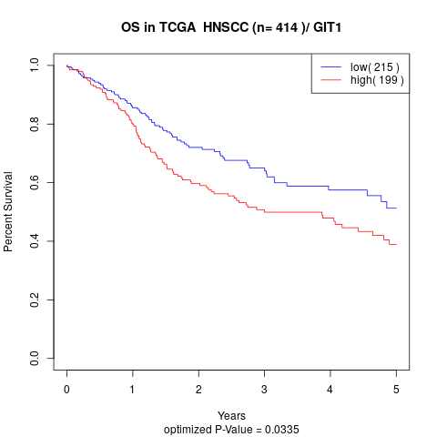

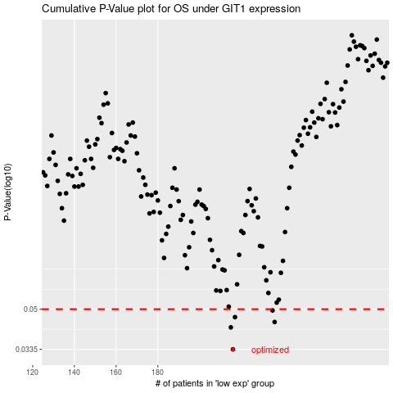

 |  |  |  |  |  | cases_OS | p_OS | rank | exp
 |  |  |  |  |  | 216 | 0.0335 | 283 | 0.060213797585
 |  |  |  |  |  | 215 | 0.0417 | 59 | 0.056122225104
 |  |  |  |  |  | 236 | 0.044 | 248 | 0.16247894415
 |  |  |  |  |  | 217 | 0.0462 | 108 | 0.061137763411
 |  |  |  |  |  | 235 | 0.0494 | 312 | 0.14226841509
 |  |  |  |  |  |  | cases_RFS | p_RFS | rank | exp
 |  |  |  |  |  |  | 215 | 0.0335 | 59 | 0.056122225104
 |  |  |  |  |  |  | 214 | 0.0417 | 42 | 0.054669156839
 |  |  |  |  |  |  | 235 | 0.044 | 312 | 0.14226841509
 |  |  |  |  |  |  | 216 | 0.0462 | 283 | 0.060213797585
 |  |  |  |  |  |  | 234 | 0.0494 | 232 | 0.13000928436

