GIYD2 _multivariate
Reported by Tex Li-Hsing Chi. tex@gate.sinica.edu.tw 2019-08-19

Table 2. The clinicopathological features of HNSCC cohort and GIYD2 expression. (Chi square test)
Cutoff at 0.014 (68.4%)
 |  | GIYD2 expression |  | GIYD2 expression |  | (Optimised)
 | Features | Low | (%) | High | (%) | Case no | P-value | Remark | Matthews
Gender | Female | 208 | 50.1 | 98 | 23.6 | 415 | 0.8276 | 0 | 0
2 | Male | 76 | 18.3 | 33 | 8
Age at diagnosis | <=65y | 186 | 44.8 | 88 | 21.2 | 415 | 0.8221 | 0 | 0
4 | >65y | 98 | 23.6 | 43 | 10.4
Clinical T Status | T1+T2 | 106 | 25.5 | 43 | 10.4 | 415 | 0.4366 | 0 | 0
6 | T3+T4 | 178 | 42.9 | 88 | 21.2
Clinical N Status | N0 | 148 | 35.7 | 68 | 16.4 | 415 | 1 | 0 | 0
8 | N1-3 | 136 | 32.8 | 63 | 15.2
Clinical M Status | M0 | 283 | 68.2 | 129 | 31.1 | 415 | 0.2354 | 0 | 0
10 | M1 | 1 | 0.2 | 2 | 0.5
Clinical Stage | Stage I+II | 75 | 18.1 | 27 | 6.5 | 415 | 0.2492 | 0 | 0
12 | Stage III+IV | 209 | 50.4 | 104 | 25.1
Surgical Margin status | Negative | 223 | 53.7 | 95 | 22.9 | 415 | 0.2119 | 0 | 0
14 | Positive | 61 | 14.7 | 36 | 8.7
Tobacco Exposure | Low | 104 | 25.1 | 57 | 13.7 | 415 | 0.1943 | 0 | 0
16 | High | 180 | 43.4 | 74 | 17.8

Table 3. Univariate/Multivariate Cox's proportional hazards regression analyses on OS time of GIYD2 gene expression in HNSCC

 |  | Univariate |  |  |  | Multivariate
 | Features | HR | CI95%(L) | CI95%(H) | P-value | HR | CI95%(L) | CI95%(H) | P-value
1 | Female | 1 |  |  |  | 1
Gender | Male | 1.157 | 0.843 | 1.587 | 0.367 | 1.206 | 0.864 | 1.683 | 0.27
11 | <=65y | 1 |  |  |  | 1
Age at diagnosis | >65y | 1.329 | 0.99 | 1.784 | 0.058 | 1.37 | 1.008 | 1.861 | 0.044
12 | T1+T2 | 1 |  |  |  | 1
Clinical T Status | T3+T4 | 1.409 | 1.028 | 1.931 | 0.033 | 2.209 | 1.168 | 4.179 | 0.015
13 | N0 | 1 |  |  |  | 1
Clinical N Status | N1-3 | 1.185 | 0.89 | 1.577 | 0.246 | 1.231 | 0.864 | 1.753 | 0.251
14 | M0 | 1 |  |  |  | 1
Clinical M Status | M1 | 4.097 | 1.009 | 16.644 | 0.049 | 11.503 | 2.488 | 53.174 | 0.002
15 | Stage I+II | 1 |  |  |  | 1
Clinical Stage | Stage III+IV | 1.245 | 0.882 | 1.759 | 0.213 | 0.518 | 0.242 | 1.112 | 0.091
16 | Negative | 1 |  |  |  | 1
Surgical Margin status | Positive | 1.591 | 1.155 | 2.191 | 0.004 | 1.77 | 1.277 | 2.454 | 0.001
17 | Low | 1 |  |  |  | 1
Tobacco Exposure | High | 1.364 | 1.008 | 1.844 | 0.044 | 1.414 | 1.025 | 1.951 | 0.035
18 | Low | 1 |  |  |  | 1
RNAseq(z-score) | High | 0.713 | 0.513 | 0.99 | 0.043 | 0.659 | 0.471 | 0.921 | 0.015

Table 4. Univariate/Multivariate Cox's proportional hazards regression analyses on RFS time of GIYD2 gene expression in HNSCC

 |  | Univariate |  |  |  | Multivariate
 | Features | HR | CI95%(L) | CI95%(H) | P-value | HR | CI95%(L) | CI95%(H) | P-value
1 | Female | 1 |  |  |  | 1
Gender | Male | 1.157 | 0.843 | 1.587 | 0.367 | 1.206 | 0.864 | 1.683 | 0.27
11 | <=65y | 1 |  |  |  | 1
Age at diagnosis | >65y | 1.329 | 0.99 | 1.784 | 0.058 | 1.37 | 1.008 | 1.861 | 0.044
12 | T1+T2 | 1 |  |  |  | 1
Clinical T Status | T3+T4 | 1.409 | 1.028 | 1.931 | 0.033 | 2.209 | 1.168 | 4.179 | 0.015
13 | N0 | 1 |  |  |  | 1
Clinical N Status | N1-3 | 1.185 | 0.89 | 1.577 | 0.246 | 1.231 | 0.864 | 1.753 | 0.251
14 | M0 | 1 |  |  |  | 1
Clinical M Status | M1 | 4.097 | 1.009 | 16.644 | 0.049 | 11.503 | 2.488 | 53.174 | 0.002
15 | Stage I+II | 1 |  |  |  | 1
Clinical Stage | Stage III+IV | 1.245 | 0.882 | 1.759 | 0.213 | 0.518 | 0.242 | 1.112 | 0.091
16 | Negative | 1 |  |  |  | 1
Surgical Margin status | Positive | 1.591 | 1.155 | 2.191 | 0.004 | 1.77 | 1.277 | 2.454 | 0.001
17 | Low | 1 |  |  |  | 1
Tobacco Exposure | High | 1.364 | 1.008 | 1.844 | 0.044 | 1.414 | 1.025 | 1.951 | 0.035
18 | Low | 1 |  |  |  | 1
RNAseq(z-score) | High | 0.713 | 0.513 | 0.99 | 0.043 | 0.659 | 0.471 | 0.921 | 0.015

Kaplan-Meier survival estimate: Cutoff at 0.014 (68.4%)



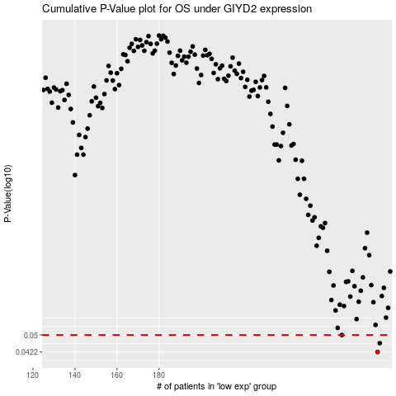

 |  |  |  |  |  | cases_OS | p_OS | rank | exp
 |  |  |  |  |  | 284 | 0.0422 | 348 | 0.014404408889
 |  |  |  |  |  | 285 | 0.0461 | 219 | 0.020274293753
 |  |  |  |  |  | 267 | 0.05 | 120 | -0.086347878794
 |  |  |  |  |  |  | cases_RFS | p_RFS | rank | exp
 |  |  |  |  |  |  | 283 | 0.0422 | 1 | 0.005938981903
 |  |  |  |  |  |  | 284 | 0.0461 | 348 | 0.014404408889
 |  |  |  |  |  |  | 266 | 0.05 | 79 | -0.088608589454

