GJA1 _multivariate
Reported by Tex Li-Hsing Chi. tex@gate.sinica.edu.tw 2019-08-19

Table 2. The clinicopathological features of HNSCC cohort and GJA1 expression. (Chi square test)
Cutoff at -0.165 (50.0%)
 |  | GJA1 expression |  | GJA1 expression |  | (Optimised)
 | Features | Low | (%) | High | (%) | Case no | P-value | Remark | Matthews
Gender | Female | 159 | 38.3 | 147 | 35.4 | 415 | 0.1905 | 0 | 0
2 | Male | 48 | 11.6 | 61 | 14.7
Age at diagnosis | <=65y | 139 | 33.5 | 135 | 32.5 | 415 | 0.7044 | 0 | 0
4 | >65y | 68 | 16.4 | 73 | 17.6
Clinical T Status | T1+T2 | 72 | 17.3 | 77 | 18.6 | 415 | 0.7095 | 0 | 0
6 | T3+T4 | 135 | 32.5 | 131 | 31.6
Clinical N Status | N0 | 96 | 23.1 | 120 | 28.9 | 415 | 0.0272 | 1 | 0
8 | N1-3 | 111 | 26.7 | 88 | 21.2
Clinical M Status | M0 | 206 | 49.6 | 206 | 49.6 | 415 | 1 | 0 | 0
10 | M1 | 1 | 0.2 | 2 | 0.5
Clinical Stage | Stage I+II | 44 | 10.6 | 58 | 14 | 415 | 0.1459 | 0 | 0
12 | Stage III+IV | 163 | 39.3 | 150 | 36.1
Surgical Margin status | Negative | 152 | 36.6 | 166 | 40 | 415 | 0.1329 | 0 | 0
14 | Positive | 55 | 13.3 | 42 | 10.1
Tobacco Exposure | Low | 81 | 19.5 | 80 | 19.3 | 415 | 0.9199 | 0 | 0
16 | High | 126 | 30.4 | 128 | 30.8

Table 3. Univariate/Multivariate Cox's proportional hazards regression analyses on OS time of GJA1 gene expression in HNSCC

 |  | Univariate |  |  |  | Multivariate
 | Features | HR | CI95%(L) | CI95%(H) | P-value | HR | CI95%(L) | CI95%(H) | P-value
1 | Female | 1 |  |  |  | 1
Gender | Male | 1.157 | 0.843 | 1.587 | 0.367 | 1.201 | 0.86 | 1.678 | 0.282
11 | <=65y | 1 |  |  |  | 1
Age at diagnosis | >65y | 1.329 | 0.99 | 1.784 | 0.058 | 1.398 | 1.027 | 1.901 | 0.033
12 | T1+T2 | 1 |  |  |  | 1
Clinical T Status | T3+T4 | 1.409 | 1.028 | 1.931 | 0.033 | 2.183 | 1.154 | 4.131 | 0.016
13 | N0 | 1 |  |  |  | 1
Clinical N Status | N1-3 | 1.185 | 0.89 | 1.577 | 0.246 | 1.252 | 0.877 | 1.789 | 0.216
14 | M0 | 1 |  |  |  | 1
Clinical M Status | M1 | 4.097 | 1.009 | 16.644 | 0.049 | 9.053 | 1.965 | 41.712 | 0.005
15 | Stage I+II | 1 |  |  |  | 1
Clinical Stage | Stage III+IV | 1.245 | 0.882 | 1.759 | 0.213 | 0.511 | 0.238 | 1.098 | 0.085
16 | Negative | 1 |  |  |  | 1
Surgical Margin status | Positive | 1.591 | 1.155 | 2.191 | 0.004 | 1.686 | 1.219 | 2.334 | 0.002
17 | Low | 1 |  |  |  | 1
Tobacco Exposure | High | 1.364 | 1.008 | 1.844 | 0.044 | 1.444 | 1.047 | 1.992 | 0.025
18 | Low | 1 |  |  |  | 1
RNAseq(z-score) | High | 1.07 | 0.803 | 1.425 | 0.643 | 1.093 | 0.816 | 1.465 | 0.55

Table 4. Univariate/Multivariate Cox's proportional hazards regression analyses on RFS time of GJA1 gene expression in HNSCC

 |  | Univariate |  |  |  | Multivariate
 | Features | HR | CI95%(L) | CI95%(H) | P-value | HR | CI95%(L) | CI95%(H) | P-value
1 | Female | 1 |  |  |  | 1
Gender | Male | 1.157 | 0.843 | 1.587 | 0.367 | 1.201 | 0.86 | 1.678 | 0.282
11 | <=65y | 1 |  |  |  | 1
Age at diagnosis | >65y | 1.329 | 0.99 | 1.784 | 0.058 | 1.398 | 1.027 | 1.901 | 0.033
12 | T1+T2 | 1 |  |  |  | 1
Clinical T Status | T3+T4 | 1.409 | 1.028 | 1.931 | 0.033 | 2.183 | 1.154 | 4.131 | 0.016
13 | N0 | 1 |  |  |  | 1
Clinical N Status | N1-3 | 1.185 | 0.89 | 1.577 | 0.246 | 1.252 | 0.877 | 1.789 | 0.216
14 | M0 | 1 |  |  |  | 1
Clinical M Status | M1 | 4.097 | 1.009 | 16.644 | 0.049 | 9.053 | 1.965 | 41.712 | 0.005
15 | Stage I+II | 1 |  |  |  | 1
Clinical Stage | Stage III+IV | 1.245 | 0.882 | 1.759 | 0.213 | 0.511 | 0.238 | 1.098 | 0.085
16 | Negative | 1 |  |  |  | 1
Surgical Margin status | Positive | 1.591 | 1.155 | 2.191 | 0.004 | 1.686 | 1.219 | 2.334 | 0.002
17 | Low | 1 |  |  |  | 1
Tobacco Exposure | High | 1.364 | 1.008 | 1.844 | 0.044 | 1.444 | 1.047 | 1.992 | 0.025
18 | Low | 1 |  |  |  | 1
RNAseq(z-score) | High | 1.07 | 0.803 | 1.425 | 0.643 | 1.093 | 0.816 | 1.465 | 0.55

Kaplan-Meier survival estimate: Cutoff at -0.165 (50.0%)



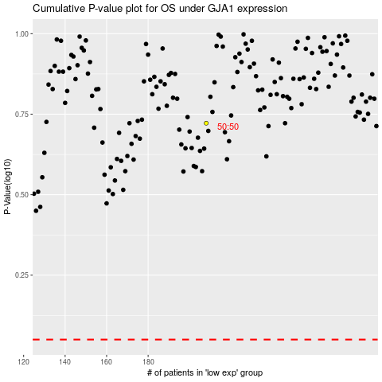

 |  |  |  |  |  | cases_OS | p_OS | rank | exp
 |  |  |  |  |  |  | cases_RFS | p_RFS | rank | exp

