GJA5 _multivariate
Reported by Tex Li-Hsing Chi. tex@gate.sinica.edu.tw 2019-08-19

Table 2. The clinicopathological features of HNSCC cohort and GJA5 expression. (Chi square test)
Cutoff at -0.307 (49.8%)
 |  | GJA5 expression |  | GJA5 expression |  | (Optimised)
 | Features | Low | (%) | High | (%) | Case no | P-value | Remark | Matthews
Gender | Female | 160 | 38.6 | 146 | 35.2 | 415 | 0.1254 | 0 | 0
2 | Male | 47 | 11.3 | 62 | 14.9
Age at diagnosis | <=65y | 136 | 32.8 | 138 | 33.3 | 415 | 0.9719 | 0 | 0
4 | >65y | 71 | 17.1 | 70 | 16.9
Clinical T Status | T1+T2 | 64 | 15.4 | 85 | 20.5 | 415 | 0.0445 | 1 | 0
6 | T3+T4 | 143 | 34.5 | 123 | 29.6
Clinical N Status | N0 | 105 | 25.3 | 111 | 26.7 | 415 | 0.6598 | 0 | 0
8 | N1-3 | 102 | 24.6 | 97 | 23.4
Clinical M Status | M0 | 205 | 49.4 | 207 | 49.9 | 415 | 0.6232 | 0 | 0
10 | M1 | 2 | 0.5 | 1 | 0.2
Clinical Stage | Stage I+II | 41 | 9.9 | 61 | 14.7 | 415 | 0.0325 | 1 | 0
12 | Stage III+IV | 166 | 40 | 147 | 35.4
Surgical Margin status | Negative | 162 | 39 | 156 | 37.6 | 415 | 0.4867 | 0 | 0
14 | Positive | 45 | 10.8 | 52 | 12.5
Tobacco Exposure | Low | 71 | 17.1 | 90 | 21.7 | 415 | 0.0698 | 0 | 0
16 | High | 136 | 32.8 | 118 | 28.4

Table 3. Univariate/Multivariate Cox's proportional hazards regression analyses on OS time of GJA5 gene expression in HNSCC

 |  | Univariate |  |  |  | Multivariate
 | Features | HR | CI95%(L) | CI95%(H) | P-value | HR | CI95%(L) | CI95%(H) | P-value
1 | Female | 1 |  |  |  | 1
Gender | Male | 1.157 | 0.843 | 1.587 | 0.367 | 1.206 | 0.863 | 1.686 | 0.272
11 | <=65y | 1 |  |  |  | 1
Age at diagnosis | >65y | 1.329 | 0.99 | 1.784 | 0.058 | 1.375 | 1.011 | 1.87 | 0.042
12 | T1+T2 | 1 |  |  |  | 1
Clinical T Status | T3+T4 | 1.409 | 1.028 | 1.931 | 0.033 | 2.191 | 1.159 | 4.143 | 0.016
13 | N0 | 1 |  |  |  | 1
Clinical N Status | N1-3 | 1.185 | 0.89 | 1.577 | 0.246 | 1.244 | 0.872 | 1.775 | 0.229
14 | M0 | 1 |  |  |  | 1
Clinical M Status | M1 | 4.097 | 1.009 | 16.644 | 0.049 | 9.293 | 2.027 | 42.604 | 0.004
15 | Stage I+II | 1 |  |  |  | 1
Clinical Stage | Stage III+IV | 1.245 | 0.882 | 1.759 | 0.213 | 0.5 | 0.233 | 1.072 | 0.075
16 | Negative | 1 |  |  |  | 1
Surgical Margin status | Positive | 1.591 | 1.155 | 2.191 | 0.004 | 1.689 | 1.221 | 2.336 | 0.002
17 | Low | 1 |  |  |  | 1
Tobacco Exposure | High | 1.364 | 1.008 | 1.844 | 0.044 | 1.442 | 1.046 | 1.987 | 0.025
18 | Low | 1 |  |  |  | 1
RNAseq(z-score) | High | 0.865 | 0.648 | 1.155 | 0.325 | 0.877 | 0.654 | 1.176 | 0.38

Table 4. Univariate/Multivariate Cox's proportional hazards regression analyses on RFS time of GJA5 gene expression in HNSCC

 |  | Univariate |  |  |  | Multivariate
 | Features | HR | CI95%(L) | CI95%(H) | P-value | HR | CI95%(L) | CI95%(H) | P-value
1 | Female | 1 |  |  |  | 1
Gender | Male | 1.157 | 0.843 | 1.587 | 0.367 | 1.206 | 0.863 | 1.686 | 0.272
11 | <=65y | 1 |  |  |  | 1
Age at diagnosis | >65y | 1.329 | 0.99 | 1.784 | 0.058 | 1.375 | 1.011 | 1.87 | 0.042
12 | T1+T2 | 1 |  |  |  | 1
Clinical T Status | T3+T4 | 1.409 | 1.028 | 1.931 | 0.033 | 2.191 | 1.159 | 4.143 | 0.016
13 | N0 | 1 |  |  |  | 1
Clinical N Status | N1-3 | 1.185 | 0.89 | 1.577 | 0.246 | 1.244 | 0.872 | 1.775 | 0.229
14 | M0 | 1 |  |  |  | 1
Clinical M Status | M1 | 4.097 | 1.009 | 16.644 | 0.049 | 9.293 | 2.027 | 42.604 | 0.004
15 | Stage I+II | 1 |  |  |  | 1
Clinical Stage | Stage III+IV | 1.245 | 0.882 | 1.759 | 0.213 | 0.5 | 0.233 | 1.072 | 0.075
16 | Negative | 1 |  |  |  | 1
Surgical Margin status | Positive | 1.591 | 1.155 | 2.191 | 0.004 | 1.689 | 1.221 | 2.336 | 0.002
17 | Low | 1 |  |  |  | 1
Tobacco Exposure | High | 1.364 | 1.008 | 1.844 | 0.044 | 1.442 | 1.046 | 1.987 | 0.025
18 | Low | 1 |  |  |  | 1
RNAseq(z-score) | High | 0.865 | 0.648 | 1.155 | 0.325 | 0.877 | 0.654 | 1.176 | 0.38

Kaplan-Meier survival estimate: Cutoff at -0.307 (49.8%)



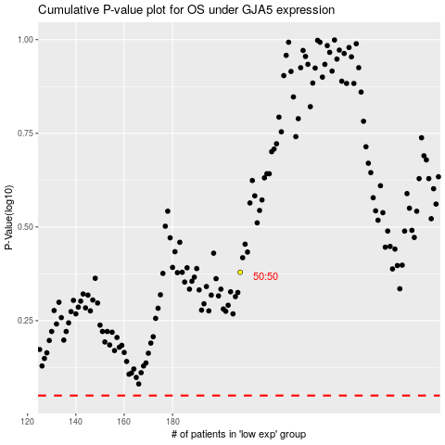

 |  |  |  |  |  | cases_OS | p_OS | rank | exp
 |  |  |  |  |  |  | cases_RFS | p_RFS | rank | exp

