GJB2 _multivariate
Reported by Tex Li-Hsing Chi. tex@gate.sinica.edu.tw 2019-08-19

Table 2. The clinicopathological features of HNSCC cohort and GJB2 expression. (Chi square test)
Cutoff at -0.285 (50.0%)
 |  | GJB2 expression |  | GJB2 expression |  | (Optimised)
 | Features | Low | (%) | High | (%) | Case no | P-value | Remark | Matthews
Gender | Female | 161 | 38.8 | 145 | 34.9 | 415 | 0.0792 | 0 | 0
2 | Male | 46 | 11.1 | 63 | 15.2
Age at diagnosis | <=65y | 136 | 32.8 | 138 | 33.3 | 415 | 0.9719 | 0 | 0
4 | >65y | 71 | 17.1 | 70 | 16.9
Clinical T Status | T1+T2 | 78 | 18.8 | 71 | 17.1 | 415 | 0.5152 | 0 | 0
6 | T3+T4 | 129 | 31.1 | 137 | 33
Clinical N Status | N0 | 101 | 24.3 | 115 | 27.7 | 415 | 0.2201 | 0 | 0
8 | N1-3 | 106 | 25.5 | 93 | 22.4
Clinical M Status | M0 | 206 | 49.6 | 206 | 49.6 | 415 | 1 | 0 | 0
10 | M1 | 1 | 0.2 | 2 | 0.5
Clinical Stage | Stage I+II | 45 | 10.8 | 57 | 13.7 | 415 | 0.2202 | 0 | 0
12 | Stage III+IV | 162 | 39 | 151 | 36.4
Surgical Margin status | Negative | 156 | 37.6 | 162 | 39 | 415 | 0.5636 | 0 | 0
14 | Positive | 51 | 12.3 | 46 | 11.1
Tobacco Exposure | Low | 66 | 15.9 | 95 | 22.9 | 415 | 0.0048 | 1 | 0
16 | High | 141 | 34 | 113 | 27.2

Table 3. Univariate/Multivariate Cox's proportional hazards regression analyses on OS time of GJB2 gene expression in HNSCC

 |  | Univariate |  |  |  | Multivariate
 | Features | HR | CI95%(L) | CI95%(H) | P-value | HR | CI95%(L) | CI95%(H) | P-value
1 | Female | 1 |  |  |  | 1
Gender | Male | 1.157 | 0.843 | 1.587 | 0.367 | 1.194 | 0.853 | 1.671 | 0.301
11 | <=65y | 1 |  |  |  | 1
Age at diagnosis | >65y | 1.329 | 0.99 | 1.784 | 0.058 | 1.402 | 1.029 | 1.911 | 0.032
12 | T1+T2 | 1 |  |  |  | 1
Clinical T Status | T3+T4 | 1.409 | 1.028 | 1.931 | 0.033 | 2.171 | 1.143 | 4.121 | 0.018
13 | N0 | 1 |  |  |  | 1
Clinical N Status | N1-3 | 1.185 | 0.89 | 1.577 | 0.246 | 1.246 | 0.873 | 1.778 | 0.226
14 | M0 | 1 |  |  |  | 1
Clinical M Status | M1 | 4.097 | 1.009 | 16.644 | 0.049 | 9.095 | 1.966 | 42.069 | 0.005
15 | Stage I+II | 1 |  |  |  | 1
Clinical Stage | Stage III+IV | 1.245 | 0.882 | 1.759 | 0.213 | 0.514 | 0.238 | 1.11 | 0.09
16 | Negative | 1 |  |  |  | 1
Surgical Margin status | Positive | 1.591 | 1.155 | 2.191 | 0.004 | 1.671 | 1.21 | 2.31 | 0.002
17 | Low | 1 |  |  |  | 1
Tobacco Exposure | High | 1.364 | 1.008 | 1.844 | 0.044 | 1.465 | 1.06 | 2.025 | 0.021
18 | Low | 1 |  |  |  | 1
RNAseq(z-score) | High | 1.04 | 0.781 | 1.386 | 0.787 | 1.062 | 0.788 | 1.431 | 0.692

Table 4. Univariate/Multivariate Cox's proportional hazards regression analyses on RFS time of GJB2 gene expression in HNSCC

 |  | Univariate |  |  |  | Multivariate
 | Features | HR | CI95%(L) | CI95%(H) | P-value | HR | CI95%(L) | CI95%(H) | P-value
1 | Female | 1 |  |  |  | 1
Gender | Male | 1.157 | 0.843 | 1.587 | 0.367 | 1.194 | 0.853 | 1.671 | 0.301
11 | <=65y | 1 |  |  |  | 1
Age at diagnosis | >65y | 1.329 | 0.99 | 1.784 | 0.058 | 1.402 | 1.029 | 1.911 | 0.032
12 | T1+T2 | 1 |  |  |  | 1
Clinical T Status | T3+T4 | 1.409 | 1.028 | 1.931 | 0.033 | 2.171 | 1.143 | 4.121 | 0.018
13 | N0 | 1 |  |  |  | 1
Clinical N Status | N1-3 | 1.185 | 0.89 | 1.577 | 0.246 | 1.246 | 0.873 | 1.778 | 0.226
14 | M0 | 1 |  |  |  | 1
Clinical M Status | M1 | 4.097 | 1.009 | 16.644 | 0.049 | 9.095 | 1.966 | 42.069 | 0.005
15 | Stage I+II | 1 |  |  |  | 1
Clinical Stage | Stage III+IV | 1.245 | 0.882 | 1.759 | 0.213 | 0.514 | 0.238 | 1.11 | 0.09
16 | Negative | 1 |  |  |  | 1
Surgical Margin status | Positive | 1.591 | 1.155 | 2.191 | 0.004 | 1.671 | 1.21 | 2.31 | 0.002
17 | Low | 1 |  |  |  | 1
Tobacco Exposure | High | 1.364 | 1.008 | 1.844 | 0.044 | 1.465 | 1.06 | 2.025 | 0.021
18 | Low | 1 |  |  |  | 1
RNAseq(z-score) | High | 1.04 | 0.781 | 1.386 | 0.787 | 1.062 | 0.788 | 1.431 | 0.692

Kaplan-Meier survival estimate: Cutoff at -0.285 (50.0%)



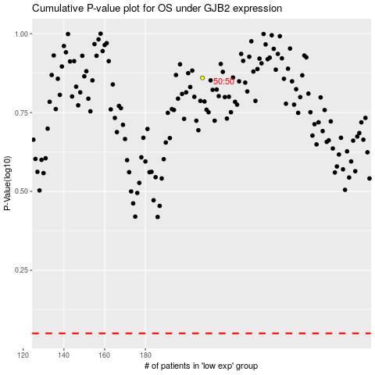

 |  |  |  |  |  | cases_OS | p_OS | rank | exp
 |  |  |  |  |  |  | cases_RFS | p_RFS | rank | exp

