GJB4 _multivariate
Reported by Tex Li-Hsing Chi. tex@gate.sinica.edu.tw 2019-08-19

Table 2. The clinicopathological features of HNSCC cohort and GJB4 expression. (Chi square test)
Cutoff at -0.2 (50.0%)
 |  | GJB4 expression |  | GJB4 expression |  | (Optimised)
 | Features | Low | (%) | High | (%) | Case no | P-value | Remark | Matthews
Gender | Female | 147 | 35.4 | 159 | 38.3 | 415 | 0.2523 | 0 | 0
2 | Male | 60 | 14.5 | 49 | 11.8
Age at diagnosis | <=65y | 135 | 32.5 | 139 | 33.5 | 415 | 0.8084 | 0 | 0
4 | >65y | 72 | 17.3 | 69 | 16.6
Clinical T Status | T1+T2 | 84 | 20.2 | 65 | 15.7 | 415 | 0.0603 | 0 | 0
6 | T3+T4 | 123 | 29.6 | 143 | 34.5
Clinical N Status | N0 | 119 | 28.7 | 97 | 23.4 | 415 | 0.0345 | 1 | 0
8 | N1-3 | 88 | 21.2 | 111 | 26.7
Clinical M Status | M0 | 205 | 49.4 | 207 | 49.9 | 415 | 0.6232 | 0 | 0
10 | M1 | 2 | 0.5 | 1 | 0.2
Clinical Stage | Stage I+II | 61 | 14.7 | 41 | 9.9 | 415 | 0.0282 | 1 | 0
12 | Stage III+IV | 146 | 35.2 | 167 | 40.2
Surgical Margin status | Negative | 160 | 38.6 | 158 | 38.1 | 415 | 0.8167 | 0 | 0
14 | Positive | 47 | 11.3 | 50 | 12
Tobacco Exposure | Low | 85 | 20.5 | 76 | 18.3 | 415 | 0.3655 | 0 | 0
16 | High | 122 | 29.4 | 132 | 31.8

Table 3. Univariate/Multivariate Cox's proportional hazards regression analyses on OS time of GJB4 gene expression in HNSCC

 |  | Univariate |  |  |  | Multivariate
 | Features | HR | CI95%(L) | CI95%(H) | P-value | HR | CI95%(L) | CI95%(H) | P-value
1 | Female | 1 |  |  |  | 1
Gender | Male | 1.157 | 0.843 | 1.587 | 0.367 | 1.188 | 0.85 | 1.661 | 0.313
11 | <=65y | 1 |  |  |  | 1
Age at diagnosis | >65y | 1.329 | 0.99 | 1.784 | 0.058 | 1.398 | 1.028 | 1.901 | 0.033
12 | T1+T2 | 1 |  |  |  | 1
Clinical T Status | T3+T4 | 1.409 | 1.028 | 1.931 | 0.033 | 2.214 | 1.171 | 4.186 | 0.014
13 | N0 | 1 |  |  |  | 1
Clinical N Status | N1-3 | 1.185 | 0.89 | 1.577 | 0.246 | 1.271 | 0.887 | 1.822 | 0.192
14 | M0 | 1 |  |  |  | 1
Clinical M Status | M1 | 4.097 | 1.009 | 16.644 | 0.049 | 9.14 | 1.991 | 41.958 | 0.004
15 | Stage I+II | 1 |  |  |  | 1
Clinical Stage | Stage III+IV | 1.245 | 0.882 | 1.759 | 0.213 | 0.51 | 0.238 | 1.096 | 0.084
16 | Negative | 1 |  |  |  | 1
Surgical Margin status | Positive | 1.591 | 1.155 | 2.191 | 0.004 | 1.67 | 1.209 | 2.308 | 0.002
17 | Low | 1 |  |  |  | 1
Tobacco Exposure | High | 1.364 | 1.008 | 1.844 | 0.044 | 1.453 | 1.055 | 2.002 | 0.022
18 | Low | 1 |  |  |  | 1
RNAseq(z-score) | High | 0.936 | 0.703 | 1.247 | 0.651 | 0.881 | 0.654 | 1.187 | 0.405

Table 4. Univariate/Multivariate Cox's proportional hazards regression analyses on RFS time of GJB4 gene expression in HNSCC

 |  | Univariate |  |  |  | Multivariate
 | Features | HR | CI95%(L) | CI95%(H) | P-value | HR | CI95%(L) | CI95%(H) | P-value
1 | Female | 1 |  |  |  | 1
Gender | Male | 1.157 | 0.843 | 1.587 | 0.367 | 1.188 | 0.85 | 1.661 | 0.313
11 | <=65y | 1 |  |  |  | 1
Age at diagnosis | >65y | 1.329 | 0.99 | 1.784 | 0.058 | 1.398 | 1.028 | 1.901 | 0.033
12 | T1+T2 | 1 |  |  |  | 1
Clinical T Status | T3+T4 | 1.409 | 1.028 | 1.931 | 0.033 | 2.214 | 1.171 | 4.186 | 0.014
13 | N0 | 1 |  |  |  | 1
Clinical N Status | N1-3 | 1.185 | 0.89 | 1.577 | 0.246 | 1.271 | 0.887 | 1.822 | 0.192
14 | M0 | 1 |  |  |  | 1
Clinical M Status | M1 | 4.097 | 1.009 | 16.644 | 0.049 | 9.14 | 1.991 | 41.958 | 0.004
15 | Stage I+II | 1 |  |  |  | 1
Clinical Stage | Stage III+IV | 1.245 | 0.882 | 1.759 | 0.213 | 0.51 | 0.238 | 1.096 | 0.084
16 | Negative | 1 |  |  |  | 1
Surgical Margin status | Positive | 1.591 | 1.155 | 2.191 | 0.004 | 1.67 | 1.209 | 2.308 | 0.002
17 | Low | 1 |  |  |  | 1
Tobacco Exposure | High | 1.364 | 1.008 | 1.844 | 0.044 | 1.453 | 1.055 | 2.002 | 0.022
18 | Low | 1 |  |  |  | 1
RNAseq(z-score) | High | 0.936 | 0.703 | 1.247 | 0.651 | 0.881 | 0.654 | 1.187 | 0.405

Kaplan-Meier survival estimate: Cutoff at -0.2 (50.0%)



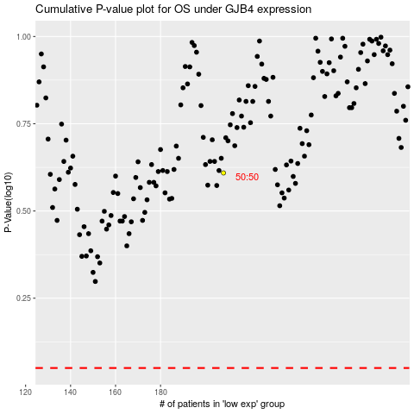

 |  |  |  |  |  | cases_OS | p_OS | rank | exp
 |  |  |  |  |  |  | cases_RFS | p_RFS | rank | exp

