GJB6 _multivariate
Reported by Tex Li-Hsing Chi. tex@gate.sinica.edu.tw 2019-08-19

Table 2. The clinicopathological features of HNSCC cohort and GJB6 expression. (Chi square test)
Cutoff at -0.269 (50.0%)
 |  | GJB6 expression |  | GJB6 expression |  | (Optimised)
 | Features | Low | (%) | High | (%) | Case no | P-value | Remark | Matthews
Gender | Female | 158 | 38.1 | 148 | 35.7 | 415 | 0.2774 | 0 | 0
2 | Male | 49 | 11.8 | 60 | 14.5
Age at diagnosis | <=65y | 137 | 33 | 137 | 33 | 415 | 1 | 0 | 0
4 | >65y | 70 | 16.9 | 71 | 17.1
Clinical T Status | T1+T2 | 81 | 19.5 | 68 | 16.4 | 415 | 0.206 | 0 | 0
6 | T3+T4 | 126 | 30.4 | 140 | 33.7
Clinical N Status | N0 | 98 | 23.6 | 118 | 28.4 | 415 | 0.0694 | 0 | 0
8 | N1-3 | 109 | 26.3 | 90 | 21.7
Clinical M Status | M0 | 206 | 49.6 | 206 | 49.6 | 415 | 1 | 0 | 0
10 | M1 | 1 | 0.2 | 2 | 0.5
Clinical Stage | Stage I+II | 46 | 11.1 | 56 | 13.5 | 415 | 0.3182 | 0 | 0
12 | Stage III+IV | 161 | 38.8 | 152 | 36.6
Surgical Margin status | Negative | 155 | 37.3 | 163 | 39.3 | 415 | 0.4187 | 0 | 0
14 | Positive | 52 | 12.5 | 45 | 10.8
Tobacco Exposure | Low | 68 | 16.4 | 93 | 22.4 | 415 | 0.0156 | 1 | 0
16 | High | 139 | 33.5 | 115 | 27.7

Table 3. Univariate/Multivariate Cox's proportional hazards regression analyses on OS time of GJB6 gene expression in HNSCC

 |  | Univariate |  |  |  | Multivariate
 | Features | HR | CI95%(L) | CI95%(H) | P-value | HR | CI95%(L) | CI95%(H) | P-value
1 | Female | 1 |  |  |  | 1
Gender | Male | 1.157 | 0.843 | 1.587 | 0.367 | 1.2 | 0.858 | 1.677 | 0.286
11 | <=65y | 1 |  |  |  | 1
Age at diagnosis | >65y | 1.329 | 0.99 | 1.784 | 0.058 | 1.395 | 1.025 | 1.898 | 0.034
12 | T1+T2 | 1 |  |  |  | 1
Clinical T Status | T3+T4 | 1.409 | 1.028 | 1.931 | 0.033 | 2.187 | 1.151 | 4.154 | 0.017
13 | N0 | 1 |  |  |  | 1
Clinical N Status | N1-3 | 1.185 | 0.89 | 1.577 | 0.246 | 1.244 | 0.871 | 1.778 | 0.23
14 | M0 | 1 |  |  |  | 1
Clinical M Status | M1 | 4.097 | 1.009 | 16.644 | 0.049 | 9.26 | 2.001 | 42.859 | 0.004
15 | Stage I+II | 1 |  |  |  | 1
Clinical Stage | Stage III+IV | 1.245 | 0.882 | 1.759 | 0.213 | 0.509 | 0.236 | 1.097 | 0.085
16 | Negative | 1 |  |  |  | 1
Surgical Margin status | Positive | 1.591 | 1.155 | 2.191 | 0.004 | 1.673 | 1.21 | 2.311 | 0.002
17 | Low | 1 |  |  |  | 1
Tobacco Exposure | High | 1.364 | 1.008 | 1.844 | 0.044 | 1.457 | 1.056 | 2.01 | 0.022
18 | Low | 1 |  |  |  | 1
RNAseq(z-score) | High | 1.017 | 0.763 | 1.355 | 0.909 | 1.027 | 0.764 | 1.381 | 0.858

Table 4. Univariate/Multivariate Cox's proportional hazards regression analyses on RFS time of GJB6 gene expression in HNSCC

 |  | Univariate |  |  |  | Multivariate
 | Features | HR | CI95%(L) | CI95%(H) | P-value | HR | CI95%(L) | CI95%(H) | P-value
1 | Female | 1 |  |  |  | 1
Gender | Male | 1.157 | 0.843 | 1.587 | 0.367 | 1.2 | 0.858 | 1.677 | 0.286
11 | <=65y | 1 |  |  |  | 1
Age at diagnosis | >65y | 1.329 | 0.99 | 1.784 | 0.058 | 1.395 | 1.025 | 1.898 | 0.034
12 | T1+T2 | 1 |  |  |  | 1
Clinical T Status | T3+T4 | 1.409 | 1.028 | 1.931 | 0.033 | 2.187 | 1.151 | 4.154 | 0.017
13 | N0 | 1 |  |  |  | 1
Clinical N Status | N1-3 | 1.185 | 0.89 | 1.577 | 0.246 | 1.244 | 0.871 | 1.778 | 0.23
14 | M0 | 1 |  |  |  | 1
Clinical M Status | M1 | 4.097 | 1.009 | 16.644 | 0.049 | 9.26 | 2.001 | 42.859 | 0.004
15 | Stage I+II | 1 |  |  |  | 1
Clinical Stage | Stage III+IV | 1.245 | 0.882 | 1.759 | 0.213 | 0.509 | 0.236 | 1.097 | 0.085
16 | Negative | 1 |  |  |  | 1
Surgical Margin status | Positive | 1.591 | 1.155 | 2.191 | 0.004 | 1.673 | 1.21 | 2.311 | 0.002
17 | Low | 1 |  |  |  | 1
Tobacco Exposure | High | 1.364 | 1.008 | 1.844 | 0.044 | 1.457 | 1.056 | 2.01 | 0.022
18 | Low | 1 |  |  |  | 1
RNAseq(z-score) | High | 1.017 | 0.763 | 1.355 | 0.909 | 1.027 | 0.764 | 1.381 | 0.858

Kaplan-Meier survival estimate: Cutoff at -0.269 (50.0%)

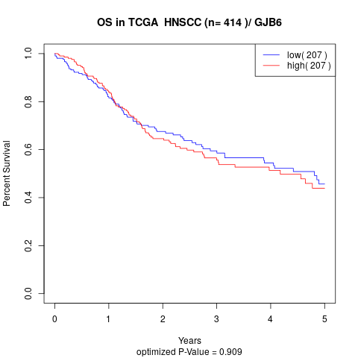

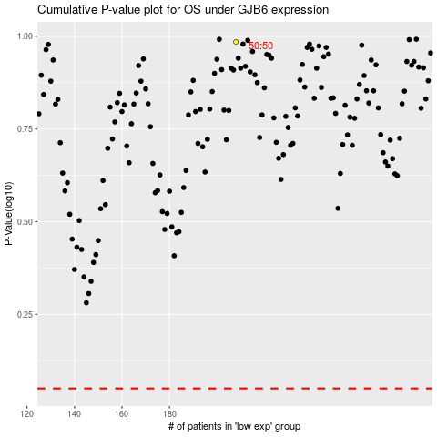

 |  |  |  |  |  | cases_OS | p_OS | rank | exp
 |  |  |  |  |  |  | cases_RFS | p_RFS | rank | exp

