GJB7 _multivariate
Reported by Tex Li-Hsing Chi. tex@gate.sinica.edu.tw 2019-08-19

Table 2. The clinicopathological features of HNSCC cohort and GJB7 expression. (Chi square test)
Cutoff at -0.673 (37.2%)
 |  | GJB7 expression |  | GJB7 expression |  | (Optimised)
 | Features | Low | (%) | High | (%) | Case no | P-value | Remark | Matthews
Gender | Female | 109 | 26.3 | 197 | 47.5 | 415 | 0.3495 | 0 | 0
2 | Male | 45 | 10.8 | 64 | 15.4
Age at diagnosis | <=65y | 104 | 25.1 | 170 | 41 | 415 | 0.6957 | 0 | 0
4 | >65y | 50 | 12 | 91 | 21.9
Clinical T Status | T1+T2 | 70 | 16.9 | 79 | 19 | 415 | 0.0026 | 1 | 0
6 | T3+T4 | 84 | 20.2 | 182 | 43.9
Clinical N Status | N0 | 80 | 19.3 | 136 | 32.8 | 415 | 1 | 0 | 0
8 | N1-3 | 74 | 17.8 | 125 | 30.1
Clinical M Status | M0 | 154 | 37.1 | 258 | 62.2 | 415 | 0.2982 | 0 | 0
10 | M1 | 0 | 0 | 3 | 0.7
Clinical Stage | Stage I+II | 46 | 11.1 | 56 | 13.5 | 415 | 0.071 | 0 | 0
12 | Stage III+IV | 108 | 26 | 205 | 49.4
Surgical Margin status | Negative | 112 | 27 | 206 | 49.6 | 415 | 0.152 | 0 | 0
14 | Positive | 42 | 10.1 | 55 | 13.3
Tobacco Exposure | Low | 77 | 18.6 | 84 | 20.2 | 415 | 4e-04 | 1 | 0
16 | High | 77 | 18.6 | 177 | 42.7

Table 3. Univariate/Multivariate Cox's proportional hazards regression analyses on OS time of GJB7 gene expression in HNSCC

 |  | Univariate |  |  |  | Multivariate
 | Features | HR | CI95%(L) | CI95%(H) | P-value | HR | CI95%(L) | CI95%(H) | P-value
1 | Female | 1 |  |  |  | 1
Gender | Male | 1.157 | 0.843 | 1.587 | 0.367 | 1.23 | 0.878 | 1.724 | 0.229
11 | <=65y | 1 |  |  |  | 1
Age at diagnosis | >65y | 1.329 | 0.99 | 1.784 | 0.058 | 1.361 | 1 | 1.851 | 0.05
12 | T1+T2 | 1 |  |  |  | 1
Clinical T Status | T3+T4 | 1.409 | 1.028 | 1.931 | 0.033 | 2.027 | 1.068 | 3.848 | 0.031
13 | N0 | 1 |  |  |  | 1
Clinical N Status | N1-3 | 1.185 | 0.89 | 1.577 | 0.246 | 1.269 | 0.888 | 1.814 | 0.191
14 | M0 | 1 |  |  |  | 1
Clinical M Status | M1 | 4.097 | 1.009 | 16.644 | 0.049 | 7.817 | 1.692 | 36.106 | 0.008
15 | Stage I+II | 1 |  |  |  | 1
Clinical Stage | Stage III+IV | 1.245 | 0.882 | 1.759 | 0.213 | 0.516 | 0.24 | 1.108 | 0.09
16 | Negative | 1 |  |  |  | 1
Surgical Margin status | Positive | 1.591 | 1.155 | 2.191 | 0.004 | 1.688 | 1.222 | 2.333 | 0.001
17 | Low | 1 |  |  |  | 1
Tobacco Exposure | High | 1.364 | 1.008 | 1.844 | 0.044 | 1.422 | 1.029 | 1.964 | 0.033
18 | Low | 1 |  |  |  | 1
RNAseq(z-score) | High | 1.51 | 1.106 | 2.062 | 0.009 | 1.413 | 1.026 | 1.947 | 0.034

Table 4. Univariate/Multivariate Cox's proportional hazards regression analyses on RFS time of GJB7 gene expression in HNSCC

 |  | Univariate |  |  |  | Multivariate
 | Features | HR | CI95%(L) | CI95%(H) | P-value | HR | CI95%(L) | CI95%(H) | P-value
1 | Female | 1 |  |  |  | 1
Gender | Male | 1.157 | 0.843 | 1.587 | 0.367 | 1.23 | 0.878 | 1.724 | 0.229
11 | <=65y | 1 |  |  |  | 1
Age at diagnosis | >65y | 1.329 | 0.99 | 1.784 | 0.058 | 1.361 | 1 | 1.851 | 0.05
12 | T1+T2 | 1 |  |  |  | 1
Clinical T Status | T3+T4 | 1.409 | 1.028 | 1.931 | 0.033 | 2.027 | 1.068 | 3.848 | 0.031
13 | N0 | 1 |  |  |  | 1
Clinical N Status | N1-3 | 1.185 | 0.89 | 1.577 | 0.246 | 1.269 | 0.888 | 1.814 | 0.191
14 | M0 | 1 |  |  |  | 1
Clinical M Status | M1 | 4.097 | 1.009 | 16.644 | 0.049 | 7.817 | 1.692 | 36.106 | 0.008
15 | Stage I+II | 1 |  |  |  | 1
Clinical Stage | Stage III+IV | 1.245 | 0.882 | 1.759 | 0.213 | 0.516 | 0.24 | 1.108 | 0.09
16 | Negative | 1 |  |  |  | 1
Surgical Margin status | Positive | 1.591 | 1.155 | 2.191 | 0.004 | 1.688 | 1.222 | 2.333 | 0.001
17 | Low | 1 |  |  |  | 1
Tobacco Exposure | High | 1.364 | 1.008 | 1.844 | 0.044 | 1.422 | 1.029 | 1.964 | 0.033
18 | Low | 1 |  |  |  | 1
RNAseq(z-score) | High | 1.51 | 1.106 | 2.062 | 0.009 | 1.413 | 1.026 | 1.947 | 0.034

Kaplan-Meier survival estimate: Cutoff at -0.673 (37.2%)

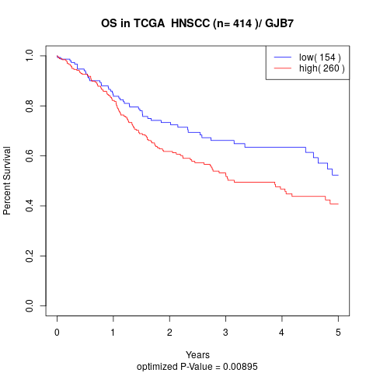

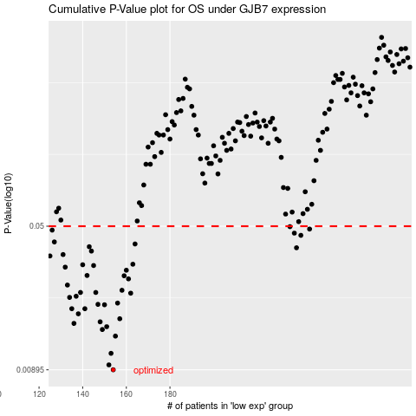

 |  |  |  |  |  | cases_OS | p_OS | rank | exp
 |  |  |  |  |  | 154 | 0.00895 | 239 | -0.67326455122
 |  |  |  |  |  | 152 | 0.00949 | 211 | -0.68957157205
 |  |  |  |  |  | 153 | 0.0109 | 136 | -0.68652436488
 |  |  |  |  |  | 155 | 0.0134 | 241 | -0.66996999752
 |  |  |  |  |  | 149 | 0.0145 | 284 | -0.70494530599
 |  |  |  |  |  | 151 | 0.015 | 232 | -0.69513049393
 |  |  |  |  |  | 136 | 0.0156 | 302 | -0.7476597557
 |  |  |  |  |  | 148 | 0.0159 | 395 | -0.71787872423
 |  |  |  |  |  | 157 | 0.0165 | 355 | -0.65974974116
 |  |  |  |  |  | 138 | 0.0175 | 202 | -0.74618077648
 |  |  |  |  |  | 135 | 0.0186 | 162 | -0.74809324961
 |  |  |  |  |  | 141 | 0.0186 | 349 | -0.73250021875
 |  |  |  |  |  | 150 | 0.0195 | 49 | -0.7000850743
 |  |  |  |  |  | 147 | 0.0196 | 324 | -0.7210687294
 |  |  |  |  |  | 156 | 0.0199 | 288 | -0.66923305788
 |  |  |  |  |  | 134 | 0.0213 | 367 | -0.75174989822
 |  |  |  |  |  | 137 | 0.0216 | 31 | -0.74695086566
 |  |  |  |  |  | 162 | 0.0224 | 283 | -0.60411972296
 |  |  |  |  |  | 146 | 0.0226 | 16 | -0.72187196811
 |  |  |  |  |  | 139 | 0.0226 | 229 | -0.74456919913
 |  |  |  |  |  | 158 | 0.0232 | 153 | -0.65714112782
 |  |  |  |  |  | 133 | 0.0247 | 103 | -0.75566154324
 |  |  |  |  |  | 161 | 0.0266 | 290 | -0.64386091445
 |  |  |  |  |  | 159 | 0.0276 | 218 | -0.65429536781
 |  |  |  |  |  | 142 | 0.0277 | 78 | -0.73238547036
 |  |  |  |  |  | 160 | 0.0295 | 147 | -0.65344367978
 |  |  |  |  |  | 132 | 0.0306 | 365 | -0.7563117841
 |  |  |  |  |  | 145 | 0.0312 | 120 | -0.72624260669
 |  |  |  |  |  | 140 | 0.0315 | 230 | -0.74333756644
 |  |  |  |  |  | 163 | 0.0317 | 143 | -0.60339043321
 |  |  |  |  |  | 125 | 0.035 | 67 | -0.76109551687
 |  |  |  |  |  | 131 | 0.0356 | 316 | -0.75649283156
 |  |  |  |  |  | 144 | 0.0371 | 167 | -0.72663020124
 |  |  |  |  |  | 238 | 0.0386 | 377 | -0.034697425447
 |  |  |  |  |  | 143 | 0.0391 | 298 | -0.72936886275
 |  |  |  |  |  | 164 | 0.0404 | 52 | -0.59919064224
 |  |  |  |  |  | 127 | 0.0414 | 281 | -0.75982053479
 |  |  |  |  |  | 240 | 0.0448 | 23 | -0.015432446191
 |  |  |  |  |  | 237 | 0.046 | 407 | -0.049301070212
 |  |  |  |  |  | 126 | 0.0477 | 340 | -0.76106236734
 |  |  |  |  |  | 244 | 0.0483 | 159 | 0.024097098273
 |  |  |  |  |  | 235 | 0.0497 | 371 | -0.079005602754
 |  |  |  |  |  |  | cases_RFS | p_RFS | rank | exp
 |  |  |  |  |  |  | 153 | 0.00895 | 136 | -0.68652436488
 |  |  |  |  |  |  | 151 | 0.00949 | 232 | -0.69513049393
 |  |  |  |  |  |  | 152 | 0.0109 | 211 | -0.68957157205
 |  |  |  |  |  |  | 154 | 0.0134 | 239 | -0.67326455122
 |  |  |  |  |  |  | 148 | 0.0145 | 395 | -0.71787872423
 |  |  |  |  |  |  | 150 | 0.015 | 49 | -0.7000850743
 |  |  |  |  |  |  | 135 | 0.0156 | 162 | -0.74809324961
 |  |  |  |  |  |  | 147 | 0.0159 | 324 | -0.7210687294
 |  |  |  |  |  |  | 156 | 0.0165 | 288 | -0.66923305788
 |  |  |  |  |  |  | 137 | 0.0175 | 31 | -0.74695086566
 |  |  |  |  |  |  | 140 | 0.0186 | 230 | -0.74333756644
 |  |  |  |  |  |  | 134 | 0.0186 | 367 | -0.75174989822
 |  |  |  |  |  |  | 149 | 0.0195 | 284 | -0.70494530599
 |  |  |  |  |  |  | 146 | 0.0196 | 16 | -0.72187196811
 |  |  |  |  |  |  | 155 | 0.0199 | 241 | -0.66996999752
 |  |  |  |  |  |  | 133 | 0.0213 | 103 | -0.75566154324
 |  |  |  |  |  |  | 136 | 0.0216 | 302 | -0.7476597557
 |  |  |  |  |  |  | 161 | 0.0224 | 290 | -0.64386091445
 |  |  |  |  |  |  | 145 | 0.0226 | 120 | -0.72624260669
 |  |  |  |  |  |  | 138 | 0.0226 | 202 | -0.74618077648
 |  |  |  |  |  |  | 157 | 0.0232 | 355 | -0.65974974116
 |  |  |  |  |  |  | 132 | 0.0247 | 365 | -0.7563117841
 |  |  |  |  |  |  | 160 | 0.0266 | 147 | -0.65344367978
 |  |  |  |  |  |  | 158 | 0.0276 | 153 | -0.65714112782
 |  |  |  |  |  |  | 141 | 0.0277 | 349 | -0.73250021875
 |  |  |  |  |  |  | 159 | 0.0295 | 218 | -0.65429536781
 |  |  |  |  |  |  | 131 | 0.0306 | 316 | -0.75649283156
 |  |  |  |  |  |  | 144 | 0.0312 | 167 | -0.72663020124
 |  |  |  |  |  |  | 139 | 0.0315 | 229 | -0.74456919913
 |  |  |  |  |  |  | 162 | 0.0317 | 283 | -0.60411972296
 |  |  |  |  |  |  |  | 0.035 | 226 | -0.76196250469
 |  |  |  |  |  |  | 130 | 0.0356 | 184 | -0.75806105952
 |  |  |  |  |  |  | 143 | 0.0371 | 298 | -0.72936886275
 |  |  |  |  |  |  | 237 | 0.0386 | 407 | -0.049301070212
 |  |  |  |  |  |  | 142 | 0.0391 | 78 | -0.73238547036
 |  |  |  |  |  |  | 163 | 0.0404 | 143 | -0.60339043321
 |  |  |  |  |  |  | 126 | 0.0414 | 340 | -0.76106236734
 |  |  |  |  |  |  | 239 | 0.0448 | 18 | -0.01974953552
 |  |  |  |  |  |  | 236 | 0.046 | 406 | -0.073288583099
 |  |  |  |  |  |  | 125 | 0.0477 | 67 | -0.76109551687
 |  |  |  |  |  |  | 243 | 0.0483 | 363 | 0.0039345316311
 |  |  |  |  |  |  | 234 | 0.0497 | 270 | -0.084034132085

