GLB1 _multivariate
Reported by Tex Li-Hsing Chi. tex@gate.sinica.edu.tw 2019-08-19

Table 2. The clinicopathological features of HNSCC cohort and GLB1 expression. (Chi square test)
Cutoff at -0.175 (49.8%)
 |  | GLB1 expression |  | GLB1 expression |  | (Optimised)
 | Features | Low | (%) | High | (%) | Case no | P-value | Remark | Matthews
Gender | Female | 162 | 39 | 144 | 34.7 | 415 | 0.0479 | 1 | 0
2 | Male | 45 | 10.8 | 64 | 15.4
Age at diagnosis | <=65y | 141 | 34 | 133 | 32 | 415 | 0.4272 | 0 | 0
4 | >65y | 66 | 15.9 | 75 | 18.1
Clinical T Status | T1+T2 | 63 | 15.2 | 86 | 20.7 | 415 | 0.0268 | 1 | 0
6 | T3+T4 | 144 | 34.7 | 122 | 29.4
Clinical N Status | N0 | 109 | 26.3 | 107 | 25.8 | 415 | 0.8812 | 0 | 0
8 | N1-3 | 98 | 23.6 | 101 | 24.3
Clinical M Status | M0 | 204 | 49.2 | 208 | 50.1 | 415 | 0.1232 | 0 | 0
10 | M1 | 3 | 0.7 | 0 | 0
Clinical Stage | Stage I+II | 45 | 10.8 | 57 | 13.7 | 415 | 0.2202 | 0 | 0
12 | Stage III+IV | 162 | 39 | 151 | 36.4
Surgical Margin status | Negative | 165 | 39.8 | 153 | 36.9 | 415 | 0.1639 | 0 | 0
14 | Positive | 42 | 10.1 | 55 | 13.3
Tobacco Exposure | Low | 71 | 17.1 | 90 | 21.7 | 415 | 0.0698 | 0 | 0
16 | High | 136 | 32.8 | 118 | 28.4

Table 3. Univariate/Multivariate Cox's proportional hazards regression analyses on OS time of GLB1 gene expression in HNSCC

 |  | Univariate |  |  |  | Multivariate
 | Features | HR | CI95%(L) | CI95%(H) | P-value | HR | CI95%(L) | CI95%(H) | P-value
1 | Female | 1 |  |  |  | 1
Gender | Male | 1.157 | 0.843 | 1.587 | 0.367 | 1.182 | 0.845 | 1.654 | 0.329
11 | <=65y | 1 |  |  |  | 1
Age at diagnosis | >65y | 1.329 | 0.99 | 1.784 | 0.058 | 1.397 | 1.027 | 1.901 | 0.033
12 | T1+T2 | 1 |  |  |  | 1
Clinical T Status | T3+T4 | 1.409 | 1.028 | 1.931 | 0.033 | 2.288 | 1.204 | 4.346 | 0.012
13 | N0 | 1 |  |  |  | 1
Clinical N Status | N1-3 | 1.185 | 0.89 | 1.577 | 0.246 | 1.25 | 0.876 | 1.783 | 0.219
14 | M0 | 1 |  |  |  | 1
Clinical M Status | M1 | 4.097 | 1.009 | 16.644 | 0.049 | 10.384 | 2.234 | 48.264 | 0.003
15 | Stage I+II | 1 |  |  |  | 1
Clinical Stage | Stage III+IV | 1.245 | 0.882 | 1.759 | 0.213 | 0.493 | 0.229 | 1.06 | 0.07
16 | Negative | 1 |  |  |  | 1
Surgical Margin status | Positive | 1.591 | 1.155 | 2.191 | 0.004 | 1.668 | 1.207 | 2.304 | 0.002
17 | Low | 1 |  |  |  | 1
Tobacco Exposure | High | 1.364 | 1.008 | 1.844 | 0.044 | 1.462 | 1.061 | 2.015 | 0.02
18 | Low | 1 |  |  |  | 1
RNAseq(z-score) | High | 1.071 | 0.804 | 1.428 | 0.639 | 1.157 | 0.861 | 1.555 | 0.333

Table 4. Univariate/Multivariate Cox's proportional hazards regression analyses on RFS time of GLB1 gene expression in HNSCC

 |  | Univariate |  |  |  | Multivariate
 | Features | HR | CI95%(L) | CI95%(H) | P-value | HR | CI95%(L) | CI95%(H) | P-value
1 | Female | 1 |  |  |  | 1
Gender | Male | 1.157 | 0.843 | 1.587 | 0.367 | 1.182 | 0.845 | 1.654 | 0.329
11 | <=65y | 1 |  |  |  | 1
Age at diagnosis | >65y | 1.329 | 0.99 | 1.784 | 0.058 | 1.397 | 1.027 | 1.901 | 0.033
12 | T1+T2 | 1 |  |  |  | 1
Clinical T Status | T3+T4 | 1.409 | 1.028 | 1.931 | 0.033 | 2.288 | 1.204 | 4.346 | 0.012
13 | N0 | 1 |  |  |  | 1
Clinical N Status | N1-3 | 1.185 | 0.89 | 1.577 | 0.246 | 1.25 | 0.876 | 1.783 | 0.219
14 | M0 | 1 |  |  |  | 1
Clinical M Status | M1 | 4.097 | 1.009 | 16.644 | 0.049 | 10.384 | 2.234 | 48.264 | 0.003
15 | Stage I+II | 1 |  |  |  | 1
Clinical Stage | Stage III+IV | 1.245 | 0.882 | 1.759 | 0.213 | 0.493 | 0.229 | 1.06 | 0.07
16 | Negative | 1 |  |  |  | 1
Surgical Margin status | Positive | 1.591 | 1.155 | 2.191 | 0.004 | 1.668 | 1.207 | 2.304 | 0.002
17 | Low | 1 |  |  |  | 1
Tobacco Exposure | High | 1.364 | 1.008 | 1.844 | 0.044 | 1.462 | 1.061 | 2.015 | 0.02
18 | Low | 1 |  |  |  | 1
RNAseq(z-score) | High | 1.071 | 0.804 | 1.428 | 0.639 | 1.157 | 0.861 | 1.555 | 0.333

Kaplan-Meier survival estimate: Cutoff at -0.175 (49.8%)



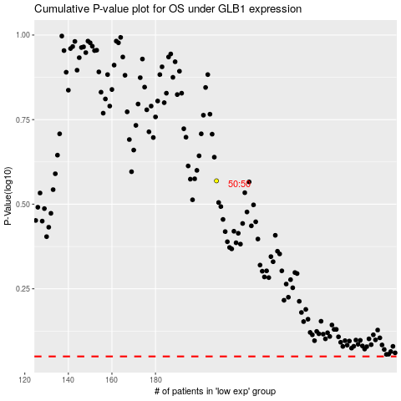

 |  |  |  |  |  | cases_OS | p_OS | rank | exp
 |  |  |  |  |  |  | cases_RFS | p_RFS | rank | exp

