GLB1L _multivariate
Reported by Tex Li-Hsing Chi. tex@gate.sinica.edu.tw 2019-08-19

Table 2. The clinicopathological features of HNSCC cohort and GLB1L expression. (Chi square test)
Cutoff at -0.365 (49.8%)
 |  | GLB1L expression |  | GLB1L expression |  | (Optimised)
 | Features | Low | (%) | High | (%) | Case no | P-value | Remark | Matthews
Gender | Female | 151 | 36.4 | 155 | 37.3 | 415 | 0.8007 | 0 | 0
2 | Male | 56 | 13.5 | 53 | 12.8
Age at diagnosis | <=65y | 126 | 30.4 | 148 | 35.7 | 415 | 0.035 | 1 | 0
4 | >65y | 81 | 19.5 | 60 | 14.5
Clinical T Status | T1+T2 | 68 | 16.4 | 81 | 19.5 | 415 | 0.2336 | 0 | 0
6 | T3+T4 | 139 | 33.5 | 127 | 30.6
Clinical N Status | N0 | 107 | 25.8 | 109 | 26.3 | 415 | 0.9624 | 0 | 0
8 | N1-3 | 100 | 24.1 | 99 | 23.9
Clinical M Status | M0 | 205 | 49.4 | 207 | 49.9 | 415 | 0.6232 | 0 | 0
10 | M1 | 2 | 0.5 | 1 | 0.2
Clinical Stage | Stage I+II | 49 | 11.8 | 53 | 12.8 | 415 | 0.7535 | 0 | 0
12 | Stage III+IV | 158 | 38.1 | 155 | 37.3
Surgical Margin status | Negative | 159 | 38.3 | 159 | 38.3 | 415 | 1 | 0 | 0
14 | Positive | 48 | 11.6 | 49 | 11.8
Tobacco Exposure | Low | 87 | 21 | 74 | 17.8 | 415 | 0.1911 | 0 | 0
16 | High | 120 | 28.9 | 134 | 32.3

Table 3. Univariate/Multivariate Cox's proportional hazards regression analyses on OS time of GLB1L gene expression in HNSCC

 |  | Univariate |  |  |  | Multivariate
 | Features | HR | CI95%(L) | CI95%(H) | P-value | HR | CI95%(L) | CI95%(H) | P-value
1 | Female | 1 |  |  |  | 1
Gender | Male | 1.157 | 0.843 | 1.587 | 0.367 | 1.203 | 0.86 | 1.683 | 0.28
11 | <=65y | 1 |  |  |  | 1
Age at diagnosis | >65y | 1.329 | 0.99 | 1.784 | 0.058 | 1.389 | 1.019 | 1.894 | 0.037
12 | T1+T2 | 1 |  |  |  | 1
Clinical T Status | T3+T4 | 1.409 | 1.028 | 1.931 | 0.033 | 2.199 | 1.162 | 4.162 | 0.015
13 | N0 | 1 |  |  |  | 1
Clinical N Status | N1-3 | 1.185 | 0.89 | 1.577 | 0.246 | 1.24 | 0.869 | 1.77 | 0.236
14 | M0 | 1 |  |  |  | 1
Clinical M Status | M1 | 4.097 | 1.009 | 16.644 | 0.049 | 9.391 | 2.048 | 43.071 | 0.004
15 | Stage I+II | 1 |  |  |  | 1
Clinical Stage | Stage III+IV | 1.245 | 0.882 | 1.759 | 0.213 | 0.505 | 0.235 | 1.085 | 0.08
16 | Negative | 1 |  |  |  | 1
Surgical Margin status | Positive | 1.591 | 1.155 | 2.191 | 0.004 | 1.674 | 1.209 | 2.316 | 0.002
17 | Low | 1 |  |  |  | 1
Tobacco Exposure | High | 1.364 | 1.008 | 1.844 | 0.044 | 1.455 | 1.054 | 2.01 | 0.023
18 | Low | 1 |  |  |  | 1
RNAseq(z-score) | High | 0.981 | 0.736 | 1.307 | 0.896 | 0.988 | 0.736 | 1.326 | 0.937

Table 4. Univariate/Multivariate Cox's proportional hazards regression analyses on RFS time of GLB1L gene expression in HNSCC

 |  | Univariate |  |  |  | Multivariate
 | Features | HR | CI95%(L) | CI95%(H) | P-value | HR | CI95%(L) | CI95%(H) | P-value
1 | Female | 1 |  |  |  | 1
Gender | Male | 1.157 | 0.843 | 1.587 | 0.367 | 1.203 | 0.86 | 1.683 | 0.28
11 | <=65y | 1 |  |  |  | 1
Age at diagnosis | >65y | 1.329 | 0.99 | 1.784 | 0.058 | 1.389 | 1.019 | 1.894 | 0.037
12 | T1+T2 | 1 |  |  |  | 1
Clinical T Status | T3+T4 | 1.409 | 1.028 | 1.931 | 0.033 | 2.199 | 1.162 | 4.162 | 0.015
13 | N0 | 1 |  |  |  | 1
Clinical N Status | N1-3 | 1.185 | 0.89 | 1.577 | 0.246 | 1.24 | 0.869 | 1.77 | 0.236
14 | M0 | 1 |  |  |  | 1
Clinical M Status | M1 | 4.097 | 1.009 | 16.644 | 0.049 | 9.391 | 2.048 | 43.071 | 0.004
15 | Stage I+II | 1 |  |  |  | 1
Clinical Stage | Stage III+IV | 1.245 | 0.882 | 1.759 | 0.213 | 0.505 | 0.235 | 1.085 | 0.08
16 | Negative | 1 |  |  |  | 1
Surgical Margin status | Positive | 1.591 | 1.155 | 2.191 | 0.004 | 1.674 | 1.209 | 2.316 | 0.002
17 | Low | 1 |  |  |  | 1
Tobacco Exposure | High | 1.364 | 1.008 | 1.844 | 0.044 | 1.455 | 1.054 | 2.01 | 0.023
18 | Low | 1 |  |  |  | 1
RNAseq(z-score) | High | 0.981 | 0.736 | 1.307 | 0.896 | 0.988 | 0.736 | 1.326 | 0.937

Kaplan-Meier survival estimate: Cutoff at -0.365 (49.8%)



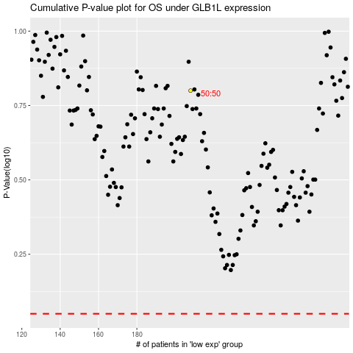

 |  |  |  |  |  | cases_OS | p_OS | rank | exp
 |  |  |  |  |  |  | cases_RFS | p_RFS | rank | exp

