GLB1L2 _multivariate
Reported by Tex Li-Hsing Chi. tex@gate.sinica.edu.tw 2019-08-19

Table 2. The clinicopathological features of HNSCC cohort and GLB1L2 expression. (Chi square test)
Cutoff at -0.423 (49.8%)
 |  | GLB1L2 expression |  | GLB1L2 expression |  | (Optimised)
 | Features | Low | (%) | High | (%) | Case no | P-value | Remark | Matthews
Gender | Female | 140 | 33.7 | 166 | 40 | 415 | 0.0068 | 1 | 0
2 | Male | 67 | 16.1 | 42 | 10.1
Age at diagnosis | <=65y | 124 | 29.9 | 150 | 36.1 | 415 | 0.0116 | 1 | 0
4 | >65y | 83 | 20 | 58 | 14
Clinical T Status | T1+T2 | 82 | 19.8 | 67 | 16.1 | 415 | 0.1417 | 0 | 0
6 | T3+T4 | 125 | 30.1 | 141 | 34
Clinical N Status | N0 | 110 | 26.5 | 106 | 25.5 | 415 | 0.7294 | 0 | 0
8 | N1-3 | 97 | 23.4 | 102 | 24.6
Clinical M Status | M0 | 205 | 49.4 | 207 | 49.9 | 415 | 0.6232 | 0 | 0
10 | M1 | 2 | 0.5 | 1 | 0.2
Clinical Stage | Stage I+II | 60 | 14.5 | 42 | 10.1 | 415 | 0.0493 | 1 | 0
12 | Stage III+IV | 147 | 35.4 | 166 | 40
Surgical Margin status | Negative | 158 | 38.1 | 160 | 38.6 | 415 | 0.9081 | 0 | 0
14 | Positive | 49 | 11.8 | 48 | 11.6
Tobacco Exposure | Low | 105 | 25.3 | 56 | 13.5 | 415 | 0 | 1 | 0
16 | High | 102 | 24.6 | 152 | 36.6

Table 3. Univariate/Multivariate Cox's proportional hazards regression analyses on OS time of GLB1L2 gene expression in HNSCC

 |  | Univariate |  |  |  | Multivariate
 | Features | HR | CI95%(L) | CI95%(H) | P-value | HR | CI95%(L) | CI95%(H) | P-value
1 | Female | 1 |  |  |  | 1
Gender | Male | 1.157 | 0.843 | 1.587 | 0.367 | 1.195 | 0.855 | 1.67 | 0.296
11 | <=65y | 1 |  |  |  | 1
Age at diagnosis | >65y | 1.329 | 0.99 | 1.784 | 0.058 | 1.382 | 1.016 | 1.879 | 0.039
12 | T1+T2 | 1 |  |  |  | 1
Clinical T Status | T3+T4 | 1.409 | 1.028 | 1.931 | 0.033 | 2.172 | 1.148 | 4.111 | 0.017
13 | N0 | 1 |  |  |  | 1
Clinical N Status | N1-3 | 1.185 | 0.89 | 1.577 | 0.246 | 1.236 | 0.866 | 1.763 | 0.243
14 | M0 | 1 |  |  |  | 1
Clinical M Status | M1 | 4.097 | 1.009 | 16.644 | 0.049 | 8.918 | 1.937 | 41.061 | 0.005
15 | Stage I+II | 1 |  |  |  | 1
Clinical Stage | Stage III+IV | 1.245 | 0.882 | 1.759 | 0.213 | 0.516 | 0.24 | 1.109 | 0.09
16 | Negative | 1 |  |  |  | 1
Surgical Margin status | Positive | 1.591 | 1.155 | 2.191 | 0.004 | 1.68 | 1.216 | 2.322 | 0.002
17 | Low | 1 |  |  |  | 1
Tobacco Exposure | High | 1.364 | 1.008 | 1.844 | 0.044 | 1.505 | 1.082 | 2.095 | 0.015
18 | Low | 1 |  |  |  | 1
RNAseq(z-score) | High | 0.918 | 0.688 | 1.223 | 0.558 | 0.872 | 0.646 | 1.177 | 0.371

Table 4. Univariate/Multivariate Cox's proportional hazards regression analyses on RFS time of GLB1L2 gene expression in HNSCC

 |  | Univariate |  |  |  | Multivariate
 | Features | HR | CI95%(L) | CI95%(H) | P-value | HR | CI95%(L) | CI95%(H) | P-value
1 | Female | 1 |  |  |  | 1
Gender | Male | 1.157 | 0.843 | 1.587 | 0.367 | 1.195 | 0.855 | 1.67 | 0.296
11 | <=65y | 1 |  |  |  | 1
Age at diagnosis | >65y | 1.329 | 0.99 | 1.784 | 0.058 | 1.382 | 1.016 | 1.879 | 0.039
12 | T1+T2 | 1 |  |  |  | 1
Clinical T Status | T3+T4 | 1.409 | 1.028 | 1.931 | 0.033 | 2.172 | 1.148 | 4.111 | 0.017
13 | N0 | 1 |  |  |  | 1
Clinical N Status | N1-3 | 1.185 | 0.89 | 1.577 | 0.246 | 1.236 | 0.866 | 1.763 | 0.243
14 | M0 | 1 |  |  |  | 1
Clinical M Status | M1 | 4.097 | 1.009 | 16.644 | 0.049 | 8.918 | 1.937 | 41.061 | 0.005
15 | Stage I+II | 1 |  |  |  | 1
Clinical Stage | Stage III+IV | 1.245 | 0.882 | 1.759 | 0.213 | 0.516 | 0.24 | 1.109 | 0.09
16 | Negative | 1 |  |  |  | 1
Surgical Margin status | Positive | 1.591 | 1.155 | 2.191 | 0.004 | 1.68 | 1.216 | 2.322 | 0.002
17 | Low | 1 |  |  |  | 1
Tobacco Exposure | High | 1.364 | 1.008 | 1.844 | 0.044 | 1.505 | 1.082 | 2.095 | 0.015
18 | Low | 1 |  |  |  | 1
RNAseq(z-score) | High | 0.918 | 0.688 | 1.223 | 0.558 | 0.872 | 0.646 | 1.177 | 0.371

Kaplan-Meier survival estimate: Cutoff at -0.423 (49.8%)



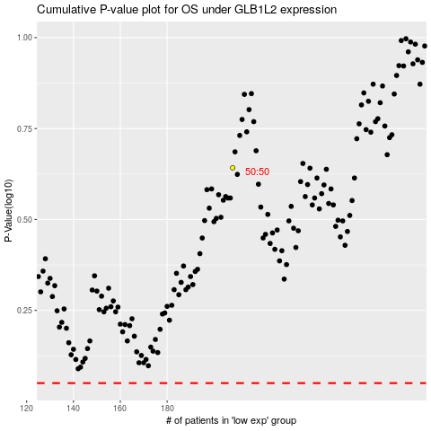

 |  |  |  |  |  | cases_OS | p_OS | rank | exp
 |  |  |  |  |  |  | cases_RFS | p_RFS | rank | exp

