GLB1L3 _multivariate
Reported by Tex Li-Hsing Chi. tex@gate.sinica.edu.tw 2019-08-19

Table 2. The clinicopathological features of HNSCC cohort and GLB1L3 expression. (Chi square test)
Cutoff at -0.277 (50.0%)
 |  | GLB1L3 expression |  | GLB1L3 expression |  | (Optimised)
 | Features | Low | (%) | High | (%) | Case no | P-value | Remark | Matthews
Gender | Female | 154 | 37.1 | 152 | 36.6 | 415 | 0.8463 | 0 | 0
2 | Male | 53 | 12.8 | 56 | 13.5
Age at diagnosis | <=65y | 129 | 31.1 | 145 | 34.9 | 415 | 0.1372 | 0 | 0
4 | >65y | 78 | 18.8 | 63 | 15.2
Clinical T Status | T1+T2 | 83 | 20 | 66 | 15.9 | 415 | 0.0941 | 0 | 0
6 | T3+T4 | 124 | 29.9 | 142 | 34.2
Clinical N Status | N0 | 103 | 24.8 | 113 | 27.2 | 415 | 0.4047 | 0 | 0
8 | N1-3 | 104 | 25.1 | 95 | 22.9
Clinical M Status | M0 | 205 | 49.4 | 207 | 49.9 | 415 | 0.6232 | 0 | 0
10 | M1 | 2 | 0.5 | 1 | 0.2
Clinical Stage | Stage I+II | 54 | 13 | 48 | 11.6 | 415 | 0.5498 | 0 | 0
12 | Stage III+IV | 153 | 36.9 | 160 | 38.6
Surgical Margin status | Negative | 156 | 37.6 | 162 | 39 | 415 | 0.5636 | 0 | 0
14 | Positive | 51 | 12.3 | 46 | 11.1
Tobacco Exposure | Low | 82 | 19.8 | 79 | 19 | 415 | 0.763 | 0 | 0
16 | High | 125 | 30.1 | 129 | 31.1

Table 3. Univariate/Multivariate Cox's proportional hazards regression analyses on OS time of GLB1L3 gene expression in HNSCC

 |  | Univariate |  |  |  | Multivariate
 | Features | HR | CI95%(L) | CI95%(H) | P-value | HR | CI95%(L) | CI95%(H) | P-value
1 | Female | 1 |  |  |  | 1
Gender | Male | 1.157 | 0.843 | 1.587 | 0.367 | 1.214 | 0.869 | 1.697 | 0.256
11 | <=65y | 1 |  |  |  | 1
Age at diagnosis | >65y | 1.329 | 0.99 | 1.784 | 0.058 | 1.383 | 1.017 | 1.88 | 0.039
12 | T1+T2 | 1 |  |  |  | 1
Clinical T Status | T3+T4 | 1.409 | 1.028 | 1.931 | 0.033 | 2.233 | 1.181 | 4.225 | 0.014
13 | N0 | 1 |  |  |  | 1
Clinical N Status | N1-3 | 1.185 | 0.89 | 1.577 | 0.246 | 1.228 | 0.86 | 1.753 | 0.259
14 | M0 | 1 |  |  |  | 1
Clinical M Status | M1 | 4.097 | 1.009 | 16.644 | 0.049 | 9.482 | 2.068 | 43.466 | 0.004
15 | Stage I+II | 1 |  |  |  | 1
Clinical Stage | Stage III+IV | 1.245 | 0.882 | 1.759 | 0.213 | 0.503 | 0.234 | 1.079 | 0.078
16 | Negative | 1 |  |  |  | 1
Surgical Margin status | Positive | 1.591 | 1.155 | 2.191 | 0.004 | 1.671 | 1.209 | 2.309 | 0.002
17 | Low | 1 |  |  |  | 1
Tobacco Exposure | High | 1.364 | 1.008 | 1.844 | 0.044 | 1.471 | 1.065 | 2.03 | 0.019
18 | Low | 1 |  |  |  | 1
RNAseq(z-score) | High | 0.922 | 0.692 | 1.228 | 0.578 | 0.885 | 0.661 | 1.183 | 0.408

Table 4. Univariate/Multivariate Cox's proportional hazards regression analyses on RFS time of GLB1L3 gene expression in HNSCC

 |  | Univariate |  |  |  | Multivariate
 | Features | HR | CI95%(L) | CI95%(H) | P-value | HR | CI95%(L) | CI95%(H) | P-value
1 | Female | 1 |  |  |  | 1
Gender | Male | 1.157 | 0.843 | 1.587 | 0.367 | 1.214 | 0.869 | 1.697 | 0.256
11 | <=65y | 1 |  |  |  | 1
Age at diagnosis | >65y | 1.329 | 0.99 | 1.784 | 0.058 | 1.383 | 1.017 | 1.88 | 0.039
12 | T1+T2 | 1 |  |  |  | 1
Clinical T Status | T3+T4 | 1.409 | 1.028 | 1.931 | 0.033 | 2.233 | 1.181 | 4.225 | 0.014
13 | N0 | 1 |  |  |  | 1
Clinical N Status | N1-3 | 1.185 | 0.89 | 1.577 | 0.246 | 1.228 | 0.86 | 1.753 | 0.259
14 | M0 | 1 |  |  |  | 1
Clinical M Status | M1 | 4.097 | 1.009 | 16.644 | 0.049 | 9.482 | 2.068 | 43.466 | 0.004
15 | Stage I+II | 1 |  |  |  | 1
Clinical Stage | Stage III+IV | 1.245 | 0.882 | 1.759 | 0.213 | 0.503 | 0.234 | 1.079 | 0.078
16 | Negative | 1 |  |  |  | 1
Surgical Margin status | Positive | 1.591 | 1.155 | 2.191 | 0.004 | 1.671 | 1.209 | 2.309 | 0.002
17 | Low | 1 |  |  |  | 1
Tobacco Exposure | High | 1.364 | 1.008 | 1.844 | 0.044 | 1.471 | 1.065 | 2.03 | 0.019
18 | Low | 1 |  |  |  | 1
RNAseq(z-score) | High | 0.922 | 0.692 | 1.228 | 0.578 | 0.885 | 0.661 | 1.183 | 0.408

Kaplan-Meier survival estimate: Cutoff at -0.277 (50.0%)



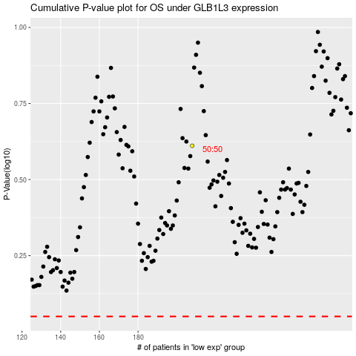

 |  |  |  |  |  | cases_OS | p_OS | rank | exp
 |  |  |  |  |  |  | cases_RFS | p_RFS | rank | exp

