GLE1 _multivariate
Reported by Tex Li-Hsing Chi. tex@gate.sinica.edu.tw 2019-08-19

Table 2. The clinicopathological features of HNSCC cohort and GLE1 expression. (Chi square test)
Cutoff at -0.188 (49.8%)
 |  | GLE1 expression |  | GLE1 expression |  | (Optimised)
 | Features | Low | (%) | High | (%) | Case no | P-value | Remark | Matthews
Gender | Female | 148 | 35.7 | 158 | 38.1 | 415 | 0.3567 | 0 | 0
2 | Male | 59 | 14.2 | 50 | 12
Age at diagnosis | <=65y | 141 | 34 | 133 | 32 | 415 | 0.4272 | 0 | 0
4 | >65y | 66 | 15.9 | 75 | 18.1
Clinical T Status | T1+T2 | 71 | 17.1 | 78 | 18.8 | 415 | 0.5638 | 0 | 0
6 | T3+T4 | 136 | 32.8 | 130 | 31.3
Clinical N Status | N0 | 105 | 25.3 | 111 | 26.7 | 415 | 0.6598 | 0 | 0
8 | N1-3 | 102 | 24.6 | 97 | 23.4
Clinical M Status | M0 | 205 | 49.4 | 207 | 49.9 | 415 | 0.6232 | 0 | 0
10 | M1 | 2 | 0.5 | 1 | 0.2
Clinical Stage | Stage I+II | 49 | 11.8 | 53 | 12.8 | 415 | 0.7535 | 0 | 0
12 | Stage III+IV | 158 | 38.1 | 155 | 37.3
Surgical Margin status | Negative | 163 | 39.3 | 155 | 37.3 | 415 | 0.3537 | 0 | 0
14 | Positive | 44 | 10.6 | 53 | 12.8
Tobacco Exposure | Low | 79 | 19 | 82 | 19.8 | 415 | 0.8405 | 0 | 0
16 | High | 128 | 30.8 | 126 | 30.4

Table 3. Univariate/Multivariate Cox's proportional hazards regression analyses on OS time of GLE1 gene expression in HNSCC

 |  | Univariate |  |  |  | Multivariate
 | Features | HR | CI95%(L) | CI95%(H) | P-value | HR | CI95%(L) | CI95%(H) | P-value
1 | Female | 1 |  |  |  | 1
Gender | Male | 1.157 | 0.843 | 1.587 | 0.367 | 1.211 | 0.866 | 1.694 | 0.264
11 | <=65y | 1 |  |  |  | 1
Age at diagnosis | >65y | 1.329 | 0.99 | 1.784 | 0.058 | 1.378 | 1.011 | 1.878 | 0.042
12 | T1+T2 | 1 |  |  |  | 1
Clinical T Status | T3+T4 | 1.409 | 1.028 | 1.931 | 0.033 | 2.2 | 1.163 | 4.159 | 0.015
13 | N0 | 1 |  |  |  | 1
Clinical N Status | N1-3 | 1.185 | 0.89 | 1.577 | 0.246 | 1.243 | 0.871 | 1.774 | 0.231
14 | M0 | 1 |  |  |  | 1
Clinical M Status | M1 | 4.097 | 1.009 | 16.644 | 0.049 | 9.617 | 2.093 | 44.186 | 0.004
15 | Stage I+II | 1 |  |  |  | 1
Clinical Stage | Stage III+IV | 1.245 | 0.882 | 1.759 | 0.213 | 0.504 | 0.235 | 1.081 | 0.079
16 | Negative | 1 |  |  |  | 1
Surgical Margin status | Positive | 1.591 | 1.155 | 2.191 | 0.004 | 1.656 | 1.196 | 2.293 | 0.002
17 | Low | 1 |  |  |  | 1
Tobacco Exposure | High | 1.364 | 1.008 | 1.844 | 0.044 | 1.458 | 1.058 | 2.01 | 0.021
18 | Low | 1 |  |  |  | 1
RNAseq(z-score) | High | 1.108 | 0.832 | 1.476 | 0.484 | 1.079 | 0.804 | 1.449 | 0.611

Table 4. Univariate/Multivariate Cox's proportional hazards regression analyses on RFS time of GLE1 gene expression in HNSCC

 |  | Univariate |  |  |  | Multivariate
 | Features | HR | CI95%(L) | CI95%(H) | P-value | HR | CI95%(L) | CI95%(H) | P-value
1 | Female | 1 |  |  |  | 1
Gender | Male | 1.157 | 0.843 | 1.587 | 0.367 | 1.211 | 0.866 | 1.694 | 0.264
11 | <=65y | 1 |  |  |  | 1
Age at diagnosis | >65y | 1.329 | 0.99 | 1.784 | 0.058 | 1.378 | 1.011 | 1.878 | 0.042
12 | T1+T2 | 1 |  |  |  | 1
Clinical T Status | T3+T4 | 1.409 | 1.028 | 1.931 | 0.033 | 2.2 | 1.163 | 4.159 | 0.015
13 | N0 | 1 |  |  |  | 1
Clinical N Status | N1-3 | 1.185 | 0.89 | 1.577 | 0.246 | 1.243 | 0.871 | 1.774 | 0.231
14 | M0 | 1 |  |  |  | 1
Clinical M Status | M1 | 4.097 | 1.009 | 16.644 | 0.049 | 9.617 | 2.093 | 44.186 | 0.004
15 | Stage I+II | 1 |  |  |  | 1
Clinical Stage | Stage III+IV | 1.245 | 0.882 | 1.759 | 0.213 | 0.504 | 0.235 | 1.081 | 0.079
16 | Negative | 1 |  |  |  | 1
Surgical Margin status | Positive | 1.591 | 1.155 | 2.191 | 0.004 | 1.656 | 1.196 | 2.293 | 0.002
17 | Low | 1 |  |  |  | 1
Tobacco Exposure | High | 1.364 | 1.008 | 1.844 | 0.044 | 1.458 | 1.058 | 2.01 | 0.021
18 | Low | 1 |  |  |  | 1
RNAseq(z-score) | High | 1.108 | 0.832 | 1.476 | 0.484 | 1.079 | 0.804 | 1.449 | 0.611

Kaplan-Meier survival estimate: Cutoff at -0.188 (49.8%)



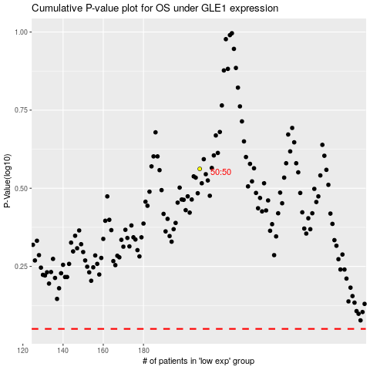

 |  |  |  |  |  | cases_OS | p_OS | rank | exp
 |  |  |  |  |  |  | cases_RFS | p_RFS | rank | exp

