GLI2 _multivariate
Reported by Tex Li-Hsing Chi. tex@gate.sinica.edu.tw 2019-08-19

Table 2. The clinicopathological features of HNSCC cohort and GLI2 expression. (Chi square test)
Cutoff at -0.217 (50.0%)
 |  | GLI2 expression |  | GLI2 expression |  | (Optimised)
 | Features | Low | (%) | High | (%) | Case no | P-value | Remark | Matthews
Gender | Female | 142 | 34.2 | 164 | 39.5 | 415 | 0.0238 | 1 | 0
2 | Male | 65 | 15.7 | 44 | 10.6
Age at diagnosis | <=65y | 130 | 31.3 | 144 | 34.7 | 415 | 0.2009 | 0 | 0
4 | >65y | 77 | 18.6 | 64 | 15.4
Clinical T Status | T1+T2 | 77 | 18.6 | 72 | 17.3 | 415 | 0.6556 | 0 | 0
6 | T3+T4 | 130 | 31.3 | 136 | 32.8
Clinical N Status | N0 | 102 | 24.6 | 114 | 27.5 | 415 | 0.3031 | 0 | 0
8 | N1-3 | 105 | 25.3 | 94 | 22.7
Clinical M Status | M0 | 206 | 49.6 | 206 | 49.6 | 415 | 1 | 0 | 0
10 | M1 | 1 | 0.2 | 2 | 0.5
Clinical Stage | Stage I+II | 50 | 12 | 52 | 12.5 | 415 | 0.9315 | 0 | 0
12 | Stage III+IV | 157 | 37.8 | 156 | 37.6
Surgical Margin status | Negative | 150 | 36.1 | 168 | 40.5 | 415 | 0.0492 | 1 | 0
14 | Positive | 57 | 13.7 | 40 | 9.6
Tobacco Exposure | Low | 104 | 25.1 | 57 | 13.7 | 415 | 0 | 1 | 0
16 | High | 103 | 24.8 | 151 | 36.4

Table 3. Univariate/Multivariate Cox's proportional hazards regression analyses on OS time of GLI2 gene expression in HNSCC

 |  | Univariate |  |  |  | Multivariate
 | Features | HR | CI95%(L) | CI95%(H) | P-value | HR | CI95%(L) | CI95%(H) | P-value
1 | Female | 1 |  |  |  | 1
Gender | Male | 1.157 | 0.843 | 1.587 | 0.367 | 1.199 | 0.856 | 1.678 | 0.291
11 | <=65y | 1 |  |  |  | 1
Age at diagnosis | >65y | 1.329 | 0.99 | 1.784 | 0.058 | 1.392 | 1.024 | 1.892 | 0.035
12 | T1+T2 | 1 |  |  |  | 1
Clinical T Status | T3+T4 | 1.409 | 1.028 | 1.931 | 0.033 | 2.209 | 1.166 | 4.183 | 0.015
13 | N0 | 1 |  |  |  | 1
Clinical N Status | N1-3 | 1.185 | 0.89 | 1.577 | 0.246 | 1.239 | 0.868 | 1.769 | 0.238
14 | M0 | 1 |  |  |  | 1
Clinical M Status | M1 | 4.097 | 1.009 | 16.644 | 0.049 | 9.454 | 2.058 | 43.418 | 0.004
15 | Stage I+II | 1 |  |  |  | 1
Clinical Stage | Stage III+IV | 1.245 | 0.882 | 1.759 | 0.213 | 0.504 | 0.235 | 1.082 | 0.079
16 | Negative | 1 |  |  |  | 1
Surgical Margin status | Positive | 1.591 | 1.155 | 2.191 | 0.004 | 1.67 | 1.208 | 2.308 | 0.002
17 | Low | 1 |  |  |  | 1
Tobacco Exposure | High | 1.364 | 1.008 | 1.844 | 0.044 | 1.461 | 1.048 | 2.037 | 0.025
18 | Low | 1 |  |  |  | 1
RNAseq(z-score) | High | 1.021 | 0.767 | 1.36 | 0.886 | 0.98 | 0.722 | 1.331 | 0.897

Table 4. Univariate/Multivariate Cox's proportional hazards regression analyses on RFS time of GLI2 gene expression in HNSCC

 |  | Univariate |  |  |  | Multivariate
 | Features | HR | CI95%(L) | CI95%(H) | P-value | HR | CI95%(L) | CI95%(H) | P-value
1 | Female | 1 |  |  |  | 1
Gender | Male | 1.157 | 0.843 | 1.587 | 0.367 | 1.199 | 0.856 | 1.678 | 0.291
11 | <=65y | 1 |  |  |  | 1
Age at diagnosis | >65y | 1.329 | 0.99 | 1.784 | 0.058 | 1.392 | 1.024 | 1.892 | 0.035
12 | T1+T2 | 1 |  |  |  | 1
Clinical T Status | T3+T4 | 1.409 | 1.028 | 1.931 | 0.033 | 2.209 | 1.166 | 4.183 | 0.015
13 | N0 | 1 |  |  |  | 1
Clinical N Status | N1-3 | 1.185 | 0.89 | 1.577 | 0.246 | 1.239 | 0.868 | 1.769 | 0.238
14 | M0 | 1 |  |  |  | 1
Clinical M Status | M1 | 4.097 | 1.009 | 16.644 | 0.049 | 9.454 | 2.058 | 43.418 | 0.004
15 | Stage I+II | 1 |  |  |  | 1
Clinical Stage | Stage III+IV | 1.245 | 0.882 | 1.759 | 0.213 | 0.504 | 0.235 | 1.082 | 0.079
16 | Negative | 1 |  |  |  | 1
Surgical Margin status | Positive | 1.591 | 1.155 | 2.191 | 0.004 | 1.67 | 1.208 | 2.308 | 0.002
17 | Low | 1 |  |  |  | 1
Tobacco Exposure | High | 1.364 | 1.008 | 1.844 | 0.044 | 1.461 | 1.048 | 2.037 | 0.025
18 | Low | 1 |  |  |  | 1
RNAseq(z-score) | High | 1.021 | 0.767 | 1.36 | 0.886 | 0.98 | 0.722 | 1.331 | 0.897

Kaplan-Meier survival estimate: Cutoff at -0.217 (50.0%)

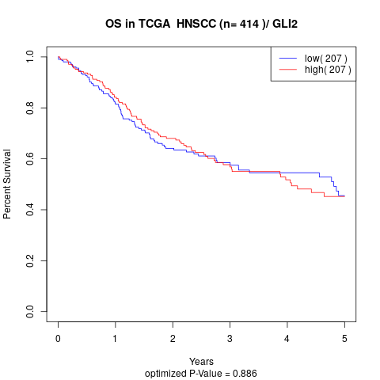

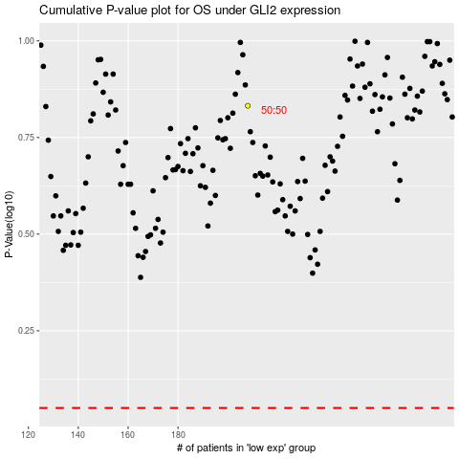

 |  |  |  |  |  | cases_OS | p_OS | rank | exp
 |  |  |  |  |  |  | cases_RFS | p_RFS | rank | exp

