GLI3 _multivariate
Reported by Tex Li-Hsing Chi. tex@gate.sinica.edu.tw 2019-08-19

Table 2. The clinicopathological features of HNSCC cohort and GLI3 expression. (Chi square test)
Cutoff at -0.152 (49.8%)
 |  | GLI3 expression |  | GLI3 expression |  | (Optimised)
 | Features | Low | (%) | High | (%) | Case no | P-value | Remark | Matthews
Gender | Female | 160 | 38.6 | 146 | 35.2 | 415 | 0.1254 | 0 | 0
2 | Male | 47 | 11.3 | 62 | 14.9
Age at diagnosis | <=65y | 133 | 32 | 141 | 34 | 415 | 0.5111 | 0 | 0
4 | >65y | 74 | 17.8 | 67 | 16.1
Clinical T Status | T1+T2 | 70 | 16.9 | 79 | 19 | 415 | 0.4343 | 0 | 0
6 | T3+T4 | 137 | 33 | 129 | 31.1
Clinical N Status | N0 | 100 | 24.1 | 116 | 28 | 415 | 0.1548 | 0 | 0
8 | N1-3 | 107 | 25.8 | 92 | 22.2
Clinical M Status | M0 | 205 | 49.4 | 207 | 49.9 | 415 | 0.6232 | 0 | 0
10 | M1 | 2 | 0.5 | 1 | 0.2
Clinical Stage | Stage I+II | 41 | 9.9 | 61 | 14.7 | 415 | 0.0325 | 1 | 0
12 | Stage III+IV | 166 | 40 | 147 | 35.4
Surgical Margin status | Negative | 151 | 36.4 | 167 | 40.2 | 415 | 0.0828 | 0 | 0
14 | Positive | 56 | 13.5 | 41 | 9.9
Tobacco Exposure | Low | 67 | 16.1 | 94 | 22.7 | 415 | 0.0088 | 1 | 0
16 | High | 140 | 33.7 | 114 | 27.5

Table 3. Univariate/Multivariate Cox's proportional hazards regression analyses on OS time of GLI3 gene expression in HNSCC

 |  | Univariate |  |  |  | Multivariate
 | Features | HR | CI95%(L) | CI95%(H) | P-value | HR | CI95%(L) | CI95%(H) | P-value
1 | Female | 1 |  |  |  | 1
Gender | Male | 1.157 | 0.843 | 1.587 | 0.367 | 1.199 | 0.858 | 1.674 | 0.287
11 | <=65y | 1 |  |  |  | 1
Age at diagnosis | >65y | 1.329 | 0.99 | 1.784 | 0.058 | 1.399 | 1.028 | 1.903 | 0.032
12 | T1+T2 | 1 |  |  |  | 1
Clinical T Status | T3+T4 | 1.409 | 1.028 | 1.931 | 0.033 | 2.182 | 1.153 | 4.128 | 0.017
13 | N0 | 1 |  |  |  | 1
Clinical N Status | N1-3 | 1.185 | 0.89 | 1.577 | 0.246 | 1.25 | 0.876 | 1.785 | 0.219
14 | M0 | 1 |  |  |  | 1
Clinical M Status | M1 | 4.097 | 1.009 | 16.644 | 0.049 | 9.402 | 2.051 | 43.1 | 0.004
15 | Stage I+II | 1 |  |  |  | 1
Clinical Stage | Stage III+IV | 1.245 | 0.882 | 1.759 | 0.213 | 0.514 | 0.239 | 1.106 | 0.089
16 | Negative | 1 |  |  |  | 1
Surgical Margin status | Positive | 1.591 | 1.155 | 2.191 | 0.004 | 1.685 | 1.219 | 2.331 | 0.002
17 | Low | 1 |  |  |  | 1
Tobacco Exposure | High | 1.364 | 1.008 | 1.844 | 0.044 | 1.474 | 1.067 | 2.036 | 0.019
18 | Low | 1 |  |  |  | 1
RNAseq(z-score) | High | 1.011 | 0.759 | 1.348 | 0.938 | 1.11 | 0.826 | 1.492 | 0.488

Table 4. Univariate/Multivariate Cox's proportional hazards regression analyses on RFS time of GLI3 gene expression in HNSCC

 |  | Univariate |  |  |  | Multivariate
 | Features | HR | CI95%(L) | CI95%(H) | P-value | HR | CI95%(L) | CI95%(H) | P-value
1 | Female | 1 |  |  |  | 1
Gender | Male | 1.157 | 0.843 | 1.587 | 0.367 | 1.199 | 0.858 | 1.674 | 0.287
11 | <=65y | 1 |  |  |  | 1
Age at diagnosis | >65y | 1.329 | 0.99 | 1.784 | 0.058 | 1.399 | 1.028 | 1.903 | 0.032
12 | T1+T2 | 1 |  |  |  | 1
Clinical T Status | T3+T4 | 1.409 | 1.028 | 1.931 | 0.033 | 2.182 | 1.153 | 4.128 | 0.017
13 | N0 | 1 |  |  |  | 1
Clinical N Status | N1-3 | 1.185 | 0.89 | 1.577 | 0.246 | 1.25 | 0.876 | 1.785 | 0.219
14 | M0 | 1 |  |  |  | 1
Clinical M Status | M1 | 4.097 | 1.009 | 16.644 | 0.049 | 9.402 | 2.051 | 43.1 | 0.004
15 | Stage I+II | 1 |  |  |  | 1
Clinical Stage | Stage III+IV | 1.245 | 0.882 | 1.759 | 0.213 | 0.514 | 0.239 | 1.106 | 0.089
16 | Negative | 1 |  |  |  | 1
Surgical Margin status | Positive | 1.591 | 1.155 | 2.191 | 0.004 | 1.685 | 1.219 | 2.331 | 0.002
17 | Low | 1 |  |  |  | 1
Tobacco Exposure | High | 1.364 | 1.008 | 1.844 | 0.044 | 1.474 | 1.067 | 2.036 | 0.019
18 | Low | 1 |  |  |  | 1
RNAseq(z-score) | High | 1.011 | 0.759 | 1.348 | 0.938 | 1.11 | 0.826 | 1.492 | 0.488

Kaplan-Meier survival estimate: Cutoff at -0.152 (49.8%)



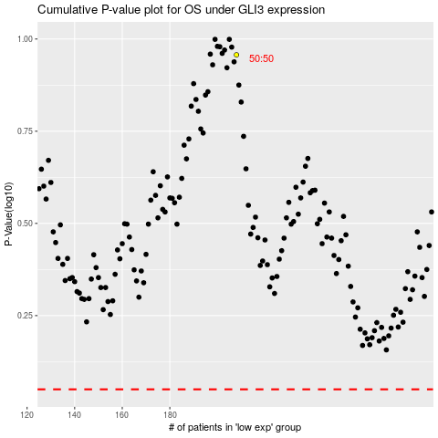

 |  |  |  |  |  | cases_OS | p_OS | rank | exp
 |  |  |  |  |  |  | cases_RFS | p_RFS | rank | exp

