GLI4 _multivariate
Reported by Tex Li-Hsing Chi. tex@gate.sinica.edu.tw 2019-08-19

Table 2. The clinicopathological features of HNSCC cohort and GLI4 expression. (Chi square test)
Cutoff at -0.256 (50.0%)
 |  | GLI4 expression |  | GLI4 expression |  | (Optimised)
 | Features | Low | (%) | High | (%) | Case no | P-value | Remark | Matthews
Gender | Female | 147 | 35.4 | 159 | 38.3 | 415 | 0.2523 | 0 | 0
2 | Male | 60 | 14.5 | 49 | 11.8
Age at diagnosis | <=65y | 140 | 33.7 | 134 | 32.3 | 415 | 0.5574 | 0 | 0
4 | >65y | 67 | 16.1 | 74 | 17.8
Clinical T Status | T1+T2 | 81 | 19.5 | 68 | 16.4 | 415 | 0.206 | 0 | 0
6 | T3+T4 | 126 | 30.4 | 140 | 33.7
Clinical N Status | N0 | 107 | 25.8 | 109 | 26.3 | 415 | 0.9624 | 0 | 0
8 | N1-3 | 100 | 24.1 | 99 | 23.9
Clinical M Status | M0 | 207 | 49.9 | 205 | 49.4 | 415 | 0.2482 | 0 | 0
10 | M1 | 0 | 0 | 3 | 0.7
Clinical Stage | Stage I+II | 58 | 14 | 44 | 10.6 | 415 | 0.131 | 0 | 0
12 | Stage III+IV | 149 | 35.9 | 164 | 39.5
Surgical Margin status | Negative | 163 | 39.3 | 155 | 37.3 | 415 | 0.3537 | 0 | 0
14 | Positive | 44 | 10.6 | 53 | 12.8
Tobacco Exposure | Low | 83 | 20 | 78 | 18.8 | 415 | 0.6152 | 0 | 0
16 | High | 124 | 29.9 | 130 | 31.3

Table 3. Univariate/Multivariate Cox's proportional hazards regression analyses on OS time of GLI4 gene expression in HNSCC

 |  | Univariate |  |  |  | Multivariate
 | Features | HR | CI95%(L) | CI95%(H) | P-value | HR | CI95%(L) | CI95%(H) | P-value
1 | Female | 1 |  |  |  | 1
Gender | Male | 1.157 | 0.843 | 1.587 | 0.367 | 1.198 | 0.859 | 1.67 | 0.288
11 | <=65y | 1 |  |  |  | 1
Age at diagnosis | >65y | 1.329 | 0.99 | 1.784 | 0.058 | 1.406 | 1.034 | 1.913 | 0.03
12 | T1+T2 | 1 |  |  |  | 1
Clinical T Status | T3+T4 | 1.409 | 1.028 | 1.931 | 0.033 | 2.254 | 1.19 | 4.267 | 0.013
13 | N0 | 1 |  |  |  | 1
Clinical N Status | N1-3 | 1.185 | 0.89 | 1.577 | 0.246 | 1.241 | 0.87 | 1.771 | 0.233
14 | M0 | 1 |  |  |  | 1
Clinical M Status | M1 | 4.097 | 1.009 | 16.644 | 0.049 | 10.59 | 2.282 | 49.133 | 0.003
15 | Stage I+II | 1 |  |  |  | 1
Clinical Stage | Stage III+IV | 1.245 | 0.882 | 1.759 | 0.213 | 0.501 | 0.233 | 1.075 | 0.076
16 | Negative | 1 |  |  |  | 1
Surgical Margin status | Positive | 1.591 | 1.155 | 2.191 | 0.004 | 1.713 | 1.237 | 2.373 | 0.001
17 | Low | 1 |  |  |  | 1
Tobacco Exposure | High | 1.364 | 1.008 | 1.844 | 0.044 | 1.458 | 1.058 | 2.01 | 0.021
18 | Low | 1 |  |  |  | 1
RNAseq(z-score) | High | 0.932 | 0.7 | 1.241 | 0.63 | 0.829 | 0.619 | 1.111 | 0.209

Table 4. Univariate/Multivariate Cox's proportional hazards regression analyses on RFS time of GLI4 gene expression in HNSCC

 |  | Univariate |  |  |  | Multivariate
 | Features | HR | CI95%(L) | CI95%(H) | P-value | HR | CI95%(L) | CI95%(H) | P-value
1 | Female | 1 |  |  |  | 1
Gender | Male | 1.157 | 0.843 | 1.587 | 0.367 | 1.198 | 0.859 | 1.67 | 0.288
11 | <=65y | 1 |  |  |  | 1
Age at diagnosis | >65y | 1.329 | 0.99 | 1.784 | 0.058 | 1.406 | 1.034 | 1.913 | 0.03
12 | T1+T2 | 1 |  |  |  | 1
Clinical T Status | T3+T4 | 1.409 | 1.028 | 1.931 | 0.033 | 2.254 | 1.19 | 4.267 | 0.013
13 | N0 | 1 |  |  |  | 1
Clinical N Status | N1-3 | 1.185 | 0.89 | 1.577 | 0.246 | 1.241 | 0.87 | 1.771 | 0.233
14 | M0 | 1 |  |  |  | 1
Clinical M Status | M1 | 4.097 | 1.009 | 16.644 | 0.049 | 10.59 | 2.282 | 49.133 | 0.003
15 | Stage I+II | 1 |  |  |  | 1
Clinical Stage | Stage III+IV | 1.245 | 0.882 | 1.759 | 0.213 | 0.501 | 0.233 | 1.075 | 0.076
16 | Negative | 1 |  |  |  | 1
Surgical Margin status | Positive | 1.591 | 1.155 | 2.191 | 0.004 | 1.713 | 1.237 | 2.373 | 0.001
17 | Low | 1 |  |  |  | 1
Tobacco Exposure | High | 1.364 | 1.008 | 1.844 | 0.044 | 1.458 | 1.058 | 2.01 | 0.021
18 | Low | 1 |  |  |  | 1
RNAseq(z-score) | High | 0.932 | 0.7 | 1.241 | 0.63 | 0.829 | 0.619 | 1.111 | 0.209

Kaplan-Meier survival estimate: Cutoff at -0.256 (50.0%)



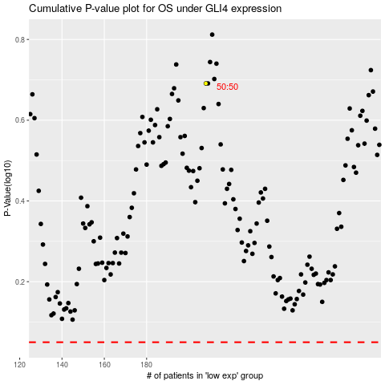

 |  |  |  |  |  | cases_OS | p_OS | rank | exp
 |  |  |  |  |  |  | cases_RFS | p_RFS | rank | exp

