GLIPR1L2 _multivariate
Reported by Tex Li-Hsing Chi. tex@gate.sinica.edu.tw 2019-08-19

Table 2. The clinicopathological features of HNSCC cohort and GLIPR1L2 expression. (Chi square test)
Cutoff at -0.359 (49.8%)
 |  | GLIPR1L2 expression |  | GLIPR1L2 expression |  | (Optimised)
 | Features | Low | (%) | High | (%) | Case no | P-value | Remark | Matthews
Gender | Female | 151 | 36.4 | 155 | 37.3 | 415 | 0.8007 | 0 | 0
2 | Male | 56 | 13.5 | 53 | 12.8
Age at diagnosis | <=65y | 136 | 32.8 | 138 | 33.3 | 415 | 0.9719 | 0 | 0
4 | >65y | 71 | 17.1 | 70 | 16.9
Clinical T Status | T1+T2 | 59 | 14.2 | 90 | 21.7 | 415 | 0.0024 | 1 | 0
6 | T3+T4 | 148 | 35.7 | 118 | 28.4
Clinical N Status | N0 | 110 | 26.5 | 106 | 25.5 | 415 | 0.7294 | 0 | 0
8 | N1-3 | 97 | 23.4 | 102 | 24.6
Clinical M Status | M0 | 207 | 49.9 | 205 | 49.4 | 415 | 0.2482 | 0 | 0
10 | M1 | 0 | 0 | 3 | 0.7
Clinical Stage | Stage I+II | 45 | 10.8 | 57 | 13.7 | 415 | 0.2202 | 0 | 0
12 | Stage III+IV | 162 | 39 | 151 | 36.4
Surgical Margin status | Negative | 162 | 39 | 156 | 37.6 | 415 | 0.4867 | 0 | 0
14 | Positive | 45 | 10.8 | 52 | 12.5
Tobacco Exposure | Low | 76 | 18.3 | 85 | 20.5 | 415 | 0.4207 | 0 | 0
16 | High | 131 | 31.6 | 123 | 29.6

Table 3. Univariate/Multivariate Cox's proportional hazards regression analyses on OS time of GLIPR1L2 gene expression in HNSCC

 |  | Univariate |  |  |  | Multivariate
 | Features | HR | CI95%(L) | CI95%(H) | P-value | HR | CI95%(L) | CI95%(H) | P-value
1 | Female | 1 |  |  |  | 1
Gender | Male | 1.157 | 0.843 | 1.587 | 0.367 | 1.195 | 0.855 | 1.671 | 0.297
11 | <=65y | 1 |  |  |  | 1
Age at diagnosis | >65y | 1.329 | 0.99 | 1.784 | 0.058 | 1.396 | 1.026 | 1.898 | 0.034
12 | T1+T2 | 1 |  |  |  | 1
Clinical T Status | T3+T4 | 1.409 | 1.028 | 1.931 | 0.033 | 2.154 | 1.133 | 4.098 | 0.019
13 | N0 | 1 |  |  |  | 1
Clinical N Status | N1-3 | 1.185 | 0.89 | 1.577 | 0.246 | 1.25 | 0.875 | 1.786 | 0.22
14 | M0 | 1 |  |  |  | 1
Clinical M Status | M1 | 4.097 | 1.009 | 16.644 | 0.049 | 9.563 | 2.083 | 43.893 | 0.004
15 | Stage I+II | 1 |  |  |  | 1
Clinical Stage | Stage III+IV | 1.245 | 0.882 | 1.759 | 0.213 | 0.511 | 0.238 | 1.098 | 0.085
16 | Negative | 1 |  |  |  | 1
Surgical Margin status | Positive | 1.591 | 1.155 | 2.191 | 0.004 | 1.68 | 1.215 | 2.323 | 0.002
17 | Low | 1 |  |  |  | 1
Tobacco Exposure | High | 1.364 | 1.008 | 1.844 | 0.044 | 1.446 | 1.048 | 1.993 | 0.025
18 | Low | 1 |  |  |  | 1
RNAseq(z-score) | High | 0.892 | 0.67 | 1.189 | 0.437 | 0.927 | 0.689 | 1.245 | 0.614

Table 4. Univariate/Multivariate Cox's proportional hazards regression analyses on RFS time of GLIPR1L2 gene expression in HNSCC

 |  | Univariate |  |  |  | Multivariate
 | Features | HR | CI95%(L) | CI95%(H) | P-value | HR | CI95%(L) | CI95%(H) | P-value
1 | Female | 1 |  |  |  | 1
Gender | Male | 1.157 | 0.843 | 1.587 | 0.367 | 1.195 | 0.855 | 1.671 | 0.297
11 | <=65y | 1 |  |  |  | 1
Age at diagnosis | >65y | 1.329 | 0.99 | 1.784 | 0.058 | 1.396 | 1.026 | 1.898 | 0.034
12 | T1+T2 | 1 |  |  |  | 1
Clinical T Status | T3+T4 | 1.409 | 1.028 | 1.931 | 0.033 | 2.154 | 1.133 | 4.098 | 0.019
13 | N0 | 1 |  |  |  | 1
Clinical N Status | N1-3 | 1.185 | 0.89 | 1.577 | 0.246 | 1.25 | 0.875 | 1.786 | 0.22
14 | M0 | 1 |  |  |  | 1
Clinical M Status | M1 | 4.097 | 1.009 | 16.644 | 0.049 | 9.563 | 2.083 | 43.893 | 0.004
15 | Stage I+II | 1 |  |  |  | 1
Clinical Stage | Stage III+IV | 1.245 | 0.882 | 1.759 | 0.213 | 0.511 | 0.238 | 1.098 | 0.085
16 | Negative | 1 |  |  |  | 1
Surgical Margin status | Positive | 1.591 | 1.155 | 2.191 | 0.004 | 1.68 | 1.215 | 2.323 | 0.002
17 | Low | 1 |  |  |  | 1
Tobacco Exposure | High | 1.364 | 1.008 | 1.844 | 0.044 | 1.446 | 1.048 | 1.993 | 0.025
18 | Low | 1 |  |  |  | 1
RNAseq(z-score) | High | 0.892 | 0.67 | 1.189 | 0.437 | 0.927 | 0.689 | 1.245 | 0.614

Kaplan-Meier survival estimate: Cutoff at -0.359 (49.8%)



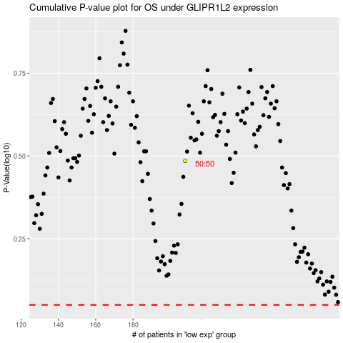

 |  |  |  |  |  | cases_OS | p_OS | rank | exp
 |  |  |  |  |  |  | cases_RFS | p_RFS | rank | exp

