GLIPR2 _multivariate
Reported by Tex Li-Hsing Chi. tex@gate.sinica.edu.tw 2019-08-19

Table 2. The clinicopathological features of HNSCC cohort and GLIPR2 expression. (Chi square test)
Cutoff at -0.118 (55.3%)
 |  | GLIPR2 expression |  | GLIPR2 expression |  | (Optimised)
 | Features | Low | (%) | High | (%) | Case no | P-value | Remark | Matthews
Gender | Female | 180 | 43.4 | 126 | 30.4 | 415 | 0.0169 | 1 | 0
2 | Male | 49 | 11.8 | 60 | 14.5
Age at diagnosis | <=65y | 158 | 38.1 | 116 | 28 | 415 | 0.1889 | 0 | 0
4 | >65y | 71 | 17.1 | 70 | 16.9
Clinical T Status | T1+T2 | 73 | 17.6 | 76 | 18.3 | 415 | 0.0728 | 0 | 0
6 | T3+T4 | 156 | 37.6 | 110 | 26.5
Clinical N Status | N0 | 119 | 28.7 | 97 | 23.4 | 415 | 1 | 0 | 0
8 | N1-3 | 110 | 26.5 | 89 | 21.4
Clinical M Status | M0 | 226 | 54.5 | 186 | 44.8 | 415 | 0.2563 | 0 | 0
10 | M1 | 3 | 0.7 | 0 | 0
Clinical Stage | Stage I+II | 47 | 11.3 | 55 | 13.3 | 415 | 0.044 | 1 | 0
12 | Stage III+IV | 182 | 43.9 | 131 | 31.6
Surgical Margin status | Negative | 170 | 41 | 148 | 35.7 | 415 | 0.2435 | 0 | 0
14 | Positive | 59 | 14.2 | 38 | 9.2
Tobacco Exposure | Low | 77 | 18.6 | 84 | 20.2 | 415 | 0.0198 | 1 | 0
16 | High | 152 | 36.6 | 102 | 24.6

Table 3. Univariate/Multivariate Cox's proportional hazards regression analyses on OS time of GLIPR2 gene expression in HNSCC

 |  | Univariate |  |  |  | Multivariate
 | Features | HR | CI95%(L) | CI95%(H) | P-value | HR | CI95%(L) | CI95%(H) | P-value
1 | Female | 1 |  |  |  | 1
Gender | Male | 1.157 | 0.843 | 1.587 | 0.367 | 1.222 | 0.875 | 1.709 | 0.24
11 | <=65y | 1 |  |  |  | 1
Age at diagnosis | >65y | 1.329 | 0.99 | 1.784 | 0.058 | 1.4 | 1.03 | 1.903 | 0.031
12 | T1+T2 | 1 |  |  |  | 1
Clinical T Status | T3+T4 | 1.409 | 1.028 | 1.931 | 0.033 | 2.191 | 1.158 | 4.145 | 0.016
13 | N0 | 1 |  |  |  | 1
Clinical N Status | N1-3 | 1.185 | 0.89 | 1.577 | 0.246 | 1.241 | 0.87 | 1.769 | 0.234
14 | M0 | 1 |  |  |  | 1
Clinical M Status | M1 | 4.097 | 1.009 | 16.644 | 0.049 | 8.529 | 1.853 | 39.256 | 0.006
15 | Stage I+II | 1 |  |  |  | 1
Clinical Stage | Stage III+IV | 1.245 | 0.882 | 1.759 | 0.213 | 0.483 | 0.225 | 1.038 | 0.062
16 | Negative | 1 |  |  |  | 1
Surgical Margin status | Positive | 1.591 | 1.155 | 2.191 | 0.004 | 1.68 | 1.215 | 2.323 | 0.002
17 | Low | 1 |  |  |  | 1
Tobacco Exposure | High | 1.364 | 1.008 | 1.844 | 0.044 | 1.431 | 1.038 | 1.972 | 0.029
18 | Low | 1 |  |  |  | 1
RNAseq(z-score) | High | 0.742 | 0.554 | 0.994 | 0.046 | 0.772 | 0.572 | 1.042 | 0.091

Table 4. Univariate/Multivariate Cox's proportional hazards regression analyses on RFS time of GLIPR2 gene expression in HNSCC

 |  | Univariate |  |  |  | Multivariate
 | Features | HR | CI95%(L) | CI95%(H) | P-value | HR | CI95%(L) | CI95%(H) | P-value
1 | Female | 1 |  |  |  | 1
Gender | Male | 1.157 | 0.843 | 1.587 | 0.367 | 1.222 | 0.875 | 1.709 | 0.24
11 | <=65y | 1 |  |  |  | 1
Age at diagnosis | >65y | 1.329 | 0.99 | 1.784 | 0.058 | 1.4 | 1.03 | 1.903 | 0.031
12 | T1+T2 | 1 |  |  |  | 1
Clinical T Status | T3+T4 | 1.409 | 1.028 | 1.931 | 0.033 | 2.191 | 1.158 | 4.145 | 0.016
13 | N0 | 1 |  |  |  | 1
Clinical N Status | N1-3 | 1.185 | 0.89 | 1.577 | 0.246 | 1.241 | 0.87 | 1.769 | 0.234
14 | M0 | 1 |  |  |  | 1
Clinical M Status | M1 | 4.097 | 1.009 | 16.644 | 0.049 | 8.529 | 1.853 | 39.256 | 0.006
15 | Stage I+II | 1 |  |  |  | 1
Clinical Stage | Stage III+IV | 1.245 | 0.882 | 1.759 | 0.213 | 0.483 | 0.225 | 1.038 | 0.062
16 | Negative | 1 |  |  |  | 1
Surgical Margin status | Positive | 1.591 | 1.155 | 2.191 | 0.004 | 1.68 | 1.215 | 2.323 | 0.002
17 | Low | 1 |  |  |  | 1
Tobacco Exposure | High | 1.364 | 1.008 | 1.844 | 0.044 | 1.431 | 1.038 | 1.972 | 0.029
18 | Low | 1 |  |  |  | 1
RNAseq(z-score) | High | 0.742 | 0.554 | 0.994 | 0.046 | 0.772 | 0.572 | 1.042 | 0.091

Kaplan-Meier survival estimate: Cutoff at -0.118 (55.3%)



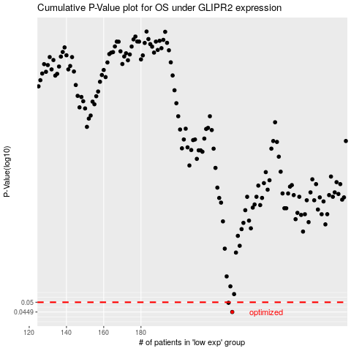

 |  |  |  |  |  | cases_OS | p_OS | rank | exp
 |  |  |  |  |  | 229 | 0.0449 | 30 | -0.11821256541
 |  |  |  |  |  | 227 | 0.0497 | 174 | -0.14074184137
 |  |  |  |  |  |  | cases_RFS | p_RFS | rank | exp
 |  |  |  |  |  |  | 228 | 0.0449 | 66 | -0.11908001326
 |  |  |  |  |  |  | 226 | 0.0497 | 2 | -0.14152470115

