GLIS3 _multivariate
Reported by Tex Li-Hsing Chi. tex@gate.sinica.edu.tw 2019-08-19

Table 2. The clinicopathological features of HNSCC cohort and GLIS3 expression. (Chi square test)
Cutoff at -0.261 (50.0%)
 |  | GLIS3 expression |  | GLIS3 expression |  | (Optimised)
 | Features | Low | (%) | High | (%) | Case no | P-value | Remark | Matthews
Gender | Female | 158 | 38.1 | 148 | 35.7 | 415 | 0.2774 | 0 | 0
2 | Male | 49 | 11.8 | 60 | 14.5
Age at diagnosis | <=65y | 143 | 34.5 | 131 | 31.6 | 415 | 0.2269 | 0 | 0
4 | >65y | 64 | 15.4 | 77 | 18.6
Clinical T Status | T1+T2 | 76 | 18.3 | 73 | 17.6 | 415 | 0.8092 | 0 | 0
6 | T3+T4 | 131 | 31.6 | 135 | 32.5
Clinical N Status | N0 | 103 | 24.8 | 113 | 27.2 | 415 | 0.4047 | 0 | 0
8 | N1-3 | 104 | 25.1 | 95 | 22.9
Clinical M Status | M0 | 204 | 49.2 | 208 | 50.1 | 415 | 0.1232 | 0 | 0
10 | M1 | 3 | 0.7 | 0 | 0
Clinical Stage | Stage I+II | 46 | 11.1 | 56 | 13.5 | 415 | 0.3182 | 0 | 0
12 | Stage III+IV | 161 | 38.8 | 152 | 36.6
Surgical Margin status | Negative | 153 | 36.9 | 165 | 39.8 | 415 | 0.2036 | 0 | 0
14 | Positive | 54 | 13 | 43 | 10.4
Tobacco Exposure | Low | 86 | 20.7 | 75 | 18.1 | 415 | 0.2687 | 0 | 0
16 | High | 121 | 29.2 | 133 | 32

Table 3. Univariate/Multivariate Cox's proportional hazards regression analyses on OS time of GLIS3 gene expression in HNSCC

 |  | Univariate |  |  |  | Multivariate
 | Features | HR | CI95%(L) | CI95%(H) | P-value | HR | CI95%(L) | CI95%(H) | P-value
1 | Female | 1 |  |  |  | 1
Gender | Male | 1.157 | 0.843 | 1.587 | 0.367 | 1.204 | 0.861 | 1.682 | 0.278
11 | <=65y | 1 |  |  |  | 1
Age at diagnosis | >65y | 1.329 | 0.99 | 1.784 | 0.058 | 1.393 | 1.025 | 1.894 | 0.034
12 | T1+T2 | 1 |  |  |  | 1
Clinical T Status | T3+T4 | 1.409 | 1.028 | 1.931 | 0.033 | 2.216 | 1.169 | 4.198 | 0.015
13 | N0 | 1 |  |  |  | 1
Clinical N Status | N1-3 | 1.185 | 0.89 | 1.577 | 0.246 | 1.24 | 0.869 | 1.769 | 0.236
14 | M0 | 1 |  |  |  | 1
Clinical M Status | M1 | 4.097 | 1.009 | 16.644 | 0.049 | 9.3 | 2.023 | 42.753 | 0.004
15 | Stage I+II | 1 |  |  |  | 1
Clinical Stage | Stage III+IV | 1.245 | 0.882 | 1.759 | 0.213 | 0.501 | 0.233 | 1.078 | 0.077
16 | Negative | 1 |  |  |  | 1
Surgical Margin status | Positive | 1.591 | 1.155 | 2.191 | 0.004 | 1.668 | 1.206 | 2.306 | 0.002
17 | Low | 1 |  |  |  | 1
Tobacco Exposure | High | 1.364 | 1.008 | 1.844 | 0.044 | 1.455 | 1.056 | 2.005 | 0.022
18 | Low | 1 |  |  |  | 1
RNAseq(z-score) | High | 0.959 | 0.72 | 1.278 | 0.775 | 0.965 | 0.721 | 1.293 | 0.812

Table 4. Univariate/Multivariate Cox's proportional hazards regression analyses on RFS time of GLIS3 gene expression in HNSCC

 |  | Univariate |  |  |  | Multivariate
 | Features | HR | CI95%(L) | CI95%(H) | P-value | HR | CI95%(L) | CI95%(H) | P-value
1 | Female | 1 |  |  |  | 1
Gender | Male | 1.157 | 0.843 | 1.587 | 0.367 | 1.204 | 0.861 | 1.682 | 0.278
11 | <=65y | 1 |  |  |  | 1
Age at diagnosis | >65y | 1.329 | 0.99 | 1.784 | 0.058 | 1.393 | 1.025 | 1.894 | 0.034
12 | T1+T2 | 1 |  |  |  | 1
Clinical T Status | T3+T4 | 1.409 | 1.028 | 1.931 | 0.033 | 2.216 | 1.169 | 4.198 | 0.015
13 | N0 | 1 |  |  |  | 1
Clinical N Status | N1-3 | 1.185 | 0.89 | 1.577 | 0.246 | 1.24 | 0.869 | 1.769 | 0.236
14 | M0 | 1 |  |  |  | 1
Clinical M Status | M1 | 4.097 | 1.009 | 16.644 | 0.049 | 9.3 | 2.023 | 42.753 | 0.004
15 | Stage I+II | 1 |  |  |  | 1
Clinical Stage | Stage III+IV | 1.245 | 0.882 | 1.759 | 0.213 | 0.501 | 0.233 | 1.078 | 0.077
16 | Negative | 1 |  |  |  | 1
Surgical Margin status | Positive | 1.591 | 1.155 | 2.191 | 0.004 | 1.668 | 1.206 | 2.306 | 0.002
17 | Low | 1 |  |  |  | 1
Tobacco Exposure | High | 1.364 | 1.008 | 1.844 | 0.044 | 1.455 | 1.056 | 2.005 | 0.022
18 | Low | 1 |  |  |  | 1
RNAseq(z-score) | High | 0.959 | 0.72 | 1.278 | 0.775 | 0.965 | 0.721 | 1.293 | 0.812

Kaplan-Meier survival estimate: Cutoff at -0.261 (50.0%)



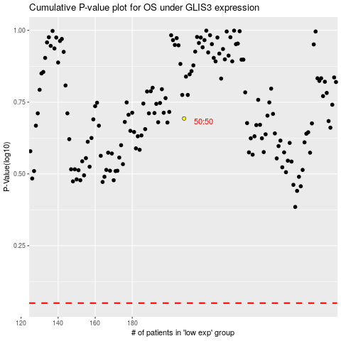

 |  |  |  |  |  | cases_OS | p_OS | rank | exp
 |  |  |  |  |  |  | cases_RFS | p_RFS | rank | exp

