GLO1 _multivariate
Reported by Tex Li-Hsing Chi. tex@gate.sinica.edu.tw 2019-08-19

Table 2. The clinicopathological features of HNSCC cohort and GLO1 expression. (Chi square test)
Cutoff at -0.179 (50.0%)
 |  | GLO1 expression |  | GLO1 expression |  | (Optimised)
 | Features | Low | (%) | High | (%) | Case no | P-value | Remark | Matthews
Gender | Female | 153 | 36.9 | 153 | 36.9 | 415 | 1 | 0 | 0
2 | Male | 54 | 13 | 55 | 13.3
Age at diagnosis | <=65y | 132 | 31.8 | 142 | 34.2 | 415 | 0.3874 | 0 | 0
4 | >65y | 75 | 18.1 | 66 | 15.9
Clinical T Status | T1+T2 | 70 | 16.9 | 79 | 19 | 415 | 0.4343 | 0 | 0
6 | T3+T4 | 137 | 33 | 129 | 31.1
Clinical N Status | N0 | 103 | 24.8 | 113 | 27.2 | 415 | 0.4047 | 0 | 0
8 | N1-3 | 104 | 25.1 | 95 | 22.9
Clinical M Status | M0 | 207 | 49.9 | 205 | 49.4 | 415 | 0.2482 | 0 | 0
10 | M1 | 0 | 0 | 3 | 0.7
Clinical Stage | Stage I+II | 45 | 10.8 | 57 | 13.7 | 415 | 0.2202 | 0 | 0
12 | Stage III+IV | 162 | 39 | 151 | 36.4
Surgical Margin status | Negative | 166 | 40 | 152 | 36.6 | 415 | 0.1042 | 0 | 0
14 | Positive | 41 | 9.9 | 56 | 13.5
Tobacco Exposure | Low | 79 | 19 | 82 | 19.8 | 415 | 0.8405 | 0 | 0
16 | High | 128 | 30.8 | 126 | 30.4

Table 3. Univariate/Multivariate Cox's proportional hazards regression analyses on OS time of GLO1 gene expression in HNSCC

 |  | Univariate |  |  |  | Multivariate
 | Features | HR | CI95%(L) | CI95%(H) | P-value | HR | CI95%(L) | CI95%(H) | P-value
1 | Female | 1 |  |  |  | 1
Gender | Male | 1.157 | 0.843 | 1.587 | 0.367 | 1.203 | 0.861 | 1.681 | 0.279
11 | <=65y | 1 |  |  |  | 1
Age at diagnosis | >65y | 1.329 | 0.99 | 1.784 | 0.058 | 1.39 | 1.022 | 1.889 | 0.036
12 | T1+T2 | 1 |  |  |  | 1
Clinical T Status | T3+T4 | 1.409 | 1.028 | 1.931 | 0.033 | 2.205 | 1.166 | 4.17 | 0.015
13 | N0 | 1 |  |  |  | 1
Clinical N Status | N1-3 | 1.185 | 0.89 | 1.577 | 0.246 | 1.235 | 0.865 | 1.764 | 0.246
14 | M0 | 1 |  |  |  | 1
Clinical M Status | M1 | 4.097 | 1.009 | 16.644 | 0.049 | 9.716 | 2.098 | 44.998 | 0.004
15 | Stage I+II | 1 |  |  |  | 1
Clinical Stage | Stage III+IV | 1.245 | 0.882 | 1.759 | 0.213 | 0.501 | 0.233 | 1.077 | 0.077
16 | Negative | 1 |  |  |  | 1
Surgical Margin status | Positive | 1.591 | 1.155 | 2.191 | 0.004 | 1.682 | 1.215 | 2.329 | 0.002
17 | Low | 1 |  |  |  | 1
Tobacco Exposure | High | 1.364 | 1.008 | 1.844 | 0.044 | 1.448 | 1.05 | 1.996 | 0.024
18 | Low | 1 |  |  |  | 1
RNAseq(z-score) | High | 0.956 | 0.717 | 1.275 | 0.76 | 0.947 | 0.705 | 1.272 | 0.718

Table 4. Univariate/Multivariate Cox's proportional hazards regression analyses on RFS time of GLO1 gene expression in HNSCC

 |  | Univariate |  |  |  | Multivariate
 | Features | HR | CI95%(L) | CI95%(H) | P-value | HR | CI95%(L) | CI95%(H) | P-value
1 | Female | 1 |  |  |  | 1
Gender | Male | 1.157 | 0.843 | 1.587 | 0.367 | 1.203 | 0.861 | 1.681 | 0.279
11 | <=65y | 1 |  |  |  | 1
Age at diagnosis | >65y | 1.329 | 0.99 | 1.784 | 0.058 | 1.39 | 1.022 | 1.889 | 0.036
12 | T1+T2 | 1 |  |  |  | 1
Clinical T Status | T3+T4 | 1.409 | 1.028 | 1.931 | 0.033 | 2.205 | 1.166 | 4.17 | 0.015
13 | N0 | 1 |  |  |  | 1
Clinical N Status | N1-3 | 1.185 | 0.89 | 1.577 | 0.246 | 1.235 | 0.865 | 1.764 | 0.246
14 | M0 | 1 |  |  |  | 1
Clinical M Status | M1 | 4.097 | 1.009 | 16.644 | 0.049 | 9.716 | 2.098 | 44.998 | 0.004
15 | Stage I+II | 1 |  |  |  | 1
Clinical Stage | Stage III+IV | 1.245 | 0.882 | 1.759 | 0.213 | 0.501 | 0.233 | 1.077 | 0.077
16 | Negative | 1 |  |  |  | 1
Surgical Margin status | Positive | 1.591 | 1.155 | 2.191 | 0.004 | 1.682 | 1.215 | 2.329 | 0.002
17 | Low | 1 |  |  |  | 1
Tobacco Exposure | High | 1.364 | 1.008 | 1.844 | 0.044 | 1.448 | 1.05 | 1.996 | 0.024
18 | Low | 1 |  |  |  | 1
RNAseq(z-score) | High | 0.956 | 0.717 | 1.275 | 0.76 | 0.947 | 0.705 | 1.272 | 0.718

Kaplan-Meier survival estimate: Cutoff at -0.179 (50.0%)



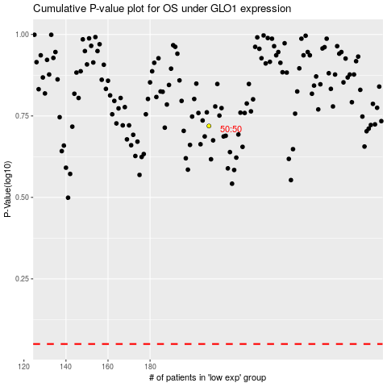

 |  |  |  |  |  | cases_OS | p_OS | rank | exp
 |  |  |  |  |  |  | cases_RFS | p_RFS | rank | exp

