GLOD4 _multivariate
Reported by Tex Li-Hsing Chi. tex@gate.sinica.edu.tw 2019-08-19

Table 2. The clinicopathological features of HNSCC cohort and GLOD4 expression. (Chi square test)
Cutoff at -0.177 (50.0%)
 |  | GLOD4 expression |  | GLOD4 expression |  | (Optimised)
 | Features | Low | (%) | High | (%) | Case no | P-value | Remark | Matthews
Gender | Female | 140 | 33.7 | 166 | 40 | 415 | 0.0068 | 1 | 0
2 | Male | 67 | 16.1 | 42 | 10.1
Age at diagnosis | <=65y | 129 | 31.1 | 145 | 34.9 | 415 | 0.1372 | 0 | 0
4 | >65y | 78 | 18.8 | 63 | 15.2
Clinical T Status | T1+T2 | 86 | 20.7 | 63 | 15.2 | 415 | 0.0221 | 1 | 0
6 | T3+T4 | 121 | 29.2 | 145 | 34.9
Clinical N Status | N0 | 112 | 27 | 104 | 25.1 | 415 | 0.4599 | 0 | 0
8 | N1-3 | 95 | 22.9 | 104 | 25.1
Clinical M Status | M0 | 205 | 49.4 | 207 | 49.9 | 415 | 0.6232 | 0 | 0
10 | M1 | 2 | 0.5 | 1 | 0.2
Clinical Stage | Stage I+II | 63 | 15.2 | 39 | 9.4 | 415 | 0.008 | 1 | 0
12 | Stage III+IV | 144 | 34.7 | 169 | 40.7
Surgical Margin status | Negative | 164 | 39.5 | 154 | 37.1 | 415 | 0.2462 | 0 | 0
14 | Positive | 43 | 10.4 | 54 | 13
Tobacco Exposure | Low | 89 | 21.4 | 72 | 17.3 | 415 | 0.0872 | 0 | 0
16 | High | 118 | 28.4 | 136 | 32.8

Table 3. Univariate/Multivariate Cox's proportional hazards regression analyses on OS time of GLOD4 gene expression in HNSCC

 |  | Univariate |  |  |  | Multivariate
 | Features | HR | CI95%(L) | CI95%(H) | P-value | HR | CI95%(L) | CI95%(H) | P-value
1 | Female | 1 |  |  |  | 1
Gender | Male | 1.157 | 0.843 | 1.587 | 0.367 | 1.199 | 0.858 | 1.675 | 0.288
11 | <=65y | 1 |  |  |  | 1
Age at diagnosis | >65y | 1.329 | 0.99 | 1.784 | 0.058 | 1.384 | 1.015 | 1.886 | 0.04
12 | T1+T2 | 1 |  |  |  | 1
Clinical T Status | T3+T4 | 1.409 | 1.028 | 1.931 | 0.033 | 2.203 | 1.165 | 4.165 | 0.015
13 | N0 | 1 |  |  |  | 1
Clinical N Status | N1-3 | 1.185 | 0.89 | 1.577 | 0.246 | 1.237 | 0.867 | 1.766 | 0.241
14 | M0 | 1 |  |  |  | 1
Clinical M Status | M1 | 4.097 | 1.009 | 16.644 | 0.049 | 9.349 | 2.038 | 42.879 | 0.004
15 | Stage I+II | 1 |  |  |  | 1
Clinical Stage | Stage III+IV | 1.245 | 0.882 | 1.759 | 0.213 | 0.509 | 0.236 | 1.094 | 0.084
16 | Negative | 1 |  |  |  | 1
Surgical Margin status | Positive | 1.591 | 1.155 | 2.191 | 0.004 | 1.674 | 1.212 | 2.314 | 0.002
17 | Low | 1 |  |  |  | 1
Tobacco Exposure | High | 1.364 | 1.008 | 1.844 | 0.044 | 1.46 | 1.058 | 2.014 | 0.021
18 | Low | 1 |  |  |  | 1
RNAseq(z-score) | High | 0.98 | 0.736 | 1.306 | 0.891 | 0.959 | 0.712 | 1.292 | 0.783

Table 4. Univariate/Multivariate Cox's proportional hazards regression analyses on RFS time of GLOD4 gene expression in HNSCC

 |  | Univariate |  |  |  | Multivariate
 | Features | HR | CI95%(L) | CI95%(H) | P-value | HR | CI95%(L) | CI95%(H) | P-value
1 | Female | 1 |  |  |  | 1
Gender | Male | 1.157 | 0.843 | 1.587 | 0.367 | 1.199 | 0.858 | 1.675 | 0.288
11 | <=65y | 1 |  |  |  | 1
Age at diagnosis | >65y | 1.329 | 0.99 | 1.784 | 0.058 | 1.384 | 1.015 | 1.886 | 0.04
12 | T1+T2 | 1 |  |  |  | 1
Clinical T Status | T3+T4 | 1.409 | 1.028 | 1.931 | 0.033 | 2.203 | 1.165 | 4.165 | 0.015
13 | N0 | 1 |  |  |  | 1
Clinical N Status | N1-3 | 1.185 | 0.89 | 1.577 | 0.246 | 1.237 | 0.867 | 1.766 | 0.241
14 | M0 | 1 |  |  |  | 1
Clinical M Status | M1 | 4.097 | 1.009 | 16.644 | 0.049 | 9.349 | 2.038 | 42.879 | 0.004
15 | Stage I+II | 1 |  |  |  | 1
Clinical Stage | Stage III+IV | 1.245 | 0.882 | 1.759 | 0.213 | 0.509 | 0.236 | 1.094 | 0.084
16 | Negative | 1 |  |  |  | 1
Surgical Margin status | Positive | 1.591 | 1.155 | 2.191 | 0.004 | 1.674 | 1.212 | 2.314 | 0.002
17 | Low | 1 |  |  |  | 1
Tobacco Exposure | High | 1.364 | 1.008 | 1.844 | 0.044 | 1.46 | 1.058 | 2.014 | 0.021
18 | Low | 1 |  |  |  | 1
RNAseq(z-score) | High | 0.98 | 0.736 | 1.306 | 0.891 | 0.959 | 0.712 | 1.292 | 0.783

Kaplan-Meier survival estimate: Cutoff at -0.177 (50.0%)



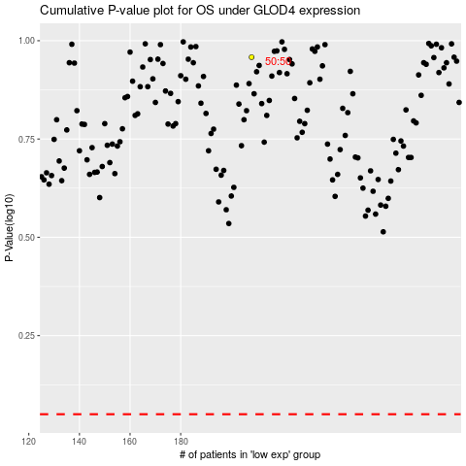

 |  |  |  |  |  | cases_OS | p_OS | rank | exp
 |  |  |  |  |  |  | cases_RFS | p_RFS | rank | exp

