GLP1R _multivariate
Reported by Tex Li-Hsing Chi. tex@gate.sinica.edu.tw 2019-08-19

Table 2. The clinicopathological features of HNSCC cohort and GLP1R expression. (Chi square test)
Cutoff at -0.167 (49.8%)
 |  | GLP1R expression |  | GLP1R expression |  | (Optimised)
 | Features | Low | (%) | High | (%) | Case no | P-value | Remark | Matthews
Gender | Female | 154 | 37.1 | 152 | 36.6 | 415 | 0.8463 | 0 | 0
2 | Male | 53 | 12.8 | 56 | 13.5
Age at diagnosis | <=65y | 147 | 35.4 | 127 | 30.6 | 415 | 0.0416 | 1 | 0
4 | >65y | 60 | 14.5 | 81 | 19.5
Clinical T Status | T1+T2 | 68 | 16.4 | 81 | 19.5 | 415 | 0.2336 | 0 | 0
6 | T3+T4 | 139 | 33.5 | 127 | 30.6
Clinical N Status | N0 | 102 | 24.6 | 114 | 27.5 | 415 | 0.3031 | 0 | 0
8 | N1-3 | 105 | 25.3 | 94 | 22.7
Clinical M Status | M0 | 206 | 49.6 | 206 | 49.6 | 415 | 1 | 0 | 0
10 | M1 | 1 | 0.2 | 2 | 0.5
Clinical Stage | Stage I+II | 43 | 10.4 | 59 | 14.2 | 415 | 0.0925 | 0 | 0
12 | Stage III+IV | 164 | 39.5 | 149 | 35.9
Surgical Margin status | Negative | 152 | 36.6 | 166 | 40 | 415 | 0.1329 | 0 | 0
14 | Positive | 55 | 13.3 | 42 | 10.1
Tobacco Exposure | Low | 80 | 19.3 | 81 | 19.5 | 415 | 1 | 0 | 0
16 | High | 127 | 30.6 | 127 | 30.6

Table 3. Univariate/Multivariate Cox's proportional hazards regression analyses on OS time of GLP1R gene expression in HNSCC

 |  | Univariate |  |  |  | Multivariate
 | Features | HR | CI95%(L) | CI95%(H) | P-value | HR | CI95%(L) | CI95%(H) | P-value
1 | Female | 1 |  |  |  | 1
Gender | Male | 1.157 | 0.843 | 1.587 | 0.367 | 1.208 | 0.864 | 1.689 | 0.268
11 | <=65y | 1 |  |  |  | 1
Age at diagnosis | >65y | 1.329 | 0.99 | 1.784 | 0.058 | 1.406 | 1.033 | 1.914 | 0.03
12 | T1+T2 | 1 |  |  |  | 1
Clinical T Status | T3+T4 | 1.409 | 1.028 | 1.931 | 0.033 | 2.208 | 1.168 | 4.173 | 0.015
13 | N0 | 1 |  |  |  | 1
Clinical N Status | N1-3 | 1.185 | 0.89 | 1.577 | 0.246 | 1.247 | 0.874 | 1.78 | 0.224
14 | M0 | 1 |  |  |  | 1
Clinical M Status | M1 | 4.097 | 1.009 | 16.644 | 0.049 | 9.738 | 2.118 | 44.781 | 0.003
15 | Stage I+II | 1 |  |  |  | 1
Clinical Stage | Stage III+IV | 1.245 | 0.882 | 1.759 | 0.213 | 0.497 | 0.232 | 1.068 | 0.073
16 | Negative | 1 |  |  |  | 1
Surgical Margin status | Positive | 1.591 | 1.155 | 2.191 | 0.004 | 1.653 | 1.195 | 2.287 | 0.002
17 | Low | 1 |  |  |  | 1
Tobacco Exposure | High | 1.364 | 1.008 | 1.844 | 0.044 | 1.453 | 1.055 | 2.001 | 0.022
18 | Low | 1 |  |  |  | 1
RNAseq(z-score) | High | 0.92 | 0.691 | 1.225 | 0.569 | 0.902 | 0.674 | 1.207 | 0.488

Table 4. Univariate/Multivariate Cox's proportional hazards regression analyses on RFS time of GLP1R gene expression in HNSCC

 |  | Univariate |  |  |  | Multivariate
 | Features | HR | CI95%(L) | CI95%(H) | P-value | HR | CI95%(L) | CI95%(H) | P-value
1 | Female | 1 |  |  |  | 1
Gender | Male | 1.157 | 0.843 | 1.587 | 0.367 | 1.208 | 0.864 | 1.689 | 0.268
11 | <=65y | 1 |  |  |  | 1
Age at diagnosis | >65y | 1.329 | 0.99 | 1.784 | 0.058 | 1.406 | 1.033 | 1.914 | 0.03
12 | T1+T2 | 1 |  |  |  | 1
Clinical T Status | T3+T4 | 1.409 | 1.028 | 1.931 | 0.033 | 2.208 | 1.168 | 4.173 | 0.015
13 | N0 | 1 |  |  |  | 1
Clinical N Status | N1-3 | 1.185 | 0.89 | 1.577 | 0.246 | 1.247 | 0.874 | 1.78 | 0.224
14 | M0 | 1 |  |  |  | 1
Clinical M Status | M1 | 4.097 | 1.009 | 16.644 | 0.049 | 9.738 | 2.118 | 44.781 | 0.003
15 | Stage I+II | 1 |  |  |  | 1
Clinical Stage | Stage III+IV | 1.245 | 0.882 | 1.759 | 0.213 | 0.497 | 0.232 | 1.068 | 0.073
16 | Negative | 1 |  |  |  | 1
Surgical Margin status | Positive | 1.591 | 1.155 | 2.191 | 0.004 | 1.653 | 1.195 | 2.287 | 0.002
17 | Low | 1 |  |  |  | 1
Tobacco Exposure | High | 1.364 | 1.008 | 1.844 | 0.044 | 1.453 | 1.055 | 2.001 | 0.022
18 | Low | 1 |  |  |  | 1
RNAseq(z-score) | High | 0.92 | 0.691 | 1.225 | 0.569 | 0.902 | 0.674 | 1.207 | 0.488

Kaplan-Meier survival estimate: Cutoff at -0.167 (49.8%)



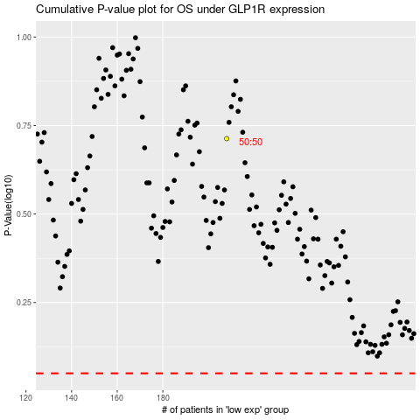

 |  |  |  |  |  | cases_OS | p_OS | rank | exp
 |  |  |  |  |  |  | cases_RFS | p_RFS | rank | exp

