GLRX _multivariate
Reported by Tex Li-Hsing Chi. tex@gate.sinica.edu.tw 2019-08-19

Table 2. The clinicopathological features of HNSCC cohort and GLRX expression. (Chi square test)
Cutoff at -0.579 (30.4%)
 |  | GLRX expression |  | GLRX expression |  | (Optimised)
 | Features | Low | (%) | High | (%) | Case no | P-value | Remark | Matthews
Gender | Female | 102 | 24.6 | 204 | 49.2 | 415 | 0.0371 | 1 | 0
2 | Male | 24 | 5.8 | 85 | 20.5
Age at diagnosis | <=65y | 84 | 20.2 | 190 | 45.8 | 415 | 0.9444 | 0 | 0
4 | >65y | 42 | 10.1 | 99 | 23.9
Clinical T Status | T1+T2 | 43 | 10.4 | 106 | 25.5 | 415 | 0.6988 | 0 | 0
6 | T3+T4 | 83 | 20 | 183 | 44.1
Clinical N Status | N0 | 73 | 17.6 | 143 | 34.5 | 415 | 0.1393 | 0 | 0
8 | N1-3 | 53 | 12.8 | 146 | 35.2
Clinical M Status | M0 | 125 | 30.1 | 287 | 69.2 | 415 | 1 | 0 | 0
10 | M1 | 1 | 0.2 | 2 | 0.5
Clinical Stage | Stage I+II | 32 | 7.7 | 70 | 16.9 | 415 | 0.8952 | 0 | 0
12 | Stage III+IV | 94 | 22.7 | 219 | 52.8
Surgical Margin status | Negative | 96 | 23.1 | 222 | 53.5 | 415 | 0.9001 | 0 | 0
14 | Positive | 30 | 7.2 | 67 | 16.1
Tobacco Exposure | Low | 37 | 8.9 | 124 | 29.9 | 415 | 0.0116 | 1 | 0
16 | High | 89 | 21.4 | 165 | 39.8

Table 3. Univariate/Multivariate Cox's proportional hazards regression analyses on OS time of GLRX gene expression in HNSCC

 |  | Univariate |  |  |  | Multivariate
 | Features | HR | CI95%(L) | CI95%(H) | P-value | HR | CI95%(L) | CI95%(H) | P-value
1 | Female | 1 |  |  |  | 1
Gender | Male | 1.157 | 0.843 | 1.587 | 0.367 | 1.213 | 0.867 | 1.696 | 0.26
11 | <=65y | 1 |  |  |  | 1
Age at diagnosis | >65y | 1.329 | 0.99 | 1.784 | 0.058 | 1.385 | 1.019 | 1.881 | 0.037
12 | T1+T2 | 1 |  |  |  | 1
Clinical T Status | T3+T4 | 1.409 | 1.028 | 1.931 | 0.033 | 2.165 | 1.145 | 4.093 | 0.017
13 | N0 | 1 |  |  |  | 1
Clinical N Status | N1-3 | 1.185 | 0.89 | 1.577 | 0.246 | 1.245 | 0.873 | 1.776 | 0.227
14 | M0 | 1 |  |  |  | 1
Clinical M Status | M1 | 4.097 | 1.009 | 16.644 | 0.049 | 9.062 | 1.976 | 41.556 | 0.005
15 | Stage I+II | 1 |  |  |  | 1
Clinical Stage | Stage III+IV | 1.245 | 0.882 | 1.759 | 0.213 | 0.513 | 0.239 | 1.101 | 0.087
16 | Negative | 1 |  |  |  | 1
Surgical Margin status | Positive | 1.591 | 1.155 | 2.191 | 0.004 | 1.666 | 1.206 | 2.301 | 0.002
17 | Low | 1 |  |  |  | 1
Tobacco Exposure | High | 1.364 | 1.008 | 1.844 | 0.044 | 1.407 | 1.019 | 1.944 | 0.038
18 | Low | 1 |  |  |  | 1
RNAseq(z-score) | High | 0.713 | 0.53 | 0.96 | 0.026 | 0.76 | 0.563 | 1.025 | 0.072

Table 4. Univariate/Multivariate Cox's proportional hazards regression analyses on RFS time of GLRX gene expression in HNSCC

 |  | Univariate |  |  |  | Multivariate
 | Features | HR | CI95%(L) | CI95%(H) | P-value | HR | CI95%(L) | CI95%(H) | P-value
1 | Female | 1 |  |  |  | 1
Gender | Male | 1.157 | 0.843 | 1.587 | 0.367 | 1.213 | 0.867 | 1.696 | 0.26
11 | <=65y | 1 |  |  |  | 1
Age at diagnosis | >65y | 1.329 | 0.99 | 1.784 | 0.058 | 1.385 | 1.019 | 1.881 | 0.037
12 | T1+T2 | 1 |  |  |  | 1
Clinical T Status | T3+T4 | 1.409 | 1.028 | 1.931 | 0.033 | 2.165 | 1.145 | 4.093 | 0.017
13 | N0 | 1 |  |  |  | 1
Clinical N Status | N1-3 | 1.185 | 0.89 | 1.577 | 0.246 | 1.245 | 0.873 | 1.776 | 0.227
14 | M0 | 1 |  |  |  | 1
Clinical M Status | M1 | 4.097 | 1.009 | 16.644 | 0.049 | 9.062 | 1.976 | 41.556 | 0.005
15 | Stage I+II | 1 |  |  |  | 1
Clinical Stage | Stage III+IV | 1.245 | 0.882 | 1.759 | 0.213 | 0.513 | 0.239 | 1.101 | 0.087
16 | Negative | 1 |  |  |  | 1
Surgical Margin status | Positive | 1.591 | 1.155 | 2.191 | 0.004 | 1.666 | 1.206 | 2.301 | 0.002
17 | Low | 1 |  |  |  | 1
Tobacco Exposure | High | 1.364 | 1.008 | 1.844 | 0.044 | 1.407 | 1.019 | 1.944 | 0.038
18 | Low | 1 |  |  |  | 1
RNAseq(z-score) | High | 0.713 | 0.53 | 0.96 | 0.026 | 0.76 | 0.563 | 1.025 | 0.072

Kaplan-Meier survival estimate: Cutoff at -0.579 (30.4%)

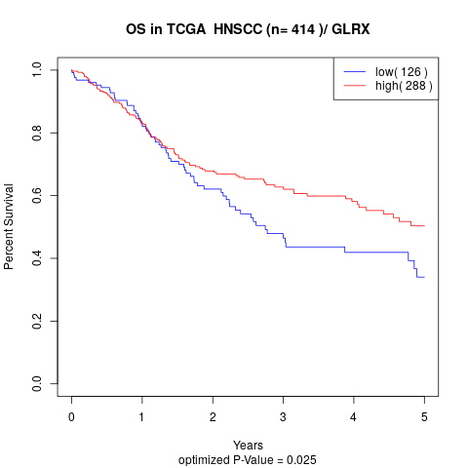

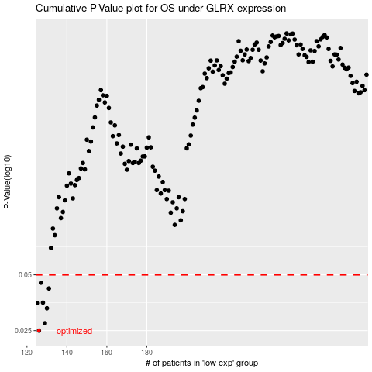

 |  |  |  |  |  | cases_OS | p_OS | rank | exp
 |  |  |  |  |  | 126 | 0.025 | 177 | -0.57855479559
 |  |  |  |  |  | 129 | 0.0274 | 335 | -0.5684913013
 |  |  |  |  |  | 130 | 0.033 | 14 | -0.56369040199
 |  |  |  |  |  | 125 | 0.0352 | 296 | -0.58368642352
 |  |  |  |  |  | 128 | 0.0354 | 404 | -0.57188356892
 |  |  |  |  |  | 131 | 0.0422 | 26 | -0.56313636717
 |  |  |  |  |  | 127 | 0.0453 | 325 | -0.57436384962
 |  |  |  |  |  |  | cases_RFS | p_RFS | rank | exp
 |  |  |  |  |  |  | 125 | 0.025 | 296 | -0.58368642352
 |  |  |  |  |  |  | 128 | 0.0274 | 404 | -0.57188356892
 |  |  |  |  |  |  | 129 | 0.033 | 335 | -0.5684913013
 |  |  |  |  |  |  |  | 0.0352 | 33 | -0.585556383
 |  |  |  |  |  |  | 127 | 0.0354 | 325 | -0.57436384962
 |  |  |  |  |  |  | 130 | 0.0422 | 14 | -0.56369040199
 |  |  |  |  |  |  | 126 | 0.0453 | 177 | -0.57855479559

