GLRX2 _multivariate
Reported by Tex Li-Hsing Chi. tex@gate.sinica.edu.tw 2019-08-19

Table 2. The clinicopathological features of HNSCC cohort and GLRX2 expression. (Chi square test)
Cutoff at -0.553 (33.3%)
 |  | GLRX2 expression |  | GLRX2 expression |  | (Optimised)
 | Features | Low | (%) | High | (%) | Case no | P-value | Remark | Matthews
Gender | Female | 107 | 25.8 | 199 | 48 | 415 | 0.2612 | 0 | 0
2 | Male | 31 | 7.5 | 78 | 18.8
Age at diagnosis | <=65y | 94 | 22.7 | 180 | 43.4 | 415 | 0.5995 | 0 | 0
4 | >65y | 44 | 10.6 | 97 | 23.4
Clinical T Status | T1+T2 | 49 | 11.8 | 100 | 24.1 | 415 | 0.9919 | 0 | 0
6 | T3+T4 | 89 | 21.4 | 177 | 42.7
Clinical N Status | N0 | 70 | 16.9 | 146 | 35.2 | 415 | 0.782 | 0 | 0
8 | N1-3 | 68 | 16.4 | 131 | 31.6
Clinical M Status | M0 | 138 | 33.3 | 274 | 66 | 415 | 0.5539 | 0 | 0
10 | M1 | 0 | 0 | 3 | 0.7
Clinical Stage | Stage I+II | 34 | 8.2 | 68 | 16.4 | 415 | 1 | 0 | 0
12 | Stage III+IV | 104 | 25.1 | 209 | 50.4
Surgical Margin status | Negative | 105 | 25.3 | 213 | 51.3 | 415 | 0.9022 | 0 | 0
14 | Positive | 33 | 8 | 64 | 15.4
Tobacco Exposure | Low | 50 | 12 | 111 | 26.7 | 415 | 0.4568 | 0 | 0
16 | High | 88 | 21.2 | 166 | 40

Table 3. Univariate/Multivariate Cox's proportional hazards regression analyses on OS time of GLRX2 gene expression in HNSCC

 |  | Univariate |  |  |  | Multivariate
 | Features | HR | CI95%(L) | CI95%(H) | P-value | HR | CI95%(L) | CI95%(H) | P-value
1 | Female | 1 |  |  |  | 1
Gender | Male | 1.157 | 0.843 | 1.587 | 0.367 | 1.176 | 0.842 | 1.644 | 0.341
11 | <=65y | 1 |  |  |  | 1
Age at diagnosis | >65y | 1.329 | 0.99 | 1.784 | 0.058 | 1.392 | 1.026 | 1.889 | 0.034
12 | T1+T2 | 1 |  |  |  | 1
Clinical T Status | T3+T4 | 1.409 | 1.028 | 1.931 | 0.033 | 2.202 | 1.165 | 4.162 | 0.015
13 | N0 | 1 |  |  |  | 1
Clinical N Status | N1-3 | 1.185 | 0.89 | 1.577 | 0.246 | 1.231 | 0.863 | 1.755 | 0.251
14 | M0 | 1 |  |  |  | 1
Clinical M Status | M1 | 4.097 | 1.009 | 16.644 | 0.049 | 8.553 | 1.861 | 39.315 | 0.006
15 | Stage I+II | 1 |  |  |  | 1
Clinical Stage | Stage III+IV | 1.245 | 0.882 | 1.759 | 0.213 | 0.509 | 0.237 | 1.09 | 0.082
16 | Negative | 1 |  |  |  | 1
Surgical Margin status | Positive | 1.591 | 1.155 | 2.191 | 0.004 | 1.651 | 1.195 | 2.282 | 0.002
17 | Low | 1 |  |  |  | 1
Tobacco Exposure | High | 1.364 | 1.008 | 1.844 | 0.044 | 1.467 | 1.065 | 2.02 | 0.019
18 | Low | 1 |  |  |  | 1
RNAseq(z-score) | High | 1.366 | 1 | 1.866 | 0.05 | 1.345 | 0.982 | 1.842 | 0.065

Table 4. Univariate/Multivariate Cox's proportional hazards regression analyses on RFS time of GLRX2 gene expression in HNSCC

 |  | Univariate |  |  |  | Multivariate
 | Features | HR | CI95%(L) | CI95%(H) | P-value | HR | CI95%(L) | CI95%(H) | P-value
1 | Female | 1 |  |  |  | 1
Gender | Male | 1.157 | 0.843 | 1.587 | 0.367 | 1.176 | 0.842 | 1.644 | 0.341
11 | <=65y | 1 |  |  |  | 1
Age at diagnosis | >65y | 1.329 | 0.99 | 1.784 | 0.058 | 1.392 | 1.026 | 1.889 | 0.034
12 | T1+T2 | 1 |  |  |  | 1
Clinical T Status | T3+T4 | 1.409 | 1.028 | 1.931 | 0.033 | 2.202 | 1.165 | 4.162 | 0.015
13 | N0 | 1 |  |  |  | 1
Clinical N Status | N1-3 | 1.185 | 0.89 | 1.577 | 0.246 | 1.231 | 0.863 | 1.755 | 0.251
14 | M0 | 1 |  |  |  | 1
Clinical M Status | M1 | 4.097 | 1.009 | 16.644 | 0.049 | 8.553 | 1.861 | 39.315 | 0.006
15 | Stage I+II | 1 |  |  |  | 1
Clinical Stage | Stage III+IV | 1.245 | 0.882 | 1.759 | 0.213 | 0.509 | 0.237 | 1.09 | 0.082
16 | Negative | 1 |  |  |  | 1
Surgical Margin status | Positive | 1.591 | 1.155 | 2.191 | 0.004 | 1.651 | 1.195 | 2.282 | 0.002
17 | Low | 1 |  |  |  | 1
Tobacco Exposure | High | 1.364 | 1.008 | 1.844 | 0.044 | 1.467 | 1.065 | 2.02 | 0.019
18 | Low | 1 |  |  |  | 1
RNAseq(z-score) | High | 1.366 | 1 | 1.866 | 0.05 | 1.345 | 0.982 | 1.842 | 0.065

Kaplan-Meier survival estimate: Cutoff at -0.553 (33.3%)



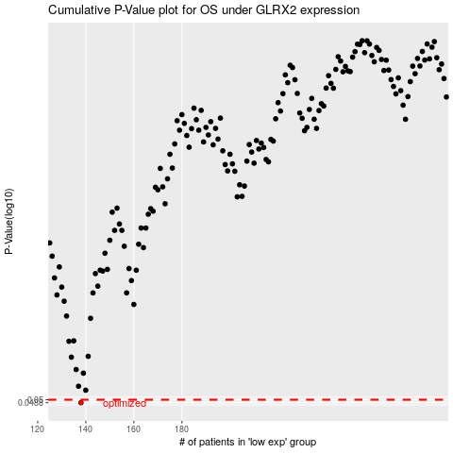

 |  |  |  |  |  | cases_OS | p_OS | rank | exp
 |  |  |  |  |  | 138 | 0.0488 | 163 | -0.55348117575
 |  |  |  |  |  |  | cases_RFS | p_RFS | rank | exp
 |  |  |  |  |  |  | 137 | 0.0488 | 330 | -0.55601863459

