GLS2 _multivariate
Reported by Tex Li-Hsing Chi. tex@gate.sinica.edu.tw 2019-08-19

Table 2. The clinicopathological features of HNSCC cohort and GLS2 expression. (Chi square test)
Cutoff at -0.486 (49.8%)
 |  | GLS2 expression |  | GLS2 expression |  | (Optimised)
 | Features | Low | (%) | High | (%) | Case no | P-value | Remark | Matthews
Gender | Female | 142 | 34.2 | 164 | 39.5 | 415 | 0.0238 | 1 | 0
2 | Male | 65 | 15.7 | 44 | 10.6
Age at diagnosis | <=65y | 132 | 31.8 | 142 | 34.2 | 415 | 0.3874 | 0 | 0
4 | >65y | 75 | 18.1 | 66 | 15.9
Clinical T Status | T1+T2 | 81 | 19.5 | 68 | 16.4 | 415 | 0.206 | 0 | 0
6 | T3+T4 | 126 | 30.4 | 140 | 33.7
Clinical N Status | N0 | 112 | 27 | 104 | 25.1 | 415 | 0.4599 | 0 | 0
8 | N1-3 | 95 | 22.9 | 104 | 25.1
Clinical M Status | M0 | 206 | 49.6 | 206 | 49.6 | 415 | 1 | 0 | 0
10 | M1 | 1 | 0.2 | 2 | 0.5
Clinical Stage | Stage I+II | 61 | 14.7 | 41 | 9.9 | 415 | 0.0282 | 1 | 0
12 | Stage III+IV | 146 | 35.2 | 167 | 40.2
Surgical Margin status | Negative | 161 | 38.8 | 157 | 37.8 | 415 | 0.6429 | 0 | 0
14 | Positive | 46 | 11.1 | 51 | 12.3
Tobacco Exposure | Low | 102 | 24.6 | 59 | 14.2 | 415 | 0 | 1 | 0
16 | High | 105 | 25.3 | 149 | 35.9

Table 3. Univariate/Multivariate Cox's proportional hazards regression analyses on OS time of GLS2 gene expression in HNSCC

 |  | Univariate |  |  |  | Multivariate
 | Features | HR | CI95%(L) | CI95%(H) | P-value | HR | CI95%(L) | CI95%(H) | P-value
1 | Female | 1 |  |  |  | 1
Gender | Male | 1.157 | 0.843 | 1.587 | 0.367 | 1.198 | 0.856 | 1.675 | 0.292
11 | <=65y | 1 |  |  |  | 1
Age at diagnosis | >65y | 1.329 | 0.99 | 1.784 | 0.058 | 1.393 | 1.024 | 1.893 | 0.035
12 | T1+T2 | 1 |  |  |  | 1
Clinical T Status | T3+T4 | 1.409 | 1.028 | 1.931 | 0.033 | 2.193 | 1.159 | 4.152 | 0.016
13 | N0 | 1 |  |  |  | 1
Clinical N Status | N1-3 | 1.185 | 0.89 | 1.577 | 0.246 | 1.24 | 0.869 | 1.769 | 0.235
14 | M0 | 1 |  |  |  | 1
Clinical M Status | M1 | 4.097 | 1.009 | 16.644 | 0.049 | 9.392 | 2.049 | 43.051 | 0.004
15 | Stage I+II | 1 |  |  |  | 1
Clinical Stage | Stage III+IV | 1.245 | 0.882 | 1.759 | 0.213 | 0.51 | 0.236 | 1.102 | 0.087
16 | Negative | 1 |  |  |  | 1
Surgical Margin status | Positive | 1.591 | 1.155 | 2.191 | 0.004 | 1.67 | 1.208 | 2.307 | 0.002
17 | Low | 1 |  |  |  | 1
Tobacco Exposure | High | 1.364 | 1.008 | 1.844 | 0.044 | 1.462 | 1.056 | 2.025 | 0.022
18 | Low | 1 |  |  |  | 1
RNAseq(z-score) | High | 1.023 | 0.767 | 1.364 | 0.877 | 0.968 | 0.716 | 1.31 | 0.835

Table 4. Univariate/Multivariate Cox's proportional hazards regression analyses on RFS time of GLS2 gene expression in HNSCC

 |  | Univariate |  |  |  | Multivariate
 | Features | HR | CI95%(L) | CI95%(H) | P-value | HR | CI95%(L) | CI95%(H) | P-value
1 | Female | 1 |  |  |  | 1
Gender | Male | 1.157 | 0.843 | 1.587 | 0.367 | 1.198 | 0.856 | 1.675 | 0.292
11 | <=65y | 1 |  |  |  | 1
Age at diagnosis | >65y | 1.329 | 0.99 | 1.784 | 0.058 | 1.393 | 1.024 | 1.893 | 0.035
12 | T1+T2 | 1 |  |  |  | 1
Clinical T Status | T3+T4 | 1.409 | 1.028 | 1.931 | 0.033 | 2.193 | 1.159 | 4.152 | 0.016
13 | N0 | 1 |  |  |  | 1
Clinical N Status | N1-3 | 1.185 | 0.89 | 1.577 | 0.246 | 1.24 | 0.869 | 1.769 | 0.235
14 | M0 | 1 |  |  |  | 1
Clinical M Status | M1 | 4.097 | 1.009 | 16.644 | 0.049 | 9.392 | 2.049 | 43.051 | 0.004
15 | Stage I+II | 1 |  |  |  | 1
Clinical Stage | Stage III+IV | 1.245 | 0.882 | 1.759 | 0.213 | 0.51 | 0.236 | 1.102 | 0.087
16 | Negative | 1 |  |  |  | 1
Surgical Margin status | Positive | 1.591 | 1.155 | 2.191 | 0.004 | 1.67 | 1.208 | 2.307 | 0.002
17 | Low | 1 |  |  |  | 1
Tobacco Exposure | High | 1.364 | 1.008 | 1.844 | 0.044 | 1.462 | 1.056 | 2.025 | 0.022
18 | Low | 1 |  |  |  | 1
RNAseq(z-score) | High | 1.023 | 0.767 | 1.364 | 0.877 | 0.968 | 0.716 | 1.31 | 0.835

Kaplan-Meier survival estimate: Cutoff at -0.486 (49.8%)



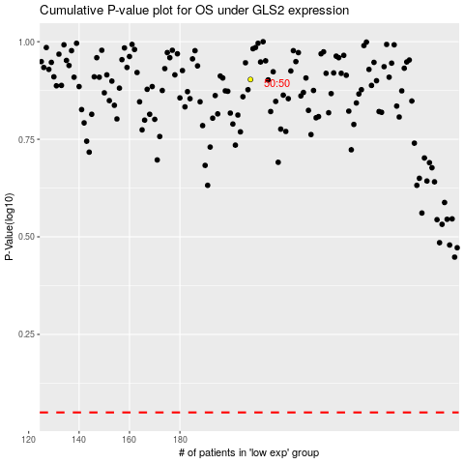

 |  |  |  |  |  | cases_OS | p_OS | rank | exp
 |  |  |  |  |  |  | cases_RFS | p_RFS | rank | exp

