GLT25D1 _multivariate
Reported by Tex Li-Hsing Chi. tex@gate.sinica.edu.tw 2019-08-19

Table 2. The clinicopathological features of HNSCC cohort and GLT25D1 expression. (Chi square test)
Cutoff at -0.265 (35.0%)
 |  | GLT25D1 expression |  | GLT25D1 expression |  | (Optimised)
 | Features | Low | (%) | High | (%) | Case no | P-value | Remark | Matthews
Gender | Female | 106 | 25.5 | 200 | 48.2 | 415 | 0.7877 | 0 | 0
2 | Male | 40 | 9.6 | 69 | 16.6
Age at diagnosis | <=65y | 94 | 22.7 | 180 | 43.4 | 415 | 0.6808 | 0 | 0
4 | >65y | 52 | 12.5 | 89 | 21.4
Clinical T Status | T1+T2 | 58 | 14 | 91 | 21.9 | 415 | 0.2763 | 0 | 0
6 | T3+T4 | 88 | 21.2 | 178 | 42.9
Clinical N Status | N0 | 72 | 17.3 | 144 | 34.7 | 415 | 0.4726 | 0 | 0
8 | N1-3 | 74 | 17.8 | 125 | 30.1
Clinical M Status | M0 | 145 | 34.9 | 267 | 64.3 | 415 | 1 | 0 | 0
10 | M1 | 1 | 0.2 | 2 | 0.5
Clinical Stage | Stage I+II | 34 | 8.2 | 68 | 16.4 | 415 | 0.741 | 0 | 0
12 | Stage III+IV | 112 | 27 | 201 | 48.4
Surgical Margin status | Negative | 105 | 25.3 | 213 | 51.3 | 415 | 0.1141 | 0 | 0
14 | Positive | 41 | 9.9 | 56 | 13.5
Tobacco Exposure | Low | 63 | 15.2 | 98 | 23.6 | 415 | 0.2057 | 0 | 0
16 | High | 83 | 20 | 171 | 41.2

Table 3. Univariate/Multivariate Cox's proportional hazards regression analyses on OS time of GLT25D1 gene expression in HNSCC

 |  | Univariate |  |  |  | Multivariate
 | Features | HR | CI95%(L) | CI95%(H) | P-value | HR | CI95%(L) | CI95%(H) | P-value
1 | Female | 1 |  |  |  | 1
Gender | Male | 1.157 | 0.843 | 1.587 | 0.367 | 1.224 | 0.875 | 1.714 | 0.238
11 | <=65y | 1 |  |  |  | 1
Age at diagnosis | >65y | 1.329 | 0.99 | 1.784 | 0.058 | 1.385 | 1.019 | 1.883 | 0.038
12 | T1+T2 | 1 |  |  |  | 1
Clinical T Status | T3+T4 | 1.409 | 1.028 | 1.931 | 0.033 | 2.046 | 1.078 | 3.883 | 0.029
13 | N0 | 1 |  |  |  | 1
Clinical N Status | N1-3 | 1.185 | 0.89 | 1.577 | 0.246 | 1.241 | 0.869 | 1.773 | 0.235
14 | M0 | 1 |  |  |  | 1
Clinical M Status | M1 | 4.097 | 1.009 | 16.644 | 0.049 | 8.539 | 1.857 | 39.276 | 0.006
15 | Stage I+II | 1 |  |  |  | 1
Clinical Stage | Stage III+IV | 1.245 | 0.882 | 1.759 | 0.213 | 0.533 | 0.248 | 1.146 | 0.107
16 | Negative | 1 |  |  |  | 1
Surgical Margin status | Positive | 1.591 | 1.155 | 2.191 | 0.004 | 1.694 | 1.226 | 2.34 | 0.001
17 | Low | 1 |  |  |  | 1
Tobacco Exposure | High | 1.364 | 1.008 | 1.844 | 0.044 | 1.445 | 1.047 | 1.994 | 0.025
18 | Low | 1 |  |  |  | 1
RNAseq(z-score) | High | 1.386 | 1.011 | 1.899 | 0.042 | 1.326 | 0.964 | 1.825 | 0.083

Table 4. Univariate/Multivariate Cox's proportional hazards regression analyses on RFS time of GLT25D1 gene expression in HNSCC

 |  | Univariate |  |  |  | Multivariate
 | Features | HR | CI95%(L) | CI95%(H) | P-value | HR | CI95%(L) | CI95%(H) | P-value
1 | Female | 1 |  |  |  | 1
Gender | Male | 1.157 | 0.843 | 1.587 | 0.367 | 1.224 | 0.875 | 1.714 | 0.238
11 | <=65y | 1 |  |  |  | 1
Age at diagnosis | >65y | 1.329 | 0.99 | 1.784 | 0.058 | 1.385 | 1.019 | 1.883 | 0.038
12 | T1+T2 | 1 |  |  |  | 1
Clinical T Status | T3+T4 | 1.409 | 1.028 | 1.931 | 0.033 | 2.046 | 1.078 | 3.883 | 0.029
13 | N0 | 1 |  |  |  | 1
Clinical N Status | N1-3 | 1.185 | 0.89 | 1.577 | 0.246 | 1.241 | 0.869 | 1.773 | 0.235
14 | M0 | 1 |  |  |  | 1
Clinical M Status | M1 | 4.097 | 1.009 | 16.644 | 0.049 | 8.539 | 1.857 | 39.276 | 0.006
15 | Stage I+II | 1 |  |  |  | 1
Clinical Stage | Stage III+IV | 1.245 | 0.882 | 1.759 | 0.213 | 0.533 | 0.248 | 1.146 | 0.107
16 | Negative | 1 |  |  |  | 1
Surgical Margin status | Positive | 1.591 | 1.155 | 2.191 | 0.004 | 1.694 | 1.226 | 2.34 | 0.001
17 | Low | 1 |  |  |  | 1
Tobacco Exposure | High | 1.364 | 1.008 | 1.844 | 0.044 | 1.445 | 1.047 | 1.994 | 0.025
18 | Low | 1 |  |  |  | 1
RNAseq(z-score) | High | 1.386 | 1.011 | 1.899 | 0.042 | 1.326 | 0.964 | 1.825 | 0.083

Kaplan-Meier survival estimate: Cutoff at -0.265 (35.0%)



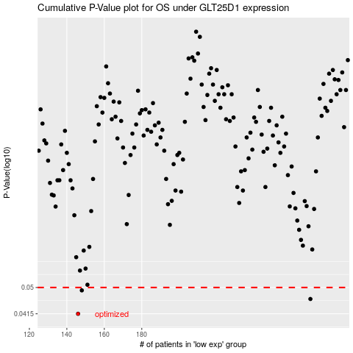

 |  |  |  |  |  | cases_OS | p_OS | rank | exp
 |  |  |  |  |  | 146 | 0.0415 | 296 | -0.26516226531
 |  |  |  |  |  | 270 | 0.0461 | 241 | 0.34733703922
 |  |  |  |  |  | 148 | 0.049 | 138 | -0.24545911571
 |  |  |  |  |  |  | cases_RFS | p_RFS | rank | exp
 |  |  |  |  |  |  | 145 | 0.0415 | 183 | -0.26957099957
 |  |  |  |  |  |  | 269 | 0.0461 | 205 | 0.34706695861
 |  |  |  |  |  |  | 147 | 0.049 | 320 | -0.24638540198

