GLT25D2 _multivariate
Reported by Tex Li-Hsing Chi. tex@gate.sinica.edu.tw 2019-08-19

Table 2. The clinicopathological features of HNSCC cohort and GLT25D2 expression. (Chi square test)
Cutoff at -0.321 (50.0%)
 |  | GLT25D2 expression |  | GLT25D2 expression |  | (Optimised)
 | Features | Low | (%) | High | (%) | Case no | P-value | Remark | Matthews
Gender | Female | 151 | 36.4 | 155 | 37.3 | 415 | 0.8007 | 0 | 0
2 | Male | 56 | 13.5 | 53 | 12.8
Age at diagnosis | <=65y | 140 | 33.7 | 134 | 32.3 | 415 | 0.5574 | 0 | 0
4 | >65y | 67 | 16.1 | 74 | 17.8
Clinical T Status | T1+T2 | 65 | 15.7 | 84 | 20.2 | 415 | 0.0711 | 0 | 0
6 | T3+T4 | 142 | 34.2 | 124 | 29.9
Clinical N Status | N0 | 104 | 25.1 | 112 | 27 | 415 | 0.5243 | 0 | 0
8 | N1-3 | 103 | 24.8 | 96 | 23.1
Clinical M Status | M0 | 204 | 49.2 | 208 | 50.1 | 415 | 0.1232 | 0 | 0
10 | M1 | 3 | 0.7 | 0 | 0
Clinical Stage | Stage I+II | 45 | 10.8 | 57 | 13.7 | 415 | 0.2202 | 0 | 0
12 | Stage III+IV | 162 | 39 | 151 | 36.4
Surgical Margin status | Negative | 155 | 37.3 | 163 | 39.3 | 415 | 0.4187 | 0 | 0
14 | Positive | 52 | 12.5 | 45 | 10.8
Tobacco Exposure | Low | 90 | 21.7 | 71 | 17.1 | 415 | 0.0559 | 0 | 0
16 | High | 117 | 28.2 | 137 | 33

Table 3. Univariate/Multivariate Cox's proportional hazards regression analyses on OS time of GLT25D2 gene expression in HNSCC

 |  | Univariate |  |  |  | Multivariate
 | Features | HR | CI95%(L) | CI95%(H) | P-value | HR | CI95%(L) | CI95%(H) | P-value
1 | Female | 1 |  |  |  | 1
Gender | Male | 1.157 | 0.843 | 1.587 | 0.367 | 1.205 | 0.862 | 1.683 | 0.275
11 | <=65y | 1 |  |  |  | 1
Age at diagnosis | >65y | 1.329 | 0.99 | 1.784 | 0.058 | 1.385 | 1.018 | 1.885 | 0.038
12 | T1+T2 | 1 |  |  |  | 1
Clinical T Status | T3+T4 | 1.409 | 1.028 | 1.931 | 0.033 | 2.219 | 1.173 | 4.2 | 0.014
13 | N0 | 1 |  |  |  | 1
Clinical N Status | N1-3 | 1.185 | 0.89 | 1.577 | 0.246 | 1.243 | 0.871 | 1.774 | 0.23
14 | M0 | 1 |  |  |  | 1
Clinical M Status | M1 | 4.097 | 1.009 | 16.644 | 0.049 | 9.77 | 2.11 | 45.244 | 0.004
15 | Stage I+II | 1 |  |  |  | 1
Clinical Stage | Stage III+IV | 1.245 | 0.882 | 1.759 | 0.213 | 0.5 | 0.233 | 1.075 | 0.076
16 | Negative | 1 |  |  |  | 1
Surgical Margin status | Positive | 1.591 | 1.155 | 2.191 | 0.004 | 1.682 | 1.216 | 2.327 | 0.002
17 | Low | 1 |  |  |  | 1
Tobacco Exposure | High | 1.364 | 1.008 | 1.844 | 0.044 | 1.439 | 1.042 | 1.989 | 0.027
18 | Low | 1 |  |  |  | 1
RNAseq(z-score) | High | 1.048 | 0.786 | 1.396 | 0.75 | 1.066 | 0.795 | 1.429 | 0.67

Table 4. Univariate/Multivariate Cox's proportional hazards regression analyses on RFS time of GLT25D2 gene expression in HNSCC

 |  | Univariate |  |  |  | Multivariate
 | Features | HR | CI95%(L) | CI95%(H) | P-value | HR | CI95%(L) | CI95%(H) | P-value
1 | Female | 1 |  |  |  | 1
Gender | Male | 1.157 | 0.843 | 1.587 | 0.367 | 1.205 | 0.862 | 1.683 | 0.275
11 | <=65y | 1 |  |  |  | 1
Age at diagnosis | >65y | 1.329 | 0.99 | 1.784 | 0.058 | 1.385 | 1.018 | 1.885 | 0.038
12 | T1+T2 | 1 |  |  |  | 1
Clinical T Status | T3+T4 | 1.409 | 1.028 | 1.931 | 0.033 | 2.219 | 1.173 | 4.2 | 0.014
13 | N0 | 1 |  |  |  | 1
Clinical N Status | N1-3 | 1.185 | 0.89 | 1.577 | 0.246 | 1.243 | 0.871 | 1.774 | 0.23
14 | M0 | 1 |  |  |  | 1
Clinical M Status | M1 | 4.097 | 1.009 | 16.644 | 0.049 | 9.77 | 2.11 | 45.244 | 0.004
15 | Stage I+II | 1 |  |  |  | 1
Clinical Stage | Stage III+IV | 1.245 | 0.882 | 1.759 | 0.213 | 0.5 | 0.233 | 1.075 | 0.076
16 | Negative | 1 |  |  |  | 1
Surgical Margin status | Positive | 1.591 | 1.155 | 2.191 | 0.004 | 1.682 | 1.216 | 2.327 | 0.002
17 | Low | 1 |  |  |  | 1
Tobacco Exposure | High | 1.364 | 1.008 | 1.844 | 0.044 | 1.439 | 1.042 | 1.989 | 0.027
18 | Low | 1 |  |  |  | 1
RNAseq(z-score) | High | 1.048 | 0.786 | 1.396 | 0.75 | 1.066 | 0.795 | 1.429 | 0.67

Kaplan-Meier survival estimate: Cutoff at -0.321 (50.0%)



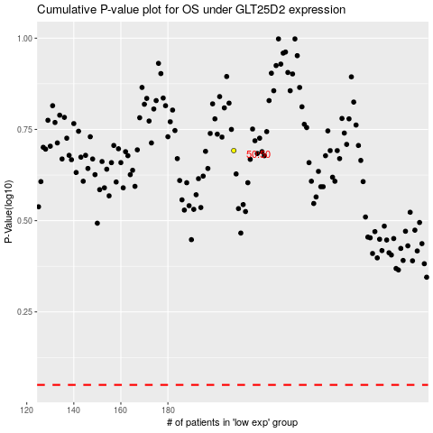

 |  |  |  |  |  | cases_OS | p_OS | rank | exp
 |  |  |  |  |  |  | cases_RFS | p_RFS | rank | exp

