GLTSCR1 _multivariate
Reported by Tex Li-Hsing Chi. tex@gate.sinica.edu.tw 2019-08-19

Table 2. The clinicopathological features of HNSCC cohort and GLTSCR1 expression. (Chi square test)
Cutoff at 0.293 (64.3%)
 |  | GLTSCR1 expression |  | GLTSCR1 expression |  | (Optimised)
 | Features | Low | (%) | High | (%) | Case no | P-value | Remark | Matthews
Gender | Female | 190 | 45.8 | 116 | 28 | 415 | 0.1378 | 0 | 0
2 | Male | 77 | 18.6 | 32 | 7.7
Age at diagnosis | <=65y | 177 | 42.7 | 97 | 23.4 | 415 | 0.9628 | 0 | 0
4 | >65y | 90 | 21.7 | 51 | 12.3
Clinical T Status | T1+T2 | 98 | 23.6 | 51 | 12.3 | 415 | 0.7265 | 0 | 0
6 | T3+T4 | 169 | 40.7 | 97 | 23.4
Clinical N Status | N0 | 136 | 32.8 | 80 | 19.3 | 415 | 0.6126 | 0 | 0
8 | N1-3 | 131 | 31.6 | 68 | 16.4
Clinical M Status | M0 | 264 | 63.6 | 148 | 35.7 | 415 | 0.5556 | 0 | 0
10 | M1 | 3 | 0.7 | 0 | 0
Clinical Stage | Stage I+II | 69 | 16.6 | 33 | 8 | 415 | 0.4936 | 0 | 0
12 | Stage III+IV | 198 | 47.7 | 115 | 27.7
Surgical Margin status | Negative | 208 | 50.1 | 110 | 26.5 | 415 | 0.4676 | 0 | 0
14 | Positive | 59 | 14.2 | 38 | 9.2
Tobacco Exposure | Low | 107 | 25.8 | 54 | 13 | 415 | 0.5283 | 0 | 0
16 | High | 160 | 38.6 | 94 | 22.7

Table 3. Univariate/Multivariate Cox's proportional hazards regression analyses on OS time of GLTSCR1 gene expression in HNSCC

 |  | Univariate |  |  |  | Multivariate
 | Features | HR | CI95%(L) | CI95%(H) | P-value | HR | CI95%(L) | CI95%(H) | P-value
1 | Female | 1 |  |  |  | 1
Gender | Male | 1.157 | 0.843 | 1.587 | 0.367 | 1.167 | 0.835 | 1.63 | 0.365
11 | <=65y | 1 |  |  |  | 1
Age at diagnosis | >65y | 1.329 | 0.99 | 1.784 | 0.058 | 1.354 | 0.997 | 1.84 | 0.052
12 | T1+T2 | 1 |  |  |  | 1
Clinical T Status | T3+T4 | 1.409 | 1.028 | 1.931 | 0.033 | 2.14 | 1.132 | 4.046 | 0.019
13 | N0 | 1 |  |  |  | 1
Clinical N Status | N1-3 | 1.185 | 0.89 | 1.577 | 0.246 | 1.226 | 0.86 | 1.748 | 0.26
14 | M0 | 1 |  |  |  | 1
Clinical M Status | M1 | 4.097 | 1.009 | 16.644 | 0.049 | 7.643 | 1.662 | 35.153 | 0.009
15 | Stage I+II | 1 |  |  |  | 1
Clinical Stage | Stage III+IV | 1.245 | 0.882 | 1.759 | 0.213 | 0.56 | 0.26 | 1.205 | 0.138
16 | Negative | 1 |  |  |  | 1
Surgical Margin status | Positive | 1.591 | 1.155 | 2.191 | 0.004 | 1.717 | 1.243 | 2.373 | 0.001
17 | Low | 1 |  |  |  | 1
Tobacco Exposure | High | 1.364 | 1.008 | 1.844 | 0.044 | 1.449 | 1.053 | 1.994 | 0.023
18 | Low | 1 |  |  |  | 1
RNAseq(z-score) | High | 0.618 | 0.449 | 0.851 | 0.003 | 0.606 | 0.438 | 0.839 | 0.003

Table 4. Univariate/Multivariate Cox's proportional hazards regression analyses on RFS time of GLTSCR1 gene expression in HNSCC

 |  | Univariate |  |  |  | Multivariate
 | Features | HR | CI95%(L) | CI95%(H) | P-value | HR | CI95%(L) | CI95%(H) | P-value
1 | Female | 1 |  |  |  | 1
Gender | Male | 1.157 | 0.843 | 1.587 | 0.367 | 1.167 | 0.835 | 1.63 | 0.365
11 | <=65y | 1 |  |  |  | 1
Age at diagnosis | >65y | 1.329 | 0.99 | 1.784 | 0.058 | 1.354 | 0.997 | 1.84 | 0.052
12 | T1+T2 | 1 |  |  |  | 1
Clinical T Status | T3+T4 | 1.409 | 1.028 | 1.931 | 0.033 | 2.14 | 1.132 | 4.046 | 0.019
13 | N0 | 1 |  |  |  | 1
Clinical N Status | N1-3 | 1.185 | 0.89 | 1.577 | 0.246 | 1.226 | 0.86 | 1.748 | 0.26
14 | M0 | 1 |  |  |  | 1
Clinical M Status | M1 | 4.097 | 1.009 | 16.644 | 0.049 | 7.643 | 1.662 | 35.153 | 0.009
15 | Stage I+II | 1 |  |  |  | 1
Clinical Stage | Stage III+IV | 1.245 | 0.882 | 1.759 | 0.213 | 0.56 | 0.26 | 1.205 | 0.138
16 | Negative | 1 |  |  |  | 1
Surgical Margin status | Positive | 1.591 | 1.155 | 2.191 | 0.004 | 1.717 | 1.243 | 2.373 | 0.001
17 | Low | 1 |  |  |  | 1
Tobacco Exposure | High | 1.364 | 1.008 | 1.844 | 0.044 | 1.449 | 1.053 | 1.994 | 0.023
18 | Low | 1 |  |  |  | 1
RNAseq(z-score) | High | 0.618 | 0.449 | 0.851 | 0.003 | 0.606 | 0.438 | 0.839 | 0.003

Kaplan-Meier survival estimate: Cutoff at 0.293 (64.3%)

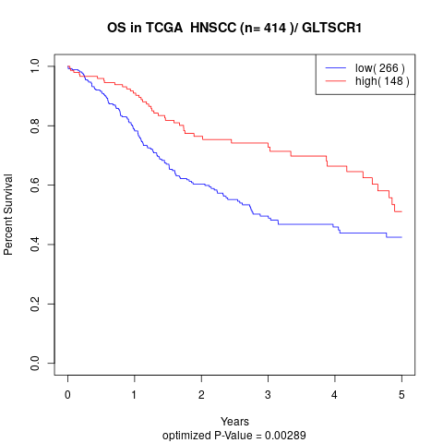

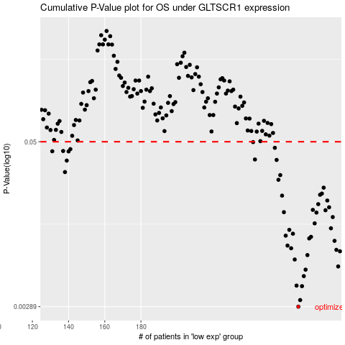

 |  |  |  |  |  | cases_OS | p_OS | rank | exp
 |  |  |  |  |  | 267 | 0.00289 | 393 | 0.29288785008
 |  |  |  |  |  | 268 | 0.00324 | 164 | 0.30047378625
 |  |  |  |  |  | 269 | 0.00412 | 53 | 0.31656822287
 |  |  |  |  |  | 266 | 0.00416 | 125 | 0.28850429412
 |  |  |  |  |  | 270 | 0.0049 | 22 | 0.31991549887
 |  |  |  |  |  | 271 | 0.00548 | 365 | 0.3350442693
 |  |  |  |  |  | 289 | 0.00579 | 402 | 0.45257033916
 |  |  |  |  |  | 265 | 0.00653 | 398 | 0.27683376417
 |  |  |  |  |  | 272 | 0.00705 | 399 | 0.33653816316
 |  |  |  |  |  | 290 | 0.00753 | 102 | 0.46898116215
 |  |  |  |  |  | 288 | 0.00772 | 411 | 0.41672789123
 |  |  |  |  |  | 263 | 0.00793 | 84 | 0.23368508396
 |  |  |  |  |  | 261 | 0.00831 | 151 | 0.22785807254
 |  |  |  |  |  | 287 | 0.00902 | 211 | 0.41402530977
 |  |  |  |  |  | 273 | 0.0094 | 172 | 0.34731180655
 |  |  |  |  |  | 274 | 0.00966 | 232 | 0.34900011754
 |  |  |  |  |  | 260 | 0.00986 | 366 | 0.22122588076
 |  |  |  |  |  | 264 | 0.0102 | 250 | 0.24742450558
 |  |  |  |  |  | 262 | 0.0109 | 65 | 0.23304956005
 |  |  |  |  |  | 285 | 0.0112 | 18 | 0.39702023065
 |  |  |  |  |  | 276 | 0.0122 | 290 | 0.35595878336
 |  |  |  |  |  | 286 | 0.0136 | 289 | 0.41245529977
 |  |  |  |  |  | 277 | 0.0147 | 367 | 0.36002411883
 |  |  |  |  |  | 259 | 0.0148 | 217 | 0.21746684397
 |  |  |  |  |  | 282 | 0.0153 | 305 | 0.38357885415
 |  |  |  |  |  | 275 | 0.0154 | 371 | 0.35372298641
 |  |  |  |  |  | 284 | 0.0161 | 133 | 0.39529156894
 |  |  |  |  |  | 278 | 0.017 | 310 | 0.36806675184
 |  |  |  |  |  | 283 | 0.0181 | 72 | 0.38928481339
 |  |  |  |  |  | 258 | 0.0197 | 237 | 0.21220290857
 |  |  |  |  |  | 279 | 0.02 | 291 | 0.36830885618
 |  |  |  |  |  | 280 | 0.0204 | 332 | 0.37308766583
 |  |  |  |  |  | 281 | 0.0226 | 224 | 0.37613506258
 |  |  |  |  |  | 256 | 0.0259 | 238 | 0.20184010892
 |  |  |  |  |  | 257 | 0.0281 | 78 | 0.21035227762
 |  |  |  |  |  | 138 | 0.0296 | 15 | -0.49841919963
 |  |  |  |  |  | 139 | 0.0361 | 252 | -0.49793499094
 |  |  |  |  |  | 255 | 0.0365 | 276 | 0.19954928825
 |  |  |  |  |  | 243 | 0.0368 | 219 | 0.13733122255
 |  |  |  |  |  | 140 | 0.0423 | 259 | -0.48262280813
 |  |  |  |  |  | 131 | 0.0424 | 357 | -0.52506810186
 |  |  |  |  |  | 137 | 0.0426 | 285 | -0.50287520349
 |  |  |  |  |  | 141 | 0.044 | 34 | -0.47692418538
 |  |  |  |  |  | 254 | 0.045 | 90 | 0.19454396431
 |  |  |  |  |  | 242 | 0.0497 | 355 | 0.13111445982
 |  |  |  |  |  |  | cases_RFS | p_RFS | rank | exp
 |  |  |  |  |  |  | 266 | 0.00289 | 125 | 0.28850429412
 |  |  |  |  |  |  | 267 | 0.00324 | 393 | 0.29288785008
 |  |  |  |  |  |  | 268 | 0.00412 | 164 | 0.30047378625
 |  |  |  |  |  |  | 265 | 0.00416 | 398 | 0.27683376417
 |  |  |  |  |  |  | 269 | 0.0049 | 53 | 0.31656822287
 |  |  |  |  |  |  | 270 | 0.00548 | 22 | 0.31991549887
 |  |  |  |  |  |  | 288 | 0.00579 | 411 | 0.41672789123
 |  |  |  |  |  |  | 264 | 0.00653 | 250 | 0.24742450558
 |  |  |  |  |  |  | 271 | 0.00705 | 365 | 0.3350442693
 |  |  |  |  |  |  | 289 | 0.00753 | 402 | 0.45257033916
 |  |  |  |  |  |  | 287 | 0.00772 | 211 | 0.41402530977
 |  |  |  |  |  |  | 262 | 0.00793 | 65 | 0.23304956005
 |  |  |  |  |  |  | 260 | 0.00831 | 366 | 0.22122588076
 |  |  |  |  |  |  | 286 | 0.00902 | 289 | 0.41245529977
 |  |  |  |  |  |  | 272 | 0.0094 | 399 | 0.33653816316
 |  |  |  |  |  |  | 273 | 0.00966 | 172 | 0.34731180655
 |  |  |  |  |  |  | 259 | 0.00986 | 217 | 0.21746684397
 |  |  |  |  |  |  | 263 | 0.0102 | 84 | 0.23368508396
 |  |  |  |  |  |  | 261 | 0.0109 | 151 | 0.22785807254
 |  |  |  |  |  |  | 284 | 0.0112 | 133 | 0.39529156894
 |  |  |  |  |  |  | 275 | 0.0122 | 371 | 0.35372298641
 |  |  |  |  |  |  | 285 | 0.0136 | 18 | 0.39702023065
 |  |  |  |  |  |  | 276 | 0.0147 | 290 | 0.35595878336
 |  |  |  |  |  |  | 258 | 0.0148 | 237 | 0.21220290857
 |  |  |  |  |  |  | 281 | 0.0153 | 224 | 0.37613506258
 |  |  |  |  |  |  | 274 | 0.0154 | 232 | 0.34900011754
 |  |  |  |  |  |  | 283 | 0.0161 | 72 | 0.38928481339
 |  |  |  |  |  |  | 277 | 0.017 | 367 | 0.36002411883
 |  |  |  |  |  |  | 282 | 0.0181 | 305 | 0.38357885415
 |  |  |  |  |  |  | 257 | 0.0197 | 78 | 0.21035227762
 |  |  |  |  |  |  | 278 | 0.02 | 310 | 0.36806675184
 |  |  |  |  |  |  | 279 | 0.0204 | 291 | 0.36830885618
 |  |  |  |  |  |  | 280 | 0.0226 | 332 | 0.37308766583
 |  |  |  |  |  |  | 255 | 0.0259 | 276 | 0.19954928825
 |  |  |  |  |  |  | 256 | 0.0281 | 238 | 0.20184010892
 |  |  |  |  |  |  | 137 | 0.0296 | 285 | -0.50287520349
 |  |  |  |  |  |  | 138 | 0.0361 | 15 | -0.49841919963
 |  |  |  |  |  |  | 254 | 0.0365 | 90 | 0.19454396431
 |  |  |  |  |  |  | 242 | 0.0368 | 355 | 0.13111445982
 |  |  |  |  |  |  | 139 | 0.0423 | 252 | -0.49793499094
 |  |  |  |  |  |  | 130 | 0.0424 | 99 | -0.53066126248
 |  |  |  |  |  |  | 136 | 0.0426 | 70 | -0.50380051896
 |  |  |  |  |  |  | 140 | 0.044 | 259 | -0.48262280813
 |  |  |  |  |  |  | 253 | 0.045 | 208 | 0.19039425914
 |  |  |  |  |  |  | 241 | 0.0497 | 203 | 0.12822479772

