GLTSCR2 _multivariate
Reported by Tex Li-Hsing Chi. tex@gate.sinica.edu.tw 2019-08-19

Table 2. The clinicopathological features of HNSCC cohort and GLTSCR2 expression. (Chi square test)
Cutoff at -0.416 (45.9%)
 |  | GLTSCR2 expression |  | GLTSCR2 expression |  | (Optimised)
 | Features | Low | (%) | High | (%) | Case no | P-value | Remark | Matthews
Gender | Female | 141 | 34 | 165 | 39.8 | 415 | 1 | 0 | 0
2 | Male | 50 | 12 | 59 | 14.2
Age at diagnosis | <=65y | 128 | 30.8 | 146 | 35.2 | 415 | 0.7719 | 0 | 0
4 | >65y | 63 | 15.2 | 78 | 18.8
Clinical T Status | T1+T2 | 65 | 15.7 | 84 | 20.2 | 415 | 0.5277 | 0 | 0
6 | T3+T4 | 126 | 30.4 | 140 | 33.7
Clinical N Status | N0 | 97 | 23.4 | 119 | 28.7 | 415 | 0.7062 | 0 | 0
8 | N1-3 | 94 | 22.7 | 105 | 25.3
Clinical M Status | M0 | 189 | 45.5 | 223 | 53.7 | 415 | 0.5966 | 0 | 0
10 | M1 | 2 | 0.5 | 1 | 0.2
Clinical Stage | Stage I+II | 44 | 10.6 | 58 | 14 | 415 | 0.576 | 0 | 0
12 | Stage III+IV | 147 | 35.4 | 166 | 40
Surgical Margin status | Negative | 151 | 36.4 | 167 | 40.2 | 415 | 0.2968 | 0 | 0
14 | Positive | 40 | 9.6 | 57 | 13.7
Tobacco Exposure | Low | 74 | 17.8 | 87 | 21 | 415 | 1 | 0 | 0
16 | High | 117 | 28.2 | 137 | 33

Table 3. Univariate/Multivariate Cox's proportional hazards regression analyses on OS time of GLTSCR2 gene expression in HNSCC

 |  | Univariate |  |  |  | Multivariate
 | Features | HR | CI95%(L) | CI95%(H) | P-value | HR | CI95%(L) | CI95%(H) | P-value
1 | Female | 1 |  |  |  | 1
Gender | Male | 1.157 | 0.843 | 1.587 | 0.367 | 1.212 | 0.867 | 1.694 | 0.26
11 | <=65y | 1 |  |  |  | 1
Age at diagnosis | >65y | 1.329 | 0.99 | 1.784 | 0.058 | 1.37 | 1.008 | 1.863 | 0.044
12 | T1+T2 | 1 |  |  |  | 1
Clinical T Status | T3+T4 | 1.409 | 1.028 | 1.931 | 0.033 | 2.176 | 1.15 | 4.116 | 0.017
13 | N0 | 1 |  |  |  | 1
Clinical N Status | N1-3 | 1.185 | 0.89 | 1.577 | 0.246 | 1.251 | 0.877 | 1.785 | 0.216
14 | M0 | 1 |  |  |  | 1
Clinical M Status | M1 | 4.097 | 1.009 | 16.644 | 0.049 | 8.938 | 1.948 | 41.011 | 0.005
15 | Stage I+II | 1 |  |  |  | 1
Clinical Stage | Stage III+IV | 1.245 | 0.882 | 1.759 | 0.213 | 0.51 | 0.237 | 1.095 | 0.084
16 | Negative | 1 |  |  |  | 1
Surgical Margin status | Positive | 1.591 | 1.155 | 2.191 | 0.004 | 1.732 | 1.25 | 2.4 | 0.001
17 | Low | 1 |  |  |  | 1
Tobacco Exposure | High | 1.364 | 1.008 | 1.844 | 0.044 | 1.445 | 1.048 | 1.991 | 0.025
18 | Low | 1 |  |  |  | 1
RNAseq(z-score) | High | 0.747 | 0.56 | 0.996 | 0.047 | 0.73 | 0.546 | 0.976 | 0.034

Table 4. Univariate/Multivariate Cox's proportional hazards regression analyses on RFS time of GLTSCR2 gene expression in HNSCC

 |  | Univariate |  |  |  | Multivariate
 | Features | HR | CI95%(L) | CI95%(H) | P-value | HR | CI95%(L) | CI95%(H) | P-value
1 | Female | 1 |  |  |  | 1
Gender | Male | 1.157 | 0.843 | 1.587 | 0.367 | 1.212 | 0.867 | 1.694 | 0.26
11 | <=65y | 1 |  |  |  | 1
Age at diagnosis | >65y | 1.329 | 0.99 | 1.784 | 0.058 | 1.37 | 1.008 | 1.863 | 0.044
12 | T1+T2 | 1 |  |  |  | 1
Clinical T Status | T3+T4 | 1.409 | 1.028 | 1.931 | 0.033 | 2.176 | 1.15 | 4.116 | 0.017
13 | N0 | 1 |  |  |  | 1
Clinical N Status | N1-3 | 1.185 | 0.89 | 1.577 | 0.246 | 1.251 | 0.877 | 1.785 | 0.216
14 | M0 | 1 |  |  |  | 1
Clinical M Status | M1 | 4.097 | 1.009 | 16.644 | 0.049 | 8.938 | 1.948 | 41.011 | 0.005
15 | Stage I+II | 1 |  |  |  | 1
Clinical Stage | Stage III+IV | 1.245 | 0.882 | 1.759 | 0.213 | 0.51 | 0.237 | 1.095 | 0.084
16 | Negative | 1 |  |  |  | 1
Surgical Margin status | Positive | 1.591 | 1.155 | 2.191 | 0.004 | 1.732 | 1.25 | 2.4 | 0.001
17 | Low | 1 |  |  |  | 1
Tobacco Exposure | High | 1.364 | 1.008 | 1.844 | 0.044 | 1.445 | 1.048 | 1.991 | 0.025
18 | Low | 1 |  |  |  | 1
RNAseq(z-score) | High | 0.747 | 0.56 | 0.996 | 0.047 | 0.73 | 0.546 | 0.976 | 0.034

Kaplan-Meier survival estimate: Cutoff at -0.416 (45.9%)



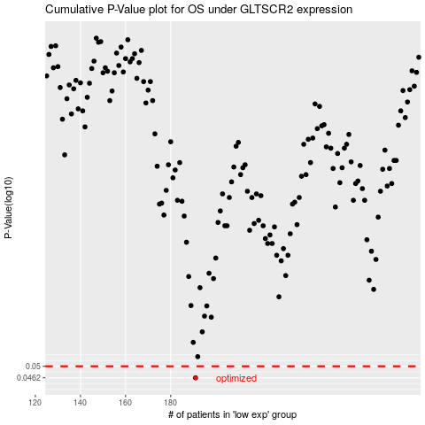

 |  |  |  |  |  | cases_OS | p_OS | rank | exp
 |  |  |  |  |  | 191 | 0.0462 | 187 | -0.41564287638
 |  |  |  |  |  |  | cases_RFS | p_RFS | rank | exp
 |  |  |  |  |  |  | 190 | 0.0462 | 373 | -0.41601271986

