GLUL _multivariate
Reported by Tex Li-Hsing Chi. tex@gate.sinica.edu.tw 2019-08-19

Table 2. The clinicopathological features of HNSCC cohort and GLUL expression. (Chi square test)
Cutoff at -0.387 (49.8%)
 |  | GLUL expression |  | GLUL expression |  | (Optimised)
 | Features | Low | (%) | High | (%) | Case no | P-value | Remark | Matthews
Gender | Female | 149 | 35.9 | 157 | 37.8 | 415 | 0.4848 | 0 | 0
2 | Male | 58 | 14 | 51 | 12.3
Age at diagnosis | <=65y | 140 | 33.7 | 134 | 32.3 | 415 | 0.5574 | 0 | 0
4 | >65y | 67 | 16.1 | 74 | 17.8
Clinical T Status | T1+T2 | 83 | 20 | 66 | 15.9 | 415 | 0.0941 | 0 | 0
6 | T3+T4 | 124 | 29.9 | 142 | 34.2
Clinical N Status | N0 | 118 | 28.4 | 98 | 23.6 | 415 | 0.0551 | 1 | 0
8 | N1-3 | 89 | 21.4 | 110 | 26.5
Clinical M Status | M0 | 204 | 49.2 | 208 | 50.1 | 415 | 0.1232 | 0 | 0
10 | M1 | 3 | 0.7 | 0 | 0
Clinical Stage | Stage I+II | 64 | 15.4 | 38 | 9.2 | 415 | 0.004 | 1 | 0
12 | Stage III+IV | 143 | 34.5 | 170 | 41
Surgical Margin status | Negative | 155 | 37.3 | 163 | 39.3 | 415 | 0.4187 | 0 | 0
14 | Positive | 52 | 12.5 | 45 | 10.8
Tobacco Exposure | Low | 86 | 20.7 | 75 | 18.1 | 415 | 0.2687 | 0 | 0
16 | High | 121 | 29.2 | 133 | 32

Table 3. Univariate/Multivariate Cox's proportional hazards regression analyses on OS time of GLUL gene expression in HNSCC

 |  | Univariate |  |  |  | Multivariate
 | Features | HR | CI95%(L) | CI95%(H) | P-value | HR | CI95%(L) | CI95%(H) | P-value
1 | Female | 1 |  |  |  | 1
Gender | Male | 1.157 | 0.843 | 1.587 | 0.367 | 1.2 | 0.857 | 1.68 | 0.289
11 | <=65y | 1 |  |  |  | 1
Age at diagnosis | >65y | 1.329 | 0.99 | 1.784 | 0.058 | 1.392 | 1.024 | 1.893 | 0.035
12 | T1+T2 | 1 |  |  |  | 1
Clinical T Status | T3+T4 | 1.409 | 1.028 | 1.931 | 0.033 | 2.201 | 1.164 | 4.162 | 0.015
13 | N0 | 1 |  |  |  | 1
Clinical N Status | N1-3 | 1.185 | 0.89 | 1.577 | 0.246 | 1.241 | 0.87 | 1.77 | 0.234
14 | M0 | 1 |  |  |  | 1
Clinical M Status | M1 | 4.097 | 1.009 | 16.644 | 0.049 | 9.333 | 2.013 | 43.277 | 0.004
15 | Stage I+II | 1 |  |  |  | 1
Clinical Stage | Stage III+IV | 1.245 | 0.882 | 1.759 | 0.213 | 0.506 | 0.235 | 1.092 | 0.083
16 | Negative | 1 |  |  |  | 1
Surgical Margin status | Positive | 1.591 | 1.155 | 2.191 | 0.004 | 1.67 | 1.207 | 2.31 | 0.002
17 | Low | 1 |  |  |  | 1
Tobacco Exposure | High | 1.364 | 1.008 | 1.844 | 0.044 | 1.454 | 1.055 | 2.005 | 0.022
18 | Low | 1 |  |  |  | 1
RNAseq(z-score) | High | 0.984 | 0.739 | 1.31 | 0.909 | 0.988 | 0.733 | 1.331 | 0.935

Table 4. Univariate/Multivariate Cox's proportional hazards regression analyses on RFS time of GLUL gene expression in HNSCC

 |  | Univariate |  |  |  | Multivariate
 | Features | HR | CI95%(L) | CI95%(H) | P-value | HR | CI95%(L) | CI95%(H) | P-value
1 | Female | 1 |  |  |  | 1
Gender | Male | 1.157 | 0.843 | 1.587 | 0.367 | 1.2 | 0.857 | 1.68 | 0.289
11 | <=65y | 1 |  |  |  | 1
Age at diagnosis | >65y | 1.329 | 0.99 | 1.784 | 0.058 | 1.392 | 1.024 | 1.893 | 0.035
12 | T1+T2 | 1 |  |  |  | 1
Clinical T Status | T3+T4 | 1.409 | 1.028 | 1.931 | 0.033 | 2.201 | 1.164 | 4.162 | 0.015
13 | N0 | 1 |  |  |  | 1
Clinical N Status | N1-3 | 1.185 | 0.89 | 1.577 | 0.246 | 1.241 | 0.87 | 1.77 | 0.234
14 | M0 | 1 |  |  |  | 1
Clinical M Status | M1 | 4.097 | 1.009 | 16.644 | 0.049 | 9.333 | 2.013 | 43.277 | 0.004
15 | Stage I+II | 1 |  |  |  | 1
Clinical Stage | Stage III+IV | 1.245 | 0.882 | 1.759 | 0.213 | 0.506 | 0.235 | 1.092 | 0.083
16 | Negative | 1 |  |  |  | 1
Surgical Margin status | Positive | 1.591 | 1.155 | 2.191 | 0.004 | 1.67 | 1.207 | 2.31 | 0.002
17 | Low | 1 |  |  |  | 1
Tobacco Exposure | High | 1.364 | 1.008 | 1.844 | 0.044 | 1.454 | 1.055 | 2.005 | 0.022
18 | Low | 1 |  |  |  | 1
RNAseq(z-score) | High | 0.984 | 0.739 | 1.31 | 0.909 | 0.988 | 0.733 | 1.331 | 0.935

Kaplan-Meier survival estimate: Cutoff at -0.387 (49.8%)



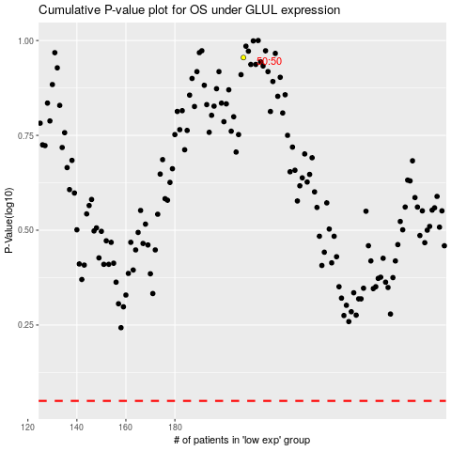

 |  |  |  |  |  | cases_OS | p_OS | rank | exp
 |  |  |  |  |  |  | cases_RFS | p_RFS | rank | exp

