GLYATL2 _multivariate
Reported by Tex Li-Hsing Chi. tex@gate.sinica.edu.tw 2019-08-19

Table 2. The clinicopathological features of HNSCC cohort and GLYATL2 expression. (Chi square test)
Cutoff at -0.242 (49.8%)
 |  | GLYATL2 expression |  | GLYATL2 expression |  | (Optimised)
 | Features | Low | (%) | High | (%) | Case no | P-value | Remark | Matthews
Gender | Female | 156 | 37.6 | 150 | 36.1 | 415 | 0.5222 | 0 | 0
2 | Male | 51 | 12.3 | 58 | 14
Age at diagnosis | <=65y | 133 | 32 | 141 | 34 | 415 | 0.5111 | 0 | 0
4 | >65y | 74 | 17.8 | 67 | 16.1
Clinical T Status | T1+T2 | 70 | 16.9 | 79 | 19 | 415 | 0.4343 | 0 | 0
6 | T3+T4 | 137 | 33 | 129 | 31.1
Clinical N Status | N0 | 111 | 26.7 | 105 | 25.3 | 415 | 0.5875 | 0 | 0
8 | N1-3 | 96 | 23.1 | 103 | 24.8
Clinical M Status | M0 | 204 | 49.2 | 208 | 50.1 | 415 | 0.1232 | 0 | 0
10 | M1 | 3 | 0.7 | 0 | 0
Clinical Stage | Stage I+II | 50 | 12 | 52 | 12.5 | 415 | 0.9315 | 0 | 0
12 | Stage III+IV | 157 | 37.8 | 156 | 37.6
Surgical Margin status | Negative | 158 | 38.1 | 160 | 38.6 | 415 | 0.9081 | 0 | 0
14 | Positive | 49 | 11.8 | 48 | 11.6
Tobacco Exposure | Low | 93 | 22.4 | 68 | 16.4 | 415 | 0.0118 | 1 | 0
16 | High | 114 | 27.5 | 140 | 33.7

Table 3. Univariate/Multivariate Cox's proportional hazards regression analyses on OS time of GLYATL2 gene expression in HNSCC

 |  | Univariate |  |  |  | Multivariate
 | Features | HR | CI95%(L) | CI95%(H) | P-value | HR | CI95%(L) | CI95%(H) | P-value
1 | Female | 1 |  |  |  | 1
Gender | Male | 1.157 | 0.843 | 1.587 | 0.367 | 1.221 | 0.872 | 1.711 | 0.244
11 | <=65y | 1 |  |  |  | 1
Age at diagnosis | >65y | 1.329 | 0.99 | 1.784 | 0.058 | 1.384 | 1.018 | 1.882 | 0.038
12 | T1+T2 | 1 |  |  |  | 1
Clinical T Status | T3+T4 | 1.409 | 1.028 | 1.931 | 0.033 | 2.152 | 1.136 | 4.078 | 0.019
13 | N0 | 1 |  |  |  | 1
Clinical N Status | N1-3 | 1.185 | 0.89 | 1.577 | 0.246 | 1.242 | 0.87 | 1.771 | 0.233
14 | M0 | 1 |  |  |  | 1
Clinical M Status | M1 | 4.097 | 1.009 | 16.644 | 0.049 | 8.71 | 1.882 | 40.319 | 0.006
15 | Stage I+II | 1 |  |  |  | 1
Clinical Stage | Stage III+IV | 1.245 | 0.882 | 1.759 | 0.213 | 0.512 | 0.239 | 1.1 | 0.086
16 | Negative | 1 |  |  |  | 1
Surgical Margin status | Positive | 1.591 | 1.155 | 2.191 | 0.004 | 1.675 | 1.212 | 2.315 | 0.002
17 | Low | 1 |  |  |  | 1
Tobacco Exposure | High | 1.364 | 1.008 | 1.844 | 0.044 | 1.485 | 1.073 | 2.055 | 0.017
18 | Low | 1 |  |  |  | 1
RNAseq(z-score) | High | 0.882 | 0.662 | 1.174 | 0.39 | 0.881 | 0.656 | 1.182 | 0.397

Table 4. Univariate/Multivariate Cox's proportional hazards regression analyses on RFS time of GLYATL2 gene expression in HNSCC

 |  | Univariate |  |  |  | Multivariate
 | Features | HR | CI95%(L) | CI95%(H) | P-value | HR | CI95%(L) | CI95%(H) | P-value
1 | Female | 1 |  |  |  | 1
Gender | Male | 1.157 | 0.843 | 1.587 | 0.367 | 1.221 | 0.872 | 1.711 | 0.244
11 | <=65y | 1 |  |  |  | 1
Age at diagnosis | >65y | 1.329 | 0.99 | 1.784 | 0.058 | 1.384 | 1.018 | 1.882 | 0.038
12 | T1+T2 | 1 |  |  |  | 1
Clinical T Status | T3+T4 | 1.409 | 1.028 | 1.931 | 0.033 | 2.152 | 1.136 | 4.078 | 0.019
13 | N0 | 1 |  |  |  | 1
Clinical N Status | N1-3 | 1.185 | 0.89 | 1.577 | 0.246 | 1.242 | 0.87 | 1.771 | 0.233
14 | M0 | 1 |  |  |  | 1
Clinical M Status | M1 | 4.097 | 1.009 | 16.644 | 0.049 | 8.71 | 1.882 | 40.319 | 0.006
15 | Stage I+II | 1 |  |  |  | 1
Clinical Stage | Stage III+IV | 1.245 | 0.882 | 1.759 | 0.213 | 0.512 | 0.239 | 1.1 | 0.086
16 | Negative | 1 |  |  |  | 1
Surgical Margin status | Positive | 1.591 | 1.155 | 2.191 | 0.004 | 1.675 | 1.212 | 2.315 | 0.002
17 | Low | 1 |  |  |  | 1
Tobacco Exposure | High | 1.364 | 1.008 | 1.844 | 0.044 | 1.485 | 1.073 | 2.055 | 0.017
18 | Low | 1 |  |  |  | 1
RNAseq(z-score) | High | 0.882 | 0.662 | 1.174 | 0.39 | 0.881 | 0.656 | 1.182 | 0.397

Kaplan-Meier survival estimate: Cutoff at -0.242 (49.8%)



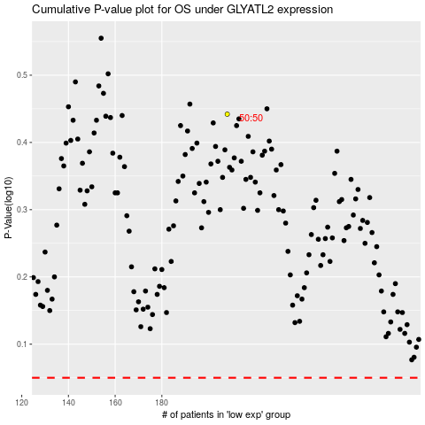

 |  |  |  |  |  | cases_OS | p_OS | rank | exp
 |  |  |  |  |  |  | cases_RFS | p_RFS | rank | exp

