GMFB _multivariate
Reported by Tex Li-Hsing Chi. tex@gate.sinica.edu.tw 2019-08-19

Table 2. The clinicopathological features of HNSCC cohort and GMFB expression. (Chi square test)
Cutoff at -0.098 (50.0%)
 |  | GMFB expression |  | GMFB expression |  | (Optimised)
 | Features | Low | (%) | High | (%) | Case no | P-value | Remark | Matthews
Gender | Female | 164 | 39.5 | 142 | 34.2 | 415 | 0.0153 | 1 | 0
2 | Male | 43 | 10.4 | 66 | 15.9
Age at diagnosis | <=65y | 135 | 32.5 | 139 | 33.5 | 415 | 0.8084 | 0 | 0
4 | >65y | 72 | 17.3 | 69 | 16.6
Clinical T Status | T1+T2 | 82 | 19.8 | 67 | 16.1 | 415 | 0.1417 | 0 | 0
6 | T3+T4 | 125 | 30.1 | 141 | 34
Clinical N Status | N0 | 112 | 27 | 104 | 25.1 | 415 | 0.4599 | 0 | 0
8 | N1-3 | 95 | 22.9 | 104 | 25.1
Clinical M Status | M0 | 204 | 49.2 | 208 | 50.1 | 415 | 0.1232 | 0 | 0
10 | M1 | 3 | 0.7 | 0 | 0
Clinical Stage | Stage I+II | 50 | 12 | 52 | 12.5 | 415 | 0.9315 | 0 | 0
12 | Stage III+IV | 157 | 37.8 | 156 | 37.6
Surgical Margin status | Negative | 159 | 38.3 | 159 | 38.3 | 415 | 1 | 0 | 0
14 | Positive | 48 | 11.6 | 49 | 11.8
Tobacco Exposure | Low | 80 | 19.3 | 81 | 19.5 | 415 | 1 | 0 | 0
16 | High | 127 | 30.6 | 127 | 30.6

Table 3. Univariate/Multivariate Cox's proportional hazards regression analyses on OS time of GMFB gene expression in HNSCC

 |  | Univariate |  |  |  | Multivariate
 | Features | HR | CI95%(L) | CI95%(H) | P-value | HR | CI95%(L) | CI95%(H) | P-value
1 | Female | 1 |  |  |  | 1
Gender | Male | 1.157 | 0.843 | 1.587 | 0.367 | 1.191 | 0.851 | 1.666 | 0.308
11 | <=65y | 1 |  |  |  | 1
Age at diagnosis | >65y | 1.329 | 0.99 | 1.784 | 0.058 | 1.397 | 1.027 | 1.899 | 0.033
12 | T1+T2 | 1 |  |  |  | 1
Clinical T Status | T3+T4 | 1.409 | 1.028 | 1.931 | 0.033 | 2.168 | 1.145 | 4.106 | 0.018
13 | N0 | 1 |  |  |  | 1
Clinical N Status | N1-3 | 1.185 | 0.89 | 1.577 | 0.246 | 1.239 | 0.868 | 1.767 | 0.238
14 | M0 | 1 |  |  |  | 1
Clinical M Status | M1 | 4.097 | 1.009 | 16.644 | 0.049 | 9.765 | 2.122 | 44.943 | 0.003
15 | Stage I+II | 1 |  |  |  | 1
Clinical Stage | Stage III+IV | 1.245 | 0.882 | 1.759 | 0.213 | 0.513 | 0.238 | 1.102 | 0.087
16 | Negative | 1 |  |  |  | 1
Surgical Margin status | Positive | 1.591 | 1.155 | 2.191 | 0.004 | 1.679 | 1.215 | 2.321 | 0.002
17 | Low | 1 |  |  |  | 1
Tobacco Exposure | High | 1.364 | 1.008 | 1.844 | 0.044 | 1.454 | 1.055 | 2.003 | 0.022
18 | Low | 1 |  |  |  | 1
RNAseq(z-score) | High | 1.115 | 0.836 | 1.487 | 0.459 | 1.107 | 0.827 | 1.483 | 0.494

Table 4. Univariate/Multivariate Cox's proportional hazards regression analyses on RFS time of GMFB gene expression in HNSCC

 |  | Univariate |  |  |  | Multivariate
 | Features | HR | CI95%(L) | CI95%(H) | P-value | HR | CI95%(L) | CI95%(H) | P-value
1 | Female | 1 |  |  |  | 1
Gender | Male | 1.157 | 0.843 | 1.587 | 0.367 | 1.191 | 0.851 | 1.666 | 0.308
11 | <=65y | 1 |  |  |  | 1
Age at diagnosis | >65y | 1.329 | 0.99 | 1.784 | 0.058 | 1.397 | 1.027 | 1.899 | 0.033
12 | T1+T2 | 1 |  |  |  | 1
Clinical T Status | T3+T4 | 1.409 | 1.028 | 1.931 | 0.033 | 2.168 | 1.145 | 4.106 | 0.018
13 | N0 | 1 |  |  |  | 1
Clinical N Status | N1-3 | 1.185 | 0.89 | 1.577 | 0.246 | 1.239 | 0.868 | 1.767 | 0.238
14 | M0 | 1 |  |  |  | 1
Clinical M Status | M1 | 4.097 | 1.009 | 16.644 | 0.049 | 9.765 | 2.122 | 44.943 | 0.003
15 | Stage I+II | 1 |  |  |  | 1
Clinical Stage | Stage III+IV | 1.245 | 0.882 | 1.759 | 0.213 | 0.513 | 0.238 | 1.102 | 0.087
16 | Negative | 1 |  |  |  | 1
Surgical Margin status | Positive | 1.591 | 1.155 | 2.191 | 0.004 | 1.679 | 1.215 | 2.321 | 0.002
17 | Low | 1 |  |  |  | 1
Tobacco Exposure | High | 1.364 | 1.008 | 1.844 | 0.044 | 1.454 | 1.055 | 2.003 | 0.022
18 | Low | 1 |  |  |  | 1
RNAseq(z-score) | High | 1.115 | 0.836 | 1.487 | 0.459 | 1.107 | 0.827 | 1.483 | 0.494

Kaplan-Meier survival estimate: Cutoff at -0.098 (50.0%)



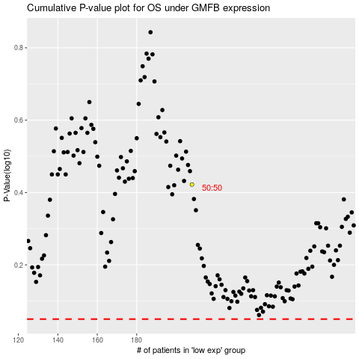

 |  |  |  |  |  | cases_OS | p_OS | rank | exp
 |  |  |  |  |  |  | cases_RFS | p_RFS | rank | exp

