GMFG _multivariate
Reported by Tex Li-Hsing Chi. tex@gate.sinica.edu.tw 2019-08-19

Table 2. The clinicopathological features of HNSCC cohort and GMFG expression. (Chi square test)
Cutoff at -0.295 (50.0%)
 |  | GMFG expression |  | GMFG expression |  | (Optimised)
 | Features | Low | (%) | High | (%) | Case no | P-value | Remark | Matthews
Gender | Female | 160 | 38.6 | 146 | 35.2 | 415 | 0.1254 | 0 | 0
2 | Male | 47 | 11.3 | 62 | 14.9
Age at diagnosis | <=65y | 145 | 34.9 | 129 | 31.1 | 415 | 0.1046 | 0 | 0
4 | >65y | 62 | 14.9 | 79 | 19
Clinical T Status | T1+T2 | 71 | 17.1 | 78 | 18.8 | 415 | 0.5638 | 0 | 0
6 | T3+T4 | 136 | 32.8 | 130 | 31.3
Clinical N Status | N0 | 116 | 28 | 100 | 24.1 | 415 | 0.1273 | 1 | 0
8 | N1-3 | 91 | 21.9 | 108 | 26
Clinical M Status | M0 | 206 | 49.6 | 206 | 49.6 | 415 | 1 | 0 | 0
10 | M1 | 1 | 0.2 | 2 | 0.5
Clinical Stage | Stage I+II | 50 | 12 | 52 | 12.5 | 415 | 0.9315 | 0 | 0
12 | Stage III+IV | 157 | 37.8 | 156 | 37.6
Surgical Margin status | Negative | 160 | 38.6 | 158 | 38.1 | 415 | 0.8167 | 0 | 0
14 | Positive | 47 | 11.3 | 50 | 12
Tobacco Exposure | Low | 74 | 17.8 | 87 | 21 | 415 | 0.227 | 0 | 0
16 | High | 133 | 32 | 121 | 29.2

Table 3. Univariate/Multivariate Cox's proportional hazards regression analyses on OS time of GMFG gene expression in HNSCC

 |  | Univariate |  |  |  | Multivariate
 | Features | HR | CI95%(L) | CI95%(H) | P-value | HR | CI95%(L) | CI95%(H) | P-value
1 | Female | 1 |  |  |  | 1
Gender | Male | 1.157 | 0.843 | 1.587 | 0.367 | 1.207 | 0.864 | 1.686 | 0.269
11 | <=65y | 1 |  |  |  | 1
Age at diagnosis | >65y | 1.329 | 0.99 | 1.784 | 0.058 | 1.415 | 1.04 | 1.926 | 0.027
12 | T1+T2 | 1 |  |  |  | 1
Clinical T Status | T3+T4 | 1.409 | 1.028 | 1.931 | 0.033 | 2.215 | 1.171 | 4.188 | 0.014
13 | N0 | 1 |  |  |  | 1
Clinical N Status | N1-3 | 1.185 | 0.89 | 1.577 | 0.246 | 1.267 | 0.887 | 1.811 | 0.194
14 | M0 | 1 |  |  |  | 1
Clinical M Status | M1 | 4.097 | 1.009 | 16.644 | 0.049 | 9.914 | 2.157 | 45.565 | 0.003
15 | Stage I+II | 1 |  |  |  | 1
Clinical Stage | Stage III+IV | 1.245 | 0.882 | 1.759 | 0.213 | 0.496 | 0.231 | 1.064 | 0.072
16 | Negative | 1 |  |  |  | 1
Surgical Margin status | Positive | 1.591 | 1.155 | 2.191 | 0.004 | 1.693 | 1.224 | 2.342 | 0.001
17 | Low | 1 |  |  |  | 1
Tobacco Exposure | High | 1.364 | 1.008 | 1.844 | 0.044 | 1.422 | 1.03 | 1.963 | 0.032
18 | Low | 1 |  |  |  | 1
RNAseq(z-score) | High | 0.885 | 0.662 | 1.182 | 0.407 | 0.841 | 0.625 | 1.131 | 0.251

Table 4. Univariate/Multivariate Cox's proportional hazards regression analyses on RFS time of GMFG gene expression in HNSCC

 |  | Univariate |  |  |  | Multivariate
 | Features | HR | CI95%(L) | CI95%(H) | P-value | HR | CI95%(L) | CI95%(H) | P-value
1 | Female | 1 |  |  |  | 1
Gender | Male | 1.157 | 0.843 | 1.587 | 0.367 | 1.207 | 0.864 | 1.686 | 0.269
11 | <=65y | 1 |  |  |  | 1
Age at diagnosis | >65y | 1.329 | 0.99 | 1.784 | 0.058 | 1.415 | 1.04 | 1.926 | 0.027
12 | T1+T2 | 1 |  |  |  | 1
Clinical T Status | T3+T4 | 1.409 | 1.028 | 1.931 | 0.033 | 2.215 | 1.171 | 4.188 | 0.014
13 | N0 | 1 |  |  |  | 1
Clinical N Status | N1-3 | 1.185 | 0.89 | 1.577 | 0.246 | 1.267 | 0.887 | 1.811 | 0.194
14 | M0 | 1 |  |  |  | 1
Clinical M Status | M1 | 4.097 | 1.009 | 16.644 | 0.049 | 9.914 | 2.157 | 45.565 | 0.003
15 | Stage I+II | 1 |  |  |  | 1
Clinical Stage | Stage III+IV | 1.245 | 0.882 | 1.759 | 0.213 | 0.496 | 0.231 | 1.064 | 0.072
16 | Negative | 1 |  |  |  | 1
Surgical Margin status | Positive | 1.591 | 1.155 | 2.191 | 0.004 | 1.693 | 1.224 | 2.342 | 0.001
17 | Low | 1 |  |  |  | 1
Tobacco Exposure | High | 1.364 | 1.008 | 1.844 | 0.044 | 1.422 | 1.03 | 1.963 | 0.032
18 | Low | 1 |  |  |  | 1
RNAseq(z-score) | High | 0.885 | 0.662 | 1.182 | 0.407 | 0.841 | 0.625 | 1.131 | 0.251

Kaplan-Meier survival estimate: Cutoff at -0.295 (50.0%)



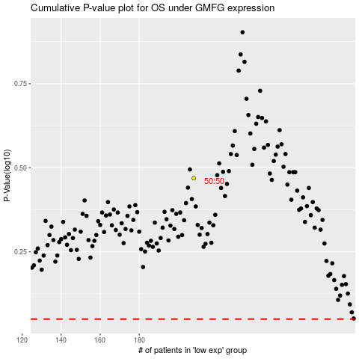

 |  |  |  |  |  | cases_OS | p_OS | rank | exp
 |  |  |  |  |  |  | cases_RFS | p_RFS | rank | exp

