GMPPA _multivariate
Reported by Tex Li-Hsing Chi. tex@gate.sinica.edu.tw 2019-08-19

Table 2. The clinicopathological features of HNSCC cohort and GMPPA expression. (Chi square test)
Cutoff at -0.182 (50.0%)
 |  | GMPPA expression |  | GMPPA expression |  | (Optimised)
 | Features | Low | (%) | High | (%) | Case no | P-value | Remark | Matthews
Gender | Female | 150 | 36.1 | 156 | 37.6 | 415 | 0.6344 | 0 | 0
2 | Male | 57 | 13.7 | 52 | 12.5
Age at diagnosis | <=65y | 136 | 32.8 | 138 | 33.3 | 415 | 0.9719 | 0 | 0
4 | >65y | 71 | 17.1 | 70 | 16.9
Clinical T Status | T1+T2 | 71 | 17.1 | 78 | 18.8 | 415 | 0.5638 | 0 | 0
6 | T3+T4 | 136 | 32.8 | 130 | 31.3
Clinical N Status | N0 | 112 | 27 | 104 | 25.1 | 415 | 0.4599 | 0 | 0
8 | N1-3 | 95 | 22.9 | 104 | 25.1
Clinical M Status | M0 | 206 | 49.6 | 206 | 49.6 | 415 | 1 | 0 | 0
10 | M1 | 1 | 0.2 | 2 | 0.5
Clinical Stage | Stage I+II | 45 | 10.8 | 57 | 13.7 | 415 | 0.2202 | 0 | 0
12 | Stage III+IV | 162 | 39 | 151 | 36.4
Surgical Margin status | Negative | 156 | 37.6 | 162 | 39 | 415 | 0.5636 | 0 | 0
14 | Positive | 51 | 12.3 | 46 | 11.1
Tobacco Exposure | Low | 70 | 16.9 | 91 | 21.9 | 415 | 0.0439 | 1 | 0
16 | High | 137 | 33 | 117 | 28.2

Table 3. Univariate/Multivariate Cox's proportional hazards regression analyses on OS time of GMPPA gene expression in HNSCC

 |  | Univariate |  |  |  | Multivariate
 | Features | HR | CI95%(L) | CI95%(H) | P-value | HR | CI95%(L) | CI95%(H) | P-value
1 | Female | 1 |  |  |  | 1
Gender | Male | 1.157 | 0.843 | 1.587 | 0.367 | 1.21 | 0.867 | 1.69 | 0.263
11 | <=65y | 1 |  |  |  | 1
Age at diagnosis | >65y | 1.329 | 0.99 | 1.784 | 0.058 | 1.396 | 1.027 | 1.898 | 0.033
12 | T1+T2 | 1 |  |  |  | 1
Clinical T Status | T3+T4 | 1.409 | 1.028 | 1.931 | 0.033 | 2.258 | 1.191 | 4.279 | 0.013
13 | N0 | 1 |  |  |  | 1
Clinical N Status | N1-3 | 1.185 | 0.89 | 1.577 | 0.246 | 1.261 | 0.882 | 1.802 | 0.203
14 | M0 | 1 |  |  |  | 1
Clinical M Status | M1 | 4.097 | 1.009 | 16.644 | 0.049 | 10.009 | 2.17 | 46.169 | 0.003
15 | Stage I+II | 1 |  |  |  | 1
Clinical Stage | Stage III+IV | 1.245 | 0.882 | 1.759 | 0.213 | 0.486 | 0.226 | 1.047 | 0.066
16 | Negative | 1 |  |  |  | 1
Surgical Margin status | Positive | 1.591 | 1.155 | 2.191 | 0.004 | 1.672 | 1.21 | 2.311 | 0.002
17 | Low | 1 |  |  |  | 1
Tobacco Exposure | High | 1.364 | 1.008 | 1.844 | 0.044 | 1.436 | 1.041 | 1.98 | 0.028
18 | Low | 1 |  |  |  | 1
RNAseq(z-score) | High | 0.9 | 0.675 | 1.199 | 0.47 | 0.874 | 0.653 | 1.171 | 0.368

Table 4. Univariate/Multivariate Cox's proportional hazards regression analyses on RFS time of GMPPA gene expression in HNSCC

 |  | Univariate |  |  |  | Multivariate
 | Features | HR | CI95%(L) | CI95%(H) | P-value | HR | CI95%(L) | CI95%(H) | P-value
1 | Female | 1 |  |  |  | 1
Gender | Male | 1.157 | 0.843 | 1.587 | 0.367 | 1.21 | 0.867 | 1.69 | 0.263
11 | <=65y | 1 |  |  |  | 1
Age at diagnosis | >65y | 1.329 | 0.99 | 1.784 | 0.058 | 1.396 | 1.027 | 1.898 | 0.033
12 | T1+T2 | 1 |  |  |  | 1
Clinical T Status | T3+T4 | 1.409 | 1.028 | 1.931 | 0.033 | 2.258 | 1.191 | 4.279 | 0.013
13 | N0 | 1 |  |  |  | 1
Clinical N Status | N1-3 | 1.185 | 0.89 | 1.577 | 0.246 | 1.261 | 0.882 | 1.802 | 0.203
14 | M0 | 1 |  |  |  | 1
Clinical M Status | M1 | 4.097 | 1.009 | 16.644 | 0.049 | 10.009 | 2.17 | 46.169 | 0.003
15 | Stage I+II | 1 |  |  |  | 1
Clinical Stage | Stage III+IV | 1.245 | 0.882 | 1.759 | 0.213 | 0.486 | 0.226 | 1.047 | 0.066
16 | Negative | 1 |  |  |  | 1
Surgical Margin status | Positive | 1.591 | 1.155 | 2.191 | 0.004 | 1.672 | 1.21 | 2.311 | 0.002
17 | Low | 1 |  |  |  | 1
Tobacco Exposure | High | 1.364 | 1.008 | 1.844 | 0.044 | 1.436 | 1.041 | 1.98 | 0.028
18 | Low | 1 |  |  |  | 1
RNAseq(z-score) | High | 0.9 | 0.675 | 1.199 | 0.47 | 0.874 | 0.653 | 1.171 | 0.368

Kaplan-Meier survival estimate: Cutoff at -0.182 (50.0%)



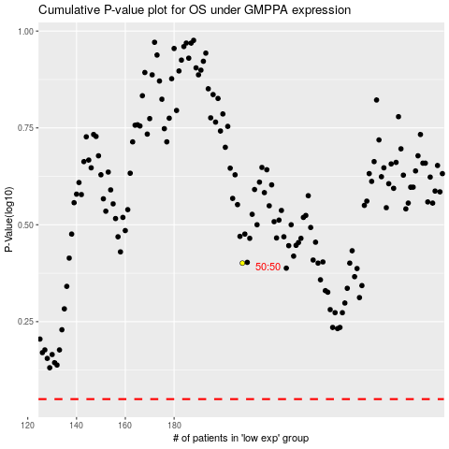

 |  |  |  |  |  | cases_OS | p_OS | rank | exp
 |  |  |  |  |  |  | cases_RFS | p_RFS | rank | exp

