GMPR2 _multivariate
Reported by Tex Li-Hsing Chi. tex@gate.sinica.edu.tw 2019-08-19

Table 2. The clinicopathological features of HNSCC cohort and GMPR2 expression. (Chi square test)
Cutoff at -0.13 (49.8%)
 |  | GMPR2 expression |  | GMPR2 expression |  | (Optimised)
 | Features | Low | (%) | High | (%) | Case no | P-value | Remark | Matthews
Gender | Female | 150 | 36.1 | 156 | 37.6 | 415 | 0.6344 | 0 | 0
2 | Male | 57 | 13.7 | 52 | 12.5
Age at diagnosis | <=65y | 131 | 31.6 | 143 | 34.5 | 415 | 0.2839 | 0 | 0
4 | >65y | 76 | 18.3 | 65 | 15.7
Clinical T Status | T1+T2 | 77 | 18.6 | 72 | 17.3 | 415 | 0.6556 | 0 | 0
6 | T3+T4 | 130 | 31.3 | 136 | 32.8
Clinical N Status | N0 | 107 | 25.8 | 109 | 26.3 | 415 | 0.9624 | 0 | 0
8 | N1-3 | 100 | 24.1 | 99 | 23.9
Clinical M Status | M0 | 206 | 49.6 | 206 | 49.6 | 415 | 1 | 0 | 0
10 | M1 | 1 | 0.2 | 2 | 0.5
Clinical Stage | Stage I+II | 53 | 12.8 | 49 | 11.8 | 415 | 0.7113 | 0 | 0
12 | Stage III+IV | 154 | 37.1 | 159 | 38.3
Surgical Margin status | Negative | 170 | 41 | 148 | 35.7 | 415 | 0.0105 | 1 | 0
14 | Positive | 37 | 8.9 | 60 | 14.5
Tobacco Exposure | Low | 73 | 17.6 | 88 | 21.2 | 415 | 0.1587 | 0 | 0
16 | High | 134 | 32.3 | 120 | 28.9

Table 3. Univariate/Multivariate Cox's proportional hazards regression analyses on OS time of GMPR2 gene expression in HNSCC

 |  | Univariate |  |  |  | Multivariate
 | Features | HR | CI95%(L) | CI95%(H) | P-value | HR | CI95%(L) | CI95%(H) | P-value
1 | Female | 1 |  |  |  | 1
Gender | Male | 1.157 | 0.843 | 1.587 | 0.367 | 1.206 | 0.863 | 1.685 | 0.272
11 | <=65y | 1 |  |  |  | 1
Age at diagnosis | >65y | 1.329 | 0.99 | 1.784 | 0.058 | 1.417 | 1.041 | 1.929 | 0.027
12 | T1+T2 | 1 |  |  |  | 1
Clinical T Status | T3+T4 | 1.409 | 1.028 | 1.931 | 0.033 | 2.187 | 1.156 | 4.136 | 0.016
13 | N0 | 1 |  |  |  | 1
Clinical N Status | N1-3 | 1.185 | 0.89 | 1.577 | 0.246 | 1.252 | 0.877 | 1.787 | 0.217
14 | M0 | 1 |  |  |  | 1
Clinical M Status | M1 | 4.097 | 1.009 | 16.644 | 0.049 | 9.153 | 1.995 | 42.001 | 0.004
15 | Stage I+II | 1 |  |  |  | 1
Clinical Stage | Stage III+IV | 1.245 | 0.882 | 1.759 | 0.213 | 0.505 | 0.236 | 1.085 | 0.08
16 | Negative | 1 |  |  |  | 1
Surgical Margin status | Positive | 1.591 | 1.155 | 2.191 | 0.004 | 1.627 | 1.173 | 2.256 | 0.004
17 | Low | 1 |  |  |  | 1
Tobacco Exposure | High | 1.364 | 1.008 | 1.844 | 0.044 | 1.481 | 1.073 | 2.042 | 0.017
18 | Low | 1 |  |  |  | 1
RNAseq(z-score) | High | 1.183 | 0.887 | 1.577 | 0.253 | 1.177 | 0.877 | 1.578 | 0.278

Table 4. Univariate/Multivariate Cox's proportional hazards regression analyses on RFS time of GMPR2 gene expression in HNSCC

 |  | Univariate |  |  |  | Multivariate
 | Features | HR | CI95%(L) | CI95%(H) | P-value | HR | CI95%(L) | CI95%(H) | P-value
1 | Female | 1 |  |  |  | 1
Gender | Male | 1.157 | 0.843 | 1.587 | 0.367 | 1.206 | 0.863 | 1.685 | 0.272
11 | <=65y | 1 |  |  |  | 1
Age at diagnosis | >65y | 1.329 | 0.99 | 1.784 | 0.058 | 1.417 | 1.041 | 1.929 | 0.027
12 | T1+T2 | 1 |  |  |  | 1
Clinical T Status | T3+T4 | 1.409 | 1.028 | 1.931 | 0.033 | 2.187 | 1.156 | 4.136 | 0.016
13 | N0 | 1 |  |  |  | 1
Clinical N Status | N1-3 | 1.185 | 0.89 | 1.577 | 0.246 | 1.252 | 0.877 | 1.787 | 0.217
14 | M0 | 1 |  |  |  | 1
Clinical M Status | M1 | 4.097 | 1.009 | 16.644 | 0.049 | 9.153 | 1.995 | 42.001 | 0.004
15 | Stage I+II | 1 |  |  |  | 1
Clinical Stage | Stage III+IV | 1.245 | 0.882 | 1.759 | 0.213 | 0.505 | 0.236 | 1.085 | 0.08
16 | Negative | 1 |  |  |  | 1
Surgical Margin status | Positive | 1.591 | 1.155 | 2.191 | 0.004 | 1.627 | 1.173 | 2.256 | 0.004
17 | Low | 1 |  |  |  | 1
Tobacco Exposure | High | 1.364 | 1.008 | 1.844 | 0.044 | 1.481 | 1.073 | 2.042 | 0.017
18 | Low | 1 |  |  |  | 1
RNAseq(z-score) | High | 1.183 | 0.887 | 1.577 | 0.253 | 1.177 | 0.877 | 1.578 | 0.278

Kaplan-Meier survival estimate: Cutoff at -0.13 (49.8%)



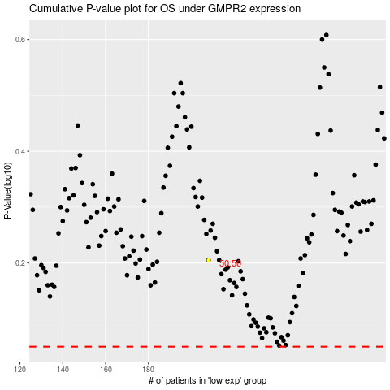

 |  |  |  |  |  | cases_OS | p_OS | rank | exp
 |  |  |  |  |  |  | cases_RFS | p_RFS | rank | exp

