GNA11 _multivariate
Reported by Tex Li-Hsing Chi. tex@gate.sinica.edu.tw 2019-08-19

Table 2. The clinicopathological features of HNSCC cohort and GNA11 expression. (Chi square test)
Cutoff at -0.078 (49.8%)
 |  | GNA11 expression |  | GNA11 expression |  | (Optimised)
 | Features | Low | (%) | High | (%) | Case no | P-value | Remark | Matthews
Gender | Female | 155 | 37.3 | 151 | 36.4 | 415 | 0.6768 | 0 | 0
2 | Male | 52 | 12.5 | 57 | 13.7
Age at diagnosis | <=65y | 130 | 31.3 | 144 | 34.7 | 415 | 0.2009 | 0 | 0
4 | >65y | 77 | 18.6 | 64 | 15.4
Clinical T Status | T1+T2 | 70 | 16.9 | 79 | 19 | 415 | 0.4343 | 0 | 0
6 | T3+T4 | 137 | 33 | 129 | 31.1
Clinical N Status | N0 | 111 | 26.7 | 105 | 25.3 | 415 | 0.5875 | 0 | 0
8 | N1-3 | 96 | 23.1 | 103 | 24.8
Clinical M Status | M0 | 204 | 49.2 | 208 | 50.1 | 415 | 0.1232 | 0 | 0
10 | M1 | 3 | 0.7 | 0 | 0
Clinical Stage | Stage I+II | 47 | 11.3 | 55 | 13.3 | 415 | 0.4413 | 0 | 0
12 | Stage III+IV | 160 | 38.6 | 153 | 36.9
Surgical Margin status | Negative | 153 | 36.9 | 165 | 39.8 | 415 | 0.2036 | 0 | 0
14 | Positive | 54 | 13 | 43 | 10.4
Tobacco Exposure | Low | 79 | 19 | 82 | 19.8 | 415 | 0.8405 | 0 | 0
16 | High | 128 | 30.8 | 126 | 30.4

Table 3. Univariate/Multivariate Cox's proportional hazards regression analyses on OS time of GNA11 gene expression in HNSCC

 |  | Univariate |  |  |  | Multivariate
 | Features | HR | CI95%(L) | CI95%(H) | P-value | HR | CI95%(L) | CI95%(H) | P-value
1 | Female | 1 |  |  |  | 1
Gender | Male | 1.157 | 0.843 | 1.587 | 0.367 | 1.205 | 0.862 | 1.683 | 0.275
11 | <=65y | 1 |  |  |  | 1
Age at diagnosis | >65y | 1.329 | 0.99 | 1.784 | 0.058 | 1.393 | 1.025 | 1.893 | 0.034
12 | T1+T2 | 1 |  |  |  | 1
Clinical T Status | T3+T4 | 1.409 | 1.028 | 1.931 | 0.033 | 2.203 | 1.165 | 4.166 | 0.015
13 | N0 | 1 |  |  |  | 1
Clinical N Status | N1-3 | 1.185 | 0.89 | 1.577 | 0.246 | 1.229 | 0.858 | 1.76 | 0.26
14 | M0 | 1 |  |  |  | 1
Clinical M Status | M1 | 4.097 | 1.009 | 16.644 | 0.049 | 9.716 | 2.098 | 44.998 | 0.004
15 | Stage I+II | 1 |  |  |  | 1
Clinical Stage | Stage III+IV | 1.245 | 0.882 | 1.759 | 0.213 | 0.509 | 0.237 | 1.095 | 0.084
16 | Negative | 1 |  |  |  | 1
Surgical Margin status | Positive | 1.591 | 1.155 | 2.191 | 0.004 | 1.684 | 1.216 | 2.332 | 0.002
17 | Low | 1 |  |  |  | 1
Tobacco Exposure | High | 1.364 | 1.008 | 1.844 | 0.044 | 1.459 | 1.058 | 2.012 | 0.021
18 | Low | 1 |  |  |  | 1
RNAseq(z-score) | High | 0.957 | 0.718 | 1.277 | 0.768 | 1.056 | 0.785 | 1.42 | 0.719

Table 4. Univariate/Multivariate Cox's proportional hazards regression analyses on RFS time of GNA11 gene expression in HNSCC

 |  | Univariate |  |  |  | Multivariate
 | Features | HR | CI95%(L) | CI95%(H) | P-value | HR | CI95%(L) | CI95%(H) | P-value
1 | Female | 1 |  |  |  | 1
Gender | Male | 1.157 | 0.843 | 1.587 | 0.367 | 1.205 | 0.862 | 1.683 | 0.275
11 | <=65y | 1 |  |  |  | 1
Age at diagnosis | >65y | 1.329 | 0.99 | 1.784 | 0.058 | 1.393 | 1.025 | 1.893 | 0.034
12 | T1+T2 | 1 |  |  |  | 1
Clinical T Status | T3+T4 | 1.409 | 1.028 | 1.931 | 0.033 | 2.203 | 1.165 | 4.166 | 0.015
13 | N0 | 1 |  |  |  | 1
Clinical N Status | N1-3 | 1.185 | 0.89 | 1.577 | 0.246 | 1.229 | 0.858 | 1.76 | 0.26
14 | M0 | 1 |  |  |  | 1
Clinical M Status | M1 | 4.097 | 1.009 | 16.644 | 0.049 | 9.716 | 2.098 | 44.998 | 0.004
15 | Stage I+II | 1 |  |  |  | 1
Clinical Stage | Stage III+IV | 1.245 | 0.882 | 1.759 | 0.213 | 0.509 | 0.237 | 1.095 | 0.084
16 | Negative | 1 |  |  |  | 1
Surgical Margin status | Positive | 1.591 | 1.155 | 2.191 | 0.004 | 1.684 | 1.216 | 2.332 | 0.002
17 | Low | 1 |  |  |  | 1
Tobacco Exposure | High | 1.364 | 1.008 | 1.844 | 0.044 | 1.459 | 1.058 | 2.012 | 0.021
18 | Low | 1 |  |  |  | 1
RNAseq(z-score) | High | 0.957 | 0.718 | 1.277 | 0.768 | 1.056 | 0.785 | 1.42 | 0.719

Kaplan-Meier survival estimate: Cutoff at -0.078 (49.8%)



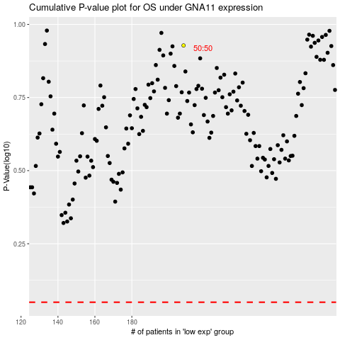

 |  |  |  |  |  | cases_OS | p_OS | rank | exp
 |  |  |  |  |  |  | cases_RFS | p_RFS | rank | exp

