GNA15 _multivariate
Reported by Tex Li-Hsing Chi. tex@gate.sinica.edu.tw 2019-08-19

Table 2. The clinicopathological features of HNSCC cohort and GNA15 expression. (Chi square test)
Cutoff at -0.115 (50.0%)
 |  | GNA15 expression |  | GNA15 expression |  | (Optimised)
 | Features | Low | (%) | High | (%) | Case no | P-value | Remark | Matthews
Gender | Female | 161 | 38.8 | 145 | 34.9 | 415 | 0.0792 | 0 | 0
2 | Male | 46 | 11.1 | 63 | 15.2
Age at diagnosis | <=65y | 137 | 33 | 137 | 33 | 415 | 1 | 0 | 0
4 | >65y | 70 | 16.9 | 71 | 17.1
Clinical T Status | T1+T2 | 87 | 21 | 62 | 14.9 | 415 | 0.0127 | 1 | 0
6 | T3+T4 | 120 | 28.9 | 146 | 35.2
Clinical N Status | N0 | 101 | 24.3 | 115 | 27.7 | 415 | 0.2201 | 0 | 0
8 | N1-3 | 106 | 25.5 | 93 | 22.4
Clinical M Status | M0 | 207 | 49.9 | 205 | 49.4 | 415 | 0.2482 | 0 | 0
10 | M1 | 0 | 0 | 3 | 0.7
Clinical Stage | Stage I+II | 54 | 13 | 48 | 11.6 | 415 | 0.5498 | 0 | 0
12 | Stage III+IV | 153 | 36.9 | 160 | 38.6
Surgical Margin status | Negative | 154 | 37.1 | 164 | 39.5 | 415 | 0.2984 | 0 | 0
14 | Positive | 53 | 12.8 | 44 | 10.6
Tobacco Exposure | Low | 72 | 17.3 | 89 | 21.4 | 415 | 0.1071 | 0 | 0
16 | High | 135 | 32.5 | 119 | 28.7

Table 3. Univariate/Multivariate Cox's proportional hazards regression analyses on OS time of GNA15 gene expression in HNSCC

 |  | Univariate |  |  |  | Multivariate
 | Features | HR | CI95%(L) | CI95%(H) | P-value | HR | CI95%(L) | CI95%(H) | P-value
1 | Female | 1 |  |  |  | 1
Gender | Male | 1.157 | 0.843 | 1.587 | 0.367 | 1.212 | 0.867 | 1.694 | 0.261
11 | <=65y | 1 |  |  |  | 1
Age at diagnosis | >65y | 1.329 | 0.99 | 1.784 | 0.058 | 1.392 | 1.024 | 1.892 | 0.035
12 | T1+T2 | 1 |  |  |  | 1
Clinical T Status | T3+T4 | 1.409 | 1.028 | 1.931 | 0.033 | 2.265 | 1.192 | 4.305 | 0.013
13 | N0 | 1 |  |  |  | 1
Clinical N Status | N1-3 | 1.185 | 0.89 | 1.577 | 0.246 | 1.232 | 0.862 | 1.759 | 0.252
14 | M0 | 1 |  |  |  | 1
Clinical M Status | M1 | 4.097 | 1.009 | 16.644 | 0.049 | 10.216 | 2.187 | 47.723 | 0.003
15 | Stage I+II | 1 |  |  |  | 1
Clinical Stage | Stage III+IV | 1.245 | 0.882 | 1.759 | 0.213 | 0.493 | 0.229 | 1.061 | 0.071
16 | Negative | 1 |  |  |  | 1
Surgical Margin status | Positive | 1.591 | 1.155 | 2.191 | 0.004 | 1.674 | 1.211 | 2.315 | 0.002
17 | Low | 1 |  |  |  | 1
Tobacco Exposure | High | 1.364 | 1.008 | 1.844 | 0.044 | 1.444 | 1.048 | 1.99 | 0.025
18 | Low | 1 |  |  |  | 1
RNAseq(z-score) | High | 0.958 | 0.719 | 1.276 | 0.768 | 0.902 | 0.672 | 1.211 | 0.493

Table 4. Univariate/Multivariate Cox's proportional hazards regression analyses on RFS time of GNA15 gene expression in HNSCC

 |  | Univariate |  |  |  | Multivariate
 | Features | HR | CI95%(L) | CI95%(H) | P-value | HR | CI95%(L) | CI95%(H) | P-value
1 | Female | 1 |  |  |  | 1
Gender | Male | 1.157 | 0.843 | 1.587 | 0.367 | 1.212 | 0.867 | 1.694 | 0.261
11 | <=65y | 1 |  |  |  | 1
Age at diagnosis | >65y | 1.329 | 0.99 | 1.784 | 0.058 | 1.392 | 1.024 | 1.892 | 0.035
12 | T1+T2 | 1 |  |  |  | 1
Clinical T Status | T3+T4 | 1.409 | 1.028 | 1.931 | 0.033 | 2.265 | 1.192 | 4.305 | 0.013
13 | N0 | 1 |  |  |  | 1
Clinical N Status | N1-3 | 1.185 | 0.89 | 1.577 | 0.246 | 1.232 | 0.862 | 1.759 | 0.252
14 | M0 | 1 |  |  |  | 1
Clinical M Status | M1 | 4.097 | 1.009 | 16.644 | 0.049 | 10.216 | 2.187 | 47.723 | 0.003
15 | Stage I+II | 1 |  |  |  | 1
Clinical Stage | Stage III+IV | 1.245 | 0.882 | 1.759 | 0.213 | 0.493 | 0.229 | 1.061 | 0.071
16 | Negative | 1 |  |  |  | 1
Surgical Margin status | Positive | 1.591 | 1.155 | 2.191 | 0.004 | 1.674 | 1.211 | 2.315 | 0.002
17 | Low | 1 |  |  |  | 1
Tobacco Exposure | High | 1.364 | 1.008 | 1.844 | 0.044 | 1.444 | 1.048 | 1.99 | 0.025
18 | Low | 1 |  |  |  | 1
RNAseq(z-score) | High | 0.958 | 0.719 | 1.276 | 0.768 | 0.902 | 0.672 | 1.211 | 0.493

Kaplan-Meier survival estimate: Cutoff at -0.115 (50.0%)



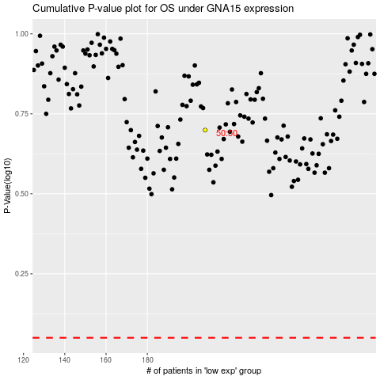

 |  |  |  |  |  | cases_OS | p_OS | rank | exp
 |  |  |  |  |  |  | cases_RFS | p_RFS | rank | exp

