GNAI1 _multivariate
Reported by Tex Li-Hsing Chi. tex@gate.sinica.edu.tw 2019-08-19

Table 2. The clinicopathological features of HNSCC cohort and GNAI1 expression. (Chi square test)
Cutoff at -0.021 (50.0%)
 |  | GNAI1 expression |  | GNAI1 expression |  | (Optimised)
 | Features | Low | (%) | High | (%) | Case no | P-value | Remark | Matthews
Gender | Female | 159 | 38.3 | 147 | 35.4 | 415 | 0.1905 | 0 | 0
2 | Male | 48 | 11.6 | 61 | 14.7
Age at diagnosis | <=65y | 136 | 32.8 | 138 | 33.3 | 415 | 0.9719 | 0 | 0
4 | >65y | 71 | 17.1 | 70 | 16.9
Clinical T Status | T1+T2 | 81 | 19.5 | 68 | 16.4 | 415 | 0.206 | 0 | 0
6 | T3+T4 | 126 | 30.4 | 140 | 33.7
Clinical N Status | N0 | 104 | 25.1 | 112 | 27 | 415 | 0.5243 | 0 | 0
8 | N1-3 | 103 | 24.8 | 96 | 23.1
Clinical M Status | M0 | 206 | 49.6 | 206 | 49.6 | 415 | 1 | 0 | 0
10 | M1 | 1 | 0.2 | 2 | 0.5
Clinical Stage | Stage I+II | 52 | 12.5 | 50 | 12 | 415 | 0.8871 | 0 | 0
12 | Stage III+IV | 155 | 37.3 | 158 | 38.1
Surgical Margin status | Negative | 157 | 37.8 | 161 | 38.8 | 415 | 0.729 | 0 | 0
14 | Positive | 50 | 12 | 47 | 11.3
Tobacco Exposure | Low | 77 | 18.6 | 84 | 20.2 | 415 | 0.5459 | 0 | 0
16 | High | 130 | 31.3 | 124 | 29.9

Table 3. Univariate/Multivariate Cox's proportional hazards regression analyses on OS time of GNAI1 gene expression in HNSCC

 |  | Univariate |  |  |  | Multivariate
 | Features | HR | CI95%(L) | CI95%(H) | P-value | HR | CI95%(L) | CI95%(H) | P-value
1 | Female | 1 |  |  |  | 1
Gender | Male | 1.157 | 0.843 | 1.587 | 0.367 | 1.195 | 0.855 | 1.67 | 0.297
11 | <=65y | 1 |  |  |  | 1
Age at diagnosis | >65y | 1.329 | 0.99 | 1.784 | 0.058 | 1.401 | 1.03 | 1.905 | 0.032
12 | T1+T2 | 1 |  |  |  | 1
Clinical T Status | T3+T4 | 1.409 | 1.028 | 1.931 | 0.033 | 2.194 | 1.16 | 4.148 | 0.016
13 | N0 | 1 |  |  |  | 1
Clinical N Status | N1-3 | 1.185 | 0.89 | 1.577 | 0.246 | 1.257 | 0.88 | 1.796 | 0.209
14 | M0 | 1 |  |  |  | 1
Clinical M Status | M1 | 4.097 | 1.009 | 16.644 | 0.049 | 9.248 | 2.016 | 42.42 | 0.004
15 | Stage I+II | 1 |  |  |  | 1
Clinical Stage | Stage III+IV | 1.245 | 0.882 | 1.759 | 0.213 | 0.503 | 0.235 | 1.081 | 0.078
16 | Negative | 1 |  |  |  | 1
Surgical Margin status | Positive | 1.591 | 1.155 | 2.191 | 0.004 | 1.682 | 1.217 | 2.326 | 0.002
17 | Low | 1 |  |  |  | 1
Tobacco Exposure | High | 1.364 | 1.008 | 1.844 | 0.044 | 1.458 | 1.058 | 2.01 | 0.021
18 | Low | 1 |  |  |  | 1
RNAseq(z-score) | High | 1.077 | 0.809 | 1.434 | 0.612 | 1.117 | 0.836 | 1.491 | 0.454

Table 4. Univariate/Multivariate Cox's proportional hazards regression analyses on RFS time of GNAI1 gene expression in HNSCC

 |  | Univariate |  |  |  | Multivariate
 | Features | HR | CI95%(L) | CI95%(H) | P-value | HR | CI95%(L) | CI95%(H) | P-value
1 | Female | 1 |  |  |  | 1
Gender | Male | 1.157 | 0.843 | 1.587 | 0.367 | 1.195 | 0.855 | 1.67 | 0.297
11 | <=65y | 1 |  |  |  | 1
Age at diagnosis | >65y | 1.329 | 0.99 | 1.784 | 0.058 | 1.401 | 1.03 | 1.905 | 0.032
12 | T1+T2 | 1 |  |  |  | 1
Clinical T Status | T3+T4 | 1.409 | 1.028 | 1.931 | 0.033 | 2.194 | 1.16 | 4.148 | 0.016
13 | N0 | 1 |  |  |  | 1
Clinical N Status | N1-3 | 1.185 | 0.89 | 1.577 | 0.246 | 1.257 | 0.88 | 1.796 | 0.209
14 | M0 | 1 |  |  |  | 1
Clinical M Status | M1 | 4.097 | 1.009 | 16.644 | 0.049 | 9.248 | 2.016 | 42.42 | 0.004
15 | Stage I+II | 1 |  |  |  | 1
Clinical Stage | Stage III+IV | 1.245 | 0.882 | 1.759 | 0.213 | 0.503 | 0.235 | 1.081 | 0.078
16 | Negative | 1 |  |  |  | 1
Surgical Margin status | Positive | 1.591 | 1.155 | 2.191 | 0.004 | 1.682 | 1.217 | 2.326 | 0.002
17 | Low | 1 |  |  |  | 1
Tobacco Exposure | High | 1.364 | 1.008 | 1.844 | 0.044 | 1.458 | 1.058 | 2.01 | 0.021
18 | Low | 1 |  |  |  | 1
RNAseq(z-score) | High | 1.077 | 0.809 | 1.434 | 0.612 | 1.117 | 0.836 | 1.491 | 0.454

Kaplan-Meier survival estimate: Cutoff at -0.021 (50.0%)



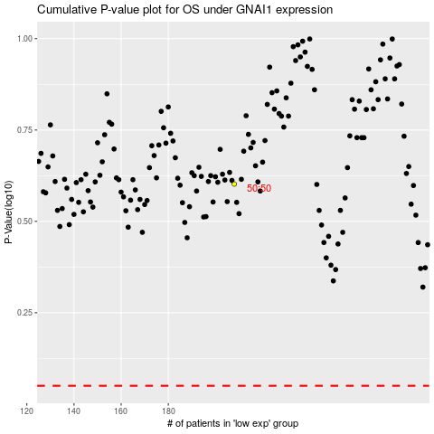

 |  |  |  |  |  | cases_OS | p_OS | rank | exp
 |  |  |  |  |  |  | cases_RFS | p_RFS | rank | exp

