GNAL _multivariate
Reported by Tex Li-Hsing Chi. tex@gate.sinica.edu.tw 2019-08-19

Table 2. The clinicopathological features of HNSCC cohort and GNAL expression. (Chi square test)
Cutoff at -0.479 (50.0%)
 |  | GNAL expression |  | GNAL expression |  | (Optimised)
 | Features | Low | (%) | High | (%) | Case no | P-value | Remark | Matthews
Gender | Female | 155 | 37.3 | 151 | 36.4 | 415 | 0.6768 | 0 | 0
2 | Male | 52 | 12.5 | 57 | 13.7
Age at diagnosis | <=65y | 145 | 34.9 | 129 | 31.1 | 415 | 0.1046 | 0 | 0
4 | >65y | 62 | 14.9 | 79 | 19
Clinical T Status | T1+T2 | 78 | 18.8 | 71 | 17.1 | 415 | 0.5152 | 0 | 0
6 | T3+T4 | 129 | 31.1 | 137 | 33
Clinical N Status | N0 | 101 | 24.3 | 115 | 27.7 | 415 | 0.2201 | 0 | 0
8 | N1-3 | 106 | 25.5 | 93 | 22.4
Clinical M Status | M0 | 206 | 49.6 | 206 | 49.6 | 415 | 1 | 0 | 0
10 | M1 | 1 | 0.2 | 2 | 0.5
Clinical Stage | Stage I+II | 50 | 12 | 52 | 12.5 | 415 | 0.9315 | 0 | 0
12 | Stage III+IV | 157 | 37.8 | 156 | 37.6
Surgical Margin status | Negative | 157 | 37.8 | 161 | 38.8 | 415 | 0.729 | 0 | 0
14 | Positive | 50 | 12 | 47 | 11.3
Tobacco Exposure | Low | 72 | 17.3 | 89 | 21.4 | 415 | 0.1071 | 0 | 0
16 | High | 135 | 32.5 | 119 | 28.7

Table 3. Univariate/Multivariate Cox's proportional hazards regression analyses on OS time of GNAL gene expression in HNSCC

 |  | Univariate |  |  |  | Multivariate
 | Features | HR | CI95%(L) | CI95%(H) | P-value | HR | CI95%(L) | CI95%(H) | P-value
1 | Female | 1 |  |  |  | 1
Gender | Male | 1.157 | 0.843 | 1.587 | 0.367 | 1.203 | 0.861 | 1.68 | 0.279
11 | <=65y | 1 |  |  |  | 1
Age at diagnosis | >65y | 1.329 | 0.99 | 1.784 | 0.058 | 1.389 | 1.021 | 1.889 | 0.036
12 | T1+T2 | 1 |  |  |  | 1
Clinical T Status | T3+T4 | 1.409 | 1.028 | 1.931 | 0.033 | 2.193 | 1.159 | 4.149 | 0.016
13 | N0 | 1 |  |  |  | 1
Clinical N Status | N1-3 | 1.185 | 0.89 | 1.577 | 0.246 | 1.245 | 0.872 | 1.777 | 0.228
14 | M0 | 1 |  |  |  | 1
Clinical M Status | M1 | 4.097 | 1.009 | 16.644 | 0.049 | 9.229 | 2.004 | 42.488 | 0.004
15 | Stage I+II | 1 |  |  |  | 1
Clinical Stage | Stage III+IV | 1.245 | 0.882 | 1.759 | 0.213 | 0.505 | 0.235 | 1.085 | 0.08
16 | Negative | 1 |  |  |  | 1
Surgical Margin status | Positive | 1.591 | 1.155 | 2.191 | 0.004 | 1.671 | 1.21 | 2.31 | 0.002
17 | Low | 1 |  |  |  | 1
Tobacco Exposure | High | 1.364 | 1.008 | 1.844 | 0.044 | 1.459 | 1.058 | 2.011 | 0.021
18 | Low | 1 |  |  |  | 1
RNAseq(z-score) | High | 1.062 | 0.794 | 1.419 | 0.686 | 1.049 | 0.783 | 1.407 | 0.747

Table 4. Univariate/Multivariate Cox's proportional hazards regression analyses on RFS time of GNAL gene expression in HNSCC

 |  | Univariate |  |  |  | Multivariate
 | Features | HR | CI95%(L) | CI95%(H) | P-value | HR | CI95%(L) | CI95%(H) | P-value
1 | Female | 1 |  |  |  | 1
Gender | Male | 1.157 | 0.843 | 1.587 | 0.367 | 1.203 | 0.861 | 1.68 | 0.279
11 | <=65y | 1 |  |  |  | 1
Age at diagnosis | >65y | 1.329 | 0.99 | 1.784 | 0.058 | 1.389 | 1.021 | 1.889 | 0.036
12 | T1+T2 | 1 |  |  |  | 1
Clinical T Status | T3+T4 | 1.409 | 1.028 | 1.931 | 0.033 | 2.193 | 1.159 | 4.149 | 0.016
13 | N0 | 1 |  |  |  | 1
Clinical N Status | N1-3 | 1.185 | 0.89 | 1.577 | 0.246 | 1.245 | 0.872 | 1.777 | 0.228
14 | M0 | 1 |  |  |  | 1
Clinical M Status | M1 | 4.097 | 1.009 | 16.644 | 0.049 | 9.229 | 2.004 | 42.488 | 0.004
15 | Stage I+II | 1 |  |  |  | 1
Clinical Stage | Stage III+IV | 1.245 | 0.882 | 1.759 | 0.213 | 0.505 | 0.235 | 1.085 | 0.08
16 | Negative | 1 |  |  |  | 1
Surgical Margin status | Positive | 1.591 | 1.155 | 2.191 | 0.004 | 1.671 | 1.21 | 2.31 | 0.002
17 | Low | 1 |  |  |  | 1
Tobacco Exposure | High | 1.364 | 1.008 | 1.844 | 0.044 | 1.459 | 1.058 | 2.011 | 0.021
18 | Low | 1 |  |  |  | 1
RNAseq(z-score) | High | 1.062 | 0.794 | 1.419 | 0.686 | 1.049 | 0.783 | 1.407 | 0.747

Kaplan-Meier survival estimate: Cutoff at -0.479 (50.0%)



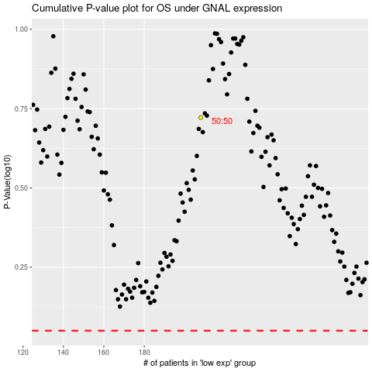

 |  |  |  |  |  | cases_OS | p_OS | rank | exp
 |  |  |  |  |  |  | cases_RFS | p_RFS | rank | exp

