GNB1L _multivariate
Reported by Tex Li-Hsing Chi. tex@gate.sinica.edu.tw 2019-08-19

Table 2. The clinicopathological features of HNSCC cohort and GNB1L expression. (Chi square test)
Cutoff at -0.407 (32.1%)
 |  | GNB1L expression |  | GNB1L expression |  | (Optimised)
 | Features | Low | (%) | High | (%) | Case no | P-value | Remark | Matthews
Gender | Female | 96 | 23.1 | 210 | 50.6 | 415 | 0.5824 | 0 | 0
2 | Male | 38 | 9.2 | 71 | 17.1
Age at diagnosis | <=65y | 79 | 19 | 195 | 47 | 415 | 0.0467 | 1 | 0
4 | >65y | 55 | 13.3 | 86 | 20.7
Clinical T Status | T1+T2 | 49 | 11.8 | 100 | 24.1 | 415 | 0.9321 | 0 | 0
6 | T3+T4 | 85 | 20.5 | 181 | 43.6
Clinical N Status | N0 | 77 | 18.6 | 139 | 33.5 | 415 | 0.1557 | 0 | 0
8 | N1-3 | 57 | 13.7 | 142 | 34.2
Clinical M Status | M0 | 134 | 32.3 | 278 | 67 | 415 | 0.5542 | 0 | 0
10 | M1 | 0 | 0 | 3 | 0.7
Clinical Stage | Stage I+II | 33 | 8 | 69 | 16.6 | 415 | 1 | 0 | 0
12 | Stage III+IV | 101 | 24.3 | 212 | 51.1
Surgical Margin status | Negative | 99 | 23.9 | 219 | 52.8 | 415 | 0.3862 | 0 | 0
14 | Positive | 35 | 8.4 | 62 | 14.9
Tobacco Exposure | Low | 57 | 13.7 | 104 | 25.1 | 415 | 0.2837 | 0 | 0
16 | High | 77 | 18.6 | 177 | 42.7

Table 3. Univariate/Multivariate Cox's proportional hazards regression analyses on OS time of GNB1L gene expression in HNSCC

 |  | Univariate |  |  |  | Multivariate
 | Features | HR | CI95%(L) | CI95%(H) | P-value | HR | CI95%(L) | CI95%(H) | P-value
1 | Female | 1 |  |  |  | 1
Gender | Male | 1.157 | 0.843 | 1.587 | 0.367 | 1.228 | 0.878 | 1.717 | 0.23
11 | <=65y | 1 |  |  |  | 1
Age at diagnosis | >65y | 1.329 | 0.99 | 1.784 | 0.058 | 1.439 | 1.058 | 1.959 | 0.021
12 | T1+T2 | 1 |  |  |  | 1
Clinical T Status | T3+T4 | 1.409 | 1.028 | 1.931 | 0.033 | 2.143 | 1.133 | 4.053 | 0.019
13 | N0 | 1 |  |  |  | 1
Clinical N Status | N1-3 | 1.185 | 0.89 | 1.577 | 0.246 | 1.199 | 0.839 | 1.713 | 0.319
14 | M0 | 1 |  |  |  | 1
Clinical M Status | M1 | 4.097 | 1.009 | 16.644 | 0.049 | 8.522 | 1.855 | 39.151 | 0.006
15 | Stage I+II | 1 |  |  |  | 1
Clinical Stage | Stage III+IV | 1.245 | 0.882 | 1.759 | 0.213 | 0.523 | 0.243 | 1.125 | 0.097
16 | Negative | 1 |  |  |  | 1
Surgical Margin status | Positive | 1.591 | 1.155 | 2.191 | 0.004 | 1.683 | 1.218 | 2.324 | 0.002
17 | Low | 1 |  |  |  | 1
Tobacco Exposure | High | 1.364 | 1.008 | 1.844 | 0.044 | 1.443 | 1.046 | 1.989 | 0.025
18 | Low | 1 |  |  |  | 1
RNAseq(z-score) | High | 1.411 | 1.017 | 1.958 | 0.039 | 1.417 | 1.015 | 1.978 | 0.04

Table 4. Univariate/Multivariate Cox's proportional hazards regression analyses on RFS time of GNB1L gene expression in HNSCC

 |  | Univariate |  |  |  | Multivariate
 | Features | HR | CI95%(L) | CI95%(H) | P-value | HR | CI95%(L) | CI95%(H) | P-value
1 | Female | 1 |  |  |  | 1
Gender | Male | 1.157 | 0.843 | 1.587 | 0.367 | 1.228 | 0.878 | 1.717 | 0.23
11 | <=65y | 1 |  |  |  | 1
Age at diagnosis | >65y | 1.329 | 0.99 | 1.784 | 0.058 | 1.439 | 1.058 | 1.959 | 0.021
12 | T1+T2 | 1 |  |  |  | 1
Clinical T Status | T3+T4 | 1.409 | 1.028 | 1.931 | 0.033 | 2.143 | 1.133 | 4.053 | 0.019
13 | N0 | 1 |  |  |  | 1
Clinical N Status | N1-3 | 1.185 | 0.89 | 1.577 | 0.246 | 1.199 | 0.839 | 1.713 | 0.319
14 | M0 | 1 |  |  |  | 1
Clinical M Status | M1 | 4.097 | 1.009 | 16.644 | 0.049 | 8.522 | 1.855 | 39.151 | 0.006
15 | Stage I+II | 1 |  |  |  | 1
Clinical Stage | Stage III+IV | 1.245 | 0.882 | 1.759 | 0.213 | 0.523 | 0.243 | 1.125 | 0.097
16 | Negative | 1 |  |  |  | 1
Surgical Margin status | Positive | 1.591 | 1.155 | 2.191 | 0.004 | 1.683 | 1.218 | 2.324 | 0.002
17 | Low | 1 |  |  |  | 1
Tobacco Exposure | High | 1.364 | 1.008 | 1.844 | 0.044 | 1.443 | 1.046 | 1.989 | 0.025
18 | Low | 1 |  |  |  | 1
RNAseq(z-score) | High | 1.411 | 1.017 | 1.958 | 0.039 | 1.417 | 1.015 | 1.978 | 0.04

Kaplan-Meier survival estimate: Cutoff at -0.407 (32.1%)

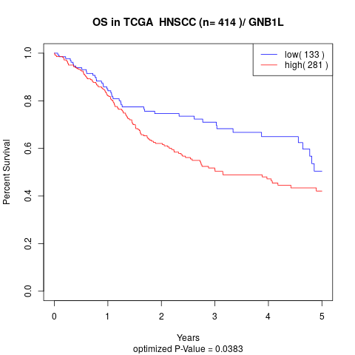

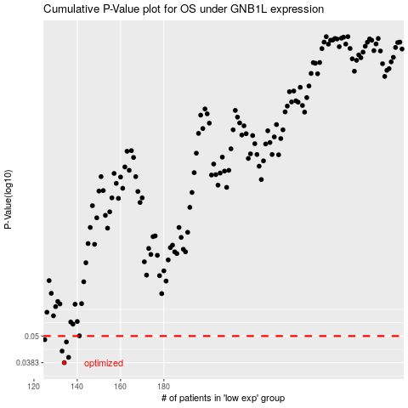

 |  |  |  |  |  | cases_OS | p_OS | rank | exp
 |  |  |  |  |  | 134 | 0.0383 | 215 | -0.40661321937
 |  |  |  |  |  | 136 | 0.0404 | 108 | -0.3934151195
 |  |  |  |  |  | 133 | 0.043 | 386 | -0.41448080316
 |  |  |  |  |  | 135 | 0.0471 | 37 | -0.40437447602
 |  |  |  |  |  | 125 | 0.0482 | 125 | -0.44440341692
 |  |  |  |  |  |  | cases_RFS | p_RFS | rank | exp
 |  |  |  |  |  |  | 133 | 0.0383 | 386 | -0.41448080316
 |  |  |  |  |  |  | 135 | 0.0404 | 37 | -0.40437447602
 |  |  |  |  |  |  | 132 | 0.043 | 219 | -0.41540618537
 |  |  |  |  |  |  | 134 | 0.0471 | 215 | -0.40661321937
 |  |  |  |  |  |  |  | 0.0482 | 336 | -0.44587354253

