GNB2 _multivariate
Reported by Tex Li-Hsing Chi. tex@gate.sinica.edu.tw 2019-08-19

Table 2. The clinicopathological features of HNSCC cohort and GNB2 expression. (Chi square test)
Cutoff at -0.256 (50.0%)
 |  | GNB2 expression |  | GNB2 expression |  | (Optimised)
 | Features | Low | (%) | High | (%) | Case no | P-value | Remark | Matthews
Gender | Female | 153 | 36.9 | 153 | 36.9 | 415 | 1 | 0 | 0
2 | Male | 54 | 13 | 55 | 13.3
Age at diagnosis | <=65y | 143 | 34.5 | 131 | 31.6 | 415 | 0.2269 | 0 | 0
4 | >65y | 64 | 15.4 | 77 | 18.6
Clinical T Status | T1+T2 | 87 | 21 | 62 | 14.9 | 415 | 0.0127 | 1 | 0
6 | T3+T4 | 120 | 28.9 | 146 | 35.2
Clinical N Status | N0 | 104 | 25.1 | 112 | 27 | 415 | 0.5243 | 0 | 0
8 | N1-3 | 103 | 24.8 | 96 | 23.1
Clinical M Status | M0 | 207 | 49.9 | 205 | 49.4 | 415 | 0.2482 | 0 | 0
10 | M1 | 0 | 0 | 3 | 0.7
Clinical Stage | Stage I+II | 55 | 13.3 | 47 | 11.3 | 415 | 0.4087 | 0 | 0
12 | Stage III+IV | 152 | 36.6 | 161 | 38.8
Surgical Margin status | Negative | 153 | 36.9 | 165 | 39.8 | 415 | 0.2036 | 0 | 0
14 | Positive | 54 | 13 | 43 | 10.4
Tobacco Exposure | Low | 86 | 20.7 | 75 | 18.1 | 415 | 0.2687 | 0 | 0
16 | High | 121 | 29.2 | 133 | 32

Table 3. Univariate/Multivariate Cox's proportional hazards regression analyses on OS time of GNB2 gene expression in HNSCC

 |  | Univariate |  |  |  | Multivariate
 | Features | HR | CI95%(L) | CI95%(H) | P-value | HR | CI95%(L) | CI95%(H) | P-value
1 | Female | 1 |  |  |  | 1
Gender | Male | 1.157 | 0.843 | 1.587 | 0.367 | 1.19 | 0.85 | 1.666 | 0.311
11 | <=65y | 1 |  |  |  | 1
Age at diagnosis | >65y | 1.329 | 0.99 | 1.784 | 0.058 | 1.383 | 1.017 | 1.881 | 0.039
12 | T1+T2 | 1 |  |  |  | 1
Clinical T Status | T3+T4 | 1.409 | 1.028 | 1.931 | 0.033 | 2.155 | 1.135 | 4.091 | 0.019
13 | N0 | 1 |  |  |  | 1
Clinical N Status | N1-3 | 1.185 | 0.89 | 1.577 | 0.246 | 1.244 | 0.872 | 1.775 | 0.229
14 | M0 | 1 |  |  |  | 1
Clinical M Status | M1 | 4.097 | 1.009 | 16.644 | 0.049 | 8.793 | 1.887 | 40.981 | 0.006
15 | Stage I+II | 1 |  |  |  | 1
Clinical Stage | Stage III+IV | 1.245 | 0.882 | 1.759 | 0.213 | 0.514 | 0.239 | 1.106 | 0.089
16 | Negative | 1 |  |  |  | 1
Surgical Margin status | Positive | 1.591 | 1.155 | 2.191 | 0.004 | 1.666 | 1.206 | 2.302 | 0.002
17 | Low | 1 |  |  |  | 1
Tobacco Exposure | High | 1.364 | 1.008 | 1.844 | 0.044 | 1.442 | 1.045 | 1.989 | 0.026
18 | Low | 1 |  |  |  | 1
RNAseq(z-score) | High | 1.232 | 0.925 | 1.642 | 0.154 | 1.09 | 0.813 | 1.463 | 0.564

Table 4. Univariate/Multivariate Cox's proportional hazards regression analyses on RFS time of GNB2 gene expression in HNSCC

 |  | Univariate |  |  |  | Multivariate
 | Features | HR | CI95%(L) | CI95%(H) | P-value | HR | CI95%(L) | CI95%(H) | P-value
1 | Female | 1 |  |  |  | 1
Gender | Male | 1.157 | 0.843 | 1.587 | 0.367 | 1.19 | 0.85 | 1.666 | 0.311
11 | <=65y | 1 |  |  |  | 1
Age at diagnosis | >65y | 1.329 | 0.99 | 1.784 | 0.058 | 1.383 | 1.017 | 1.881 | 0.039
12 | T1+T2 | 1 |  |  |  | 1
Clinical T Status | T3+T4 | 1.409 | 1.028 | 1.931 | 0.033 | 2.155 | 1.135 | 4.091 | 0.019
13 | N0 | 1 |  |  |  | 1
Clinical N Status | N1-3 | 1.185 | 0.89 | 1.577 | 0.246 | 1.244 | 0.872 | 1.775 | 0.229
14 | M0 | 1 |  |  |  | 1
Clinical M Status | M1 | 4.097 | 1.009 | 16.644 | 0.049 | 8.793 | 1.887 | 40.981 | 0.006
15 | Stage I+II | 1 |  |  |  | 1
Clinical Stage | Stage III+IV | 1.245 | 0.882 | 1.759 | 0.213 | 0.514 | 0.239 | 1.106 | 0.089
16 | Negative | 1 |  |  |  | 1
Surgical Margin status | Positive | 1.591 | 1.155 | 2.191 | 0.004 | 1.666 | 1.206 | 2.302 | 0.002
17 | Low | 1 |  |  |  | 1
Tobacco Exposure | High | 1.364 | 1.008 | 1.844 | 0.044 | 1.442 | 1.045 | 1.989 | 0.026
18 | Low | 1 |  |  |  | 1
RNAseq(z-score) | High | 1.232 | 0.925 | 1.642 | 0.154 | 1.09 | 0.813 | 1.463 | 0.564

Kaplan-Meier survival estimate: Cutoff at -0.256 (50.0%)



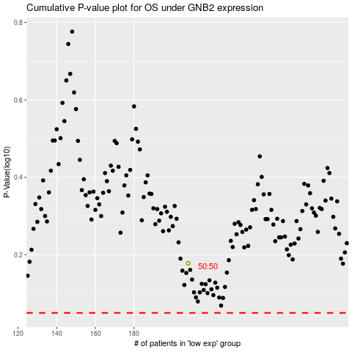

 |  |  |  |  |  | cases_OS | p_OS | rank | exp
 |  |  |  |  |  |  | cases_RFS | p_RFS | rank | exp

