GNB2L1 _multivariate
Reported by Tex Li-Hsing Chi. tex@gate.sinica.edu.tw 2019-08-19

Table 2. The clinicopathological features of HNSCC cohort and GNB2L1 expression. (Chi square test)
Cutoff at -0.27 (49.8%)
 |  | GNB2L1 expression |  | GNB2L1 expression |  | (Optimised)
 | Features | Low | (%) | High | (%) | Case no | P-value | Remark | Matthews
Gender | Female | 152 | 36.6 | 154 | 37.1 | 415 | 0.9766 | 0 | 0
2 | Male | 55 | 13.3 | 54 | 13
Age at diagnosis | <=65y | 144 | 34.7 | 130 | 31.3 | 415 | 0.1568 | 0 | 0
4 | >65y | 63 | 15.2 | 78 | 18.8
Clinical T Status | T1+T2 | 78 | 18.8 | 71 | 17.1 | 415 | 0.5152 | 0 | 0
6 | T3+T4 | 129 | 31.1 | 137 | 33
Clinical N Status | N0 | 107 | 25.8 | 109 | 26.3 | 415 | 0.9624 | 0 | 0
8 | N1-3 | 100 | 24.1 | 99 | 23.9
Clinical M Status | M0 | 206 | 49.6 | 206 | 49.6 | 415 | 1 | 0 | 0
10 | M1 | 1 | 0.2 | 2 | 0.5
Clinical Stage | Stage I+II | 54 | 13 | 48 | 11.6 | 415 | 0.5498 | 0 | 0
12 | Stage III+IV | 153 | 36.9 | 160 | 38.6
Surgical Margin status | Negative | 163 | 39.3 | 155 | 37.3 | 415 | 0.3537 | 0 | 0
14 | Positive | 44 | 10.6 | 53 | 12.8
Tobacco Exposure | Low | 86 | 20.7 | 75 | 18.1 | 415 | 0.2687 | 0 | 0
16 | High | 121 | 29.2 | 133 | 32

Table 3. Univariate/Multivariate Cox's proportional hazards regression analyses on OS time of GNB2L1 gene expression in HNSCC

 |  | Univariate |  |  |  | Multivariate
 | Features | HR | CI95%(L) | CI95%(H) | P-value | HR | CI95%(L) | CI95%(H) | P-value
1 | Female | 1 |  |  |  | 1
Gender | Male | 1.157 | 0.843 | 1.587 | 0.367 | 1.202 | 0.861 | 1.679 | 0.28
11 | <=65y | 1 |  |  |  | 1
Age at diagnosis | >65y | 1.329 | 0.99 | 1.784 | 0.058 | 1.393 | 1.024 | 1.895 | 0.035
12 | T1+T2 | 1 |  |  |  | 1
Clinical T Status | T3+T4 | 1.409 | 1.028 | 1.931 | 0.033 | 2.202 | 1.164 | 4.164 | 0.015
13 | N0 | 1 |  |  |  | 1
Clinical N Status | N1-3 | 1.185 | 0.89 | 1.577 | 0.246 | 1.241 | 0.87 | 1.771 | 0.233
14 | M0 | 1 |  |  |  | 1
Clinical M Status | M1 | 4.097 | 1.009 | 16.644 | 0.049 | 9.417 | 2.054 | 43.17 | 0.004
15 | Stage I+II | 1 |  |  |  | 1
Clinical Stage | Stage III+IV | 1.245 | 0.882 | 1.759 | 0.213 | 0.505 | 0.235 | 1.084 | 0.08
16 | Negative | 1 |  |  |  | 1
Surgical Margin status | Positive | 1.591 | 1.155 | 2.191 | 0.004 | 1.673 | 1.21 | 2.312 | 0.002
17 | Low | 1 |  |  |  | 1
Tobacco Exposure | High | 1.364 | 1.008 | 1.844 | 0.044 | 1.453 | 1.055 | 2.002 | 0.022
18 | Low | 1 |  |  |  | 1
RNAseq(z-score) | High | 1.029 | 0.773 | 1.37 | 0.844 | 0.984 | 0.738 | 1.312 | 0.911

Table 4. Univariate/Multivariate Cox's proportional hazards regression analyses on RFS time of GNB2L1 gene expression in HNSCC

 |  | Univariate |  |  |  | Multivariate
 | Features | HR | CI95%(L) | CI95%(H) | P-value | HR | CI95%(L) | CI95%(H) | P-value
1 | Female | 1 |  |  |  | 1
Gender | Male | 1.157 | 0.843 | 1.587 | 0.367 | 1.202 | 0.861 | 1.679 | 0.28
11 | <=65y | 1 |  |  |  | 1
Age at diagnosis | >65y | 1.329 | 0.99 | 1.784 | 0.058 | 1.393 | 1.024 | 1.895 | 0.035
12 | T1+T2 | 1 |  |  |  | 1
Clinical T Status | T3+T4 | 1.409 | 1.028 | 1.931 | 0.033 | 2.202 | 1.164 | 4.164 | 0.015
13 | N0 | 1 |  |  |  | 1
Clinical N Status | N1-3 | 1.185 | 0.89 | 1.577 | 0.246 | 1.241 | 0.87 | 1.771 | 0.233
14 | M0 | 1 |  |  |  | 1
Clinical M Status | M1 | 4.097 | 1.009 | 16.644 | 0.049 | 9.417 | 2.054 | 43.17 | 0.004
15 | Stage I+II | 1 |  |  |  | 1
Clinical Stage | Stage III+IV | 1.245 | 0.882 | 1.759 | 0.213 | 0.505 | 0.235 | 1.084 | 0.08
16 | Negative | 1 |  |  |  | 1
Surgical Margin status | Positive | 1.591 | 1.155 | 2.191 | 0.004 | 1.673 | 1.21 | 2.312 | 0.002
17 | Low | 1 |  |  |  | 1
Tobacco Exposure | High | 1.364 | 1.008 | 1.844 | 0.044 | 1.453 | 1.055 | 2.002 | 0.022
18 | Low | 1 |  |  |  | 1
RNAseq(z-score) | High | 1.029 | 0.773 | 1.37 | 0.844 | 0.984 | 0.738 | 1.312 | 0.911

Kaplan-Meier survival estimate: Cutoff at -0.27 (49.8%)



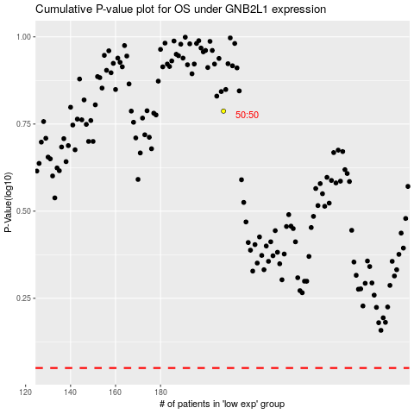

 |  |  |  |  |  | cases_OS | p_OS | rank | exp
 |  |  |  |  |  |  | cases_RFS | p_RFS | rank | exp

