GNE _multivariate
Reported by Tex Li-Hsing Chi. tex@gate.sinica.edu.tw 2019-08-19

Table 2. The clinicopathological features of HNSCC cohort and GNE expression. (Chi square test)
Cutoff at -0.097 (66.7%)
 |  | GNE expression |  | GNE expression |  | (Optimised)
 | Features | Low | (%) | High | (%) | Case no | P-value | Remark | Matthews
Gender | Female | 201 | 48.4 | 105 | 25.3 | 415 | 0.635 | 0 | 0
2 | Male | 75 | 18.1 | 34 | 8.2
Age at diagnosis | <=65y | 182 | 43.9 | 92 | 22.2 | 415 | 1 | 0 | 0
4 | >65y | 94 | 22.7 | 47 | 11.3
Clinical T Status | T1+T2 | 91 | 21.9 | 58 | 14 | 415 | 0.0997 | 0 | 0
6 | T3+T4 | 185 | 44.6 | 81 | 19.5
Clinical N Status | N0 | 142 | 34.2 | 74 | 17.8 | 415 | 0.8103 | 0 | 0
8 | N1-3 | 134 | 32.3 | 65 | 15.7
Clinical M Status | M0 | 274 | 66 | 138 | 33.3 | 415 | 1 | 0 | 0
10 | M1 | 2 | 0.5 | 1 | 0.2
Clinical Stage | Stage I+II | 63 | 15.2 | 39 | 9.4 | 415 | 0.2949 | 0 | 0
12 | Stage III+IV | 213 | 51.3 | 100 | 24.1
Surgical Margin status | Negative | 211 | 50.8 | 107 | 25.8 | 415 | 1 | 0 | 0
14 | Positive | 65 | 15.7 | 32 | 7.7
Tobacco Exposure | Low | 105 | 25.3 | 56 | 13.5 | 415 | 0.6706 | 0 | 0
16 | High | 171 | 41.2 | 83 | 20

Table 3. Univariate/Multivariate Cox's proportional hazards regression analyses on OS time of GNE gene expression in HNSCC

 |  | Univariate |  |  |  | Multivariate
 | Features | HR | CI95%(L) | CI95%(H) | P-value | HR | CI95%(L) | CI95%(H) | P-value
1 | Female | 1 |  |  |  | 1
Gender | Male | 1.157 | 0.843 | 1.587 | 0.367 | 1.174 | 0.84 | 1.642 | 0.349
11 | <=65y | 1 |  |  |  | 1
Age at diagnosis | >65y | 1.329 | 0.99 | 1.784 | 0.058 | 1.425 | 1.048 | 1.938 | 0.024
12 | T1+T2 | 1 |  |  |  | 1
Clinical T Status | T3+T4 | 1.409 | 1.028 | 1.931 | 0.033 | 2.182 | 1.155 | 4.125 | 0.016
13 | N0 | 1 |  |  |  | 1
Clinical N Status | N1-3 | 1.185 | 0.89 | 1.577 | 0.246 | 1.234 | 0.865 | 1.762 | 0.246
14 | M0 | 1 |  |  |  | 1
Clinical M Status | M1 | 4.097 | 1.009 | 16.644 | 0.049 | 9.65 | 2.103 | 44.276 | 0.004
15 | Stage I+II | 1 |  |  |  | 1
Clinical Stage | Stage III+IV | 1.245 | 0.882 | 1.759 | 0.213 | 0.496 | 0.231 | 1.065 | 0.072
16 | Negative | 1 |  |  |  | 1
Surgical Margin status | Positive | 1.591 | 1.155 | 2.191 | 0.004 | 1.679 | 1.214 | 2.32 | 0.002
17 | Low | 1 |  |  |  | 1
Tobacco Exposure | High | 1.364 | 1.008 | 1.844 | 0.044 | 1.46 | 1.059 | 2.014 | 0.021
18 | Low | 1 |  |  |  | 1
RNAseq(z-score) | High | 0.722 | 0.526 | 0.99 | 0.043 | 0.72 | 0.523 | 0.991 | 0.044

Table 4. Univariate/Multivariate Cox's proportional hazards regression analyses on RFS time of GNE gene expression in HNSCC

 |  | Univariate |  |  |  | Multivariate
 | Features | HR | CI95%(L) | CI95%(H) | P-value | HR | CI95%(L) | CI95%(H) | P-value
1 | Female | 1 |  |  |  | 1
Gender | Male | 1.157 | 0.843 | 1.587 | 0.367 | 1.174 | 0.84 | 1.642 | 0.349
11 | <=65y | 1 |  |  |  | 1
Age at diagnosis | >65y | 1.329 | 0.99 | 1.784 | 0.058 | 1.425 | 1.048 | 1.938 | 0.024
12 | T1+T2 | 1 |  |  |  | 1
Clinical T Status | T3+T4 | 1.409 | 1.028 | 1.931 | 0.033 | 2.182 | 1.155 | 4.125 | 0.016
13 | N0 | 1 |  |  |  | 1
Clinical N Status | N1-3 | 1.185 | 0.89 | 1.577 | 0.246 | 1.234 | 0.865 | 1.762 | 0.246
14 | M0 | 1 |  |  |  | 1
Clinical M Status | M1 | 4.097 | 1.009 | 16.644 | 0.049 | 9.65 | 2.103 | 44.276 | 0.004
15 | Stage I+II | 1 |  |  |  | 1
Clinical Stage | Stage III+IV | 1.245 | 0.882 | 1.759 | 0.213 | 0.496 | 0.231 | 1.065 | 0.072
16 | Negative | 1 |  |  |  | 1
Surgical Margin status | Positive | 1.591 | 1.155 | 2.191 | 0.004 | 1.679 | 1.214 | 2.32 | 0.002
17 | Low | 1 |  |  |  | 1
Tobacco Exposure | High | 1.364 | 1.008 | 1.844 | 0.044 | 1.46 | 1.059 | 2.014 | 0.021
18 | Low | 1 |  |  |  | 1
RNAseq(z-score) | High | 0.722 | 0.526 | 0.99 | 0.043 | 0.72 | 0.523 | 0.991 | 0.044

Kaplan-Meier survival estimate: Cutoff at -0.097 (66.7%)



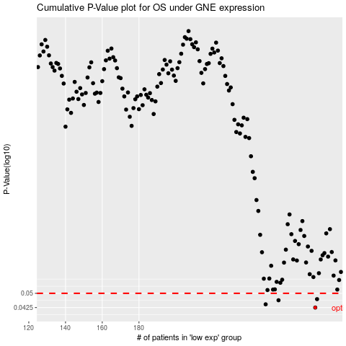

 |  |  |  |  |  | cases_OS | p_OS | rank | exp
 |  |  |  |  |  | 276 | 0.0425 | 352 | -0.09730314398
 |  |  |  |  |  | 249 | 0.0441 | 93 | -0.16566485244
 |  |  |  |  |  | 256 | 0.0462 | 126 | -0.1491291379
 |  |  |  |  |  | 277 | 0.0468 | 120 | -0.095946539797
 |  |  |  |  |  |  | cases_RFS | p_RFS | rank | exp
 |  |  |  |  |  |  | 275 | 0.0425 | 198 | -0.099068437373
 |  |  |  |  |  |  | 248 | 0.0441 | 355 | -0.16854966961
 |  |  |  |  |  |  | 255 | 0.0462 | 265 | -0.15031426883
 |  |  |  |  |  |  | 276 | 0.0468 | 352 | -0.09730314398

