GNG11 _multivariate
Reported by Tex Li-Hsing Chi. tex@gate.sinica.edu.tw 2019-08-19

Table 2. The clinicopathological features of HNSCC cohort and GNG11 expression. (Chi square test)
Cutoff at -0.284 (50.0%)
 |  | GNG11 expression |  | GNG11 expression |  | (Optimised)
 | Features | Low | (%) | High | (%) | Case no | P-value | Remark | Matthews
Gender | Female | 154 | 37.1 | 152 | 36.6 | 415 | 0.8463 | 0 | 0
2 | Male | 53 | 12.8 | 56 | 13.5
Age at diagnosis | <=65y | 131 | 31.6 | 143 | 34.5 | 415 | 0.2839 | 0 | 0
4 | >65y | 76 | 18.3 | 65 | 15.7
Clinical T Status | T1+T2 | 75 | 18.1 | 74 | 17.8 | 415 | 0.9707 | 0 | 0
6 | T3+T4 | 132 | 31.8 | 134 | 32.3
Clinical N Status | N0 | 110 | 26.5 | 106 | 25.5 | 415 | 0.7294 | 0 | 0
8 | N1-3 | 97 | 23.4 | 102 | 24.6
Clinical M Status | M0 | 205 | 49.4 | 207 | 49.9 | 415 | 0.6232 | 0 | 0
10 | M1 | 2 | 0.5 | 1 | 0.2
Clinical Stage | Stage I+II | 46 | 11.1 | 56 | 13.5 | 415 | 0.3182 | 0 | 0
12 | Stage III+IV | 161 | 38.8 | 152 | 36.6
Surgical Margin status | Negative | 157 | 37.8 | 161 | 38.8 | 415 | 0.729 | 0 | 0
14 | Positive | 50 | 12 | 47 | 11.3
Tobacco Exposure | Low | 79 | 19 | 82 | 19.8 | 415 | 0.8405 | 0 | 0
16 | High | 128 | 30.8 | 126 | 30.4

Table 3. Univariate/Multivariate Cox's proportional hazards regression analyses on OS time of GNG11 gene expression in HNSCC

 |  | Univariate |  |  |  | Multivariate
 | Features | HR | CI95%(L) | CI95%(H) | P-value | HR | CI95%(L) | CI95%(H) | P-value
1 | Female | 1 |  |  |  | 1
Gender | Male | 1.157 | 0.843 | 1.587 | 0.367 | 1.207 | 0.863 | 1.687 | 0.271
11 | <=65y | 1 |  |  |  | 1
Age at diagnosis | >65y | 1.329 | 0.99 | 1.784 | 0.058 | 1.381 | 1.015 | 1.879 | 0.04
12 | T1+T2 | 1 |  |  |  | 1
Clinical T Status | T3+T4 | 1.409 | 1.028 | 1.931 | 0.033 | 2.236 | 1.18 | 4.237 | 0.014
13 | N0 | 1 |  |  |  | 1
Clinical N Status | N1-3 | 1.185 | 0.89 | 1.577 | 0.246 | 1.252 | 0.876 | 1.788 | 0.217
14 | M0 | 1 |  |  |  | 1
Clinical M Status | M1 | 4.097 | 1.009 | 16.644 | 0.049 | 9.466 | 2.064 | 43.403 | 0.004
15 | Stage I+II | 1 |  |  |  | 1
Clinical Stage | Stage III+IV | 1.245 | 0.882 | 1.759 | 0.213 | 0.491 | 0.227 | 1.059 | 0.07
16 | Negative | 1 |  |  |  | 1
Surgical Margin status | Positive | 1.591 | 1.155 | 2.191 | 0.004 | 1.67 | 1.208 | 2.308 | 0.002
17 | Low | 1 |  |  |  | 1
Tobacco Exposure | High | 1.364 | 1.008 | 1.844 | 0.044 | 1.452 | 1.053 | 2.001 | 0.023
18 | Low | 1 |  |  |  | 1
RNAseq(z-score) | High | 0.914 | 0.686 | 1.218 | 0.539 | 0.921 | 0.688 | 1.234 | 0.583

Table 4. Univariate/Multivariate Cox's proportional hazards regression analyses on RFS time of GNG11 gene expression in HNSCC

 |  | Univariate |  |  |  | Multivariate
 | Features | HR | CI95%(L) | CI95%(H) | P-value | HR | CI95%(L) | CI95%(H) | P-value
1 | Female | 1 |  |  |  | 1
Gender | Male | 1.157 | 0.843 | 1.587 | 0.367 | 1.207 | 0.863 | 1.687 | 0.271
11 | <=65y | 1 |  |  |  | 1
Age at diagnosis | >65y | 1.329 | 0.99 | 1.784 | 0.058 | 1.381 | 1.015 | 1.879 | 0.04
12 | T1+T2 | 1 |  |  |  | 1
Clinical T Status | T3+T4 | 1.409 | 1.028 | 1.931 | 0.033 | 2.236 | 1.18 | 4.237 | 0.014
13 | N0 | 1 |  |  |  | 1
Clinical N Status | N1-3 | 1.185 | 0.89 | 1.577 | 0.246 | 1.252 | 0.876 | 1.788 | 0.217
14 | M0 | 1 |  |  |  | 1
Clinical M Status | M1 | 4.097 | 1.009 | 16.644 | 0.049 | 9.466 | 2.064 | 43.403 | 0.004
15 | Stage I+II | 1 |  |  |  | 1
Clinical Stage | Stage III+IV | 1.245 | 0.882 | 1.759 | 0.213 | 0.491 | 0.227 | 1.059 | 0.07
16 | Negative | 1 |  |  |  | 1
Surgical Margin status | Positive | 1.591 | 1.155 | 2.191 | 0.004 | 1.67 | 1.208 | 2.308 | 0.002
17 | Low | 1 |  |  |  | 1
Tobacco Exposure | High | 1.364 | 1.008 | 1.844 | 0.044 | 1.452 | 1.053 | 2.001 | 0.023
18 | Low | 1 |  |  |  | 1
RNAseq(z-score) | High | 0.914 | 0.686 | 1.218 | 0.539 | 0.921 | 0.688 | 1.234 | 0.583

Kaplan-Meier survival estimate: Cutoff at -0.284 (50.0%)



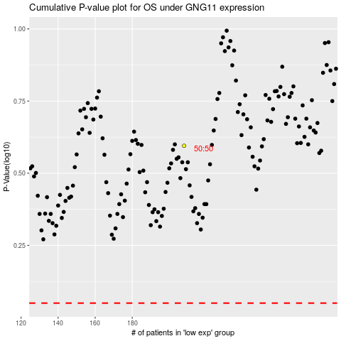

 |  |  |  |  |  | cases_OS | p_OS | rank | exp
 |  |  |  |  |  |  | cases_RFS | p_RFS | rank | exp

