GNG12 _multivariate
Reported by Tex Li-Hsing Chi. tex@gate.sinica.edu.tw 2019-08-19

Table 2. The clinicopathological features of HNSCC cohort and GNG12 expression. (Chi square test)
Cutoff at -0.088 (50.0%)
 |  | GNG12 expression |  | GNG12 expression |  | (Optimised)
 | Features | Low | (%) | High | (%) | Case no | P-value | Remark | Matthews
Gender | Female | 155 | 37.3 | 151 | 36.4 | 415 | 0.6768 | 0 | 0
2 | Male | 52 | 12.5 | 57 | 13.7
Age at diagnosis | <=65y | 135 | 32.5 | 139 | 33.5 | 415 | 0.8084 | 0 | 0
4 | >65y | 72 | 17.3 | 69 | 16.6
Clinical T Status | T1+T2 | 73 | 17.6 | 76 | 18.3 | 415 | 0.8666 | 0 | 0
6 | T3+T4 | 134 | 32.3 | 132 | 31.8
Clinical N Status | N0 | 114 | 27.5 | 102 | 24.6 | 415 | 0.2576 | 1 | 0
8 | N1-3 | 93 | 22.4 | 106 | 25.5
Clinical M Status | M0 | 204 | 49.2 | 208 | 50.1 | 415 | 0.1232 | 0 | 0
10 | M1 | 3 | 0.7 | 0 | 0
Clinical Stage | Stage I+II | 48 | 11.6 | 54 | 13 | 415 | 0.5878 | 0 | 0
12 | Stage III+IV | 159 | 38.3 | 154 | 37.1
Surgical Margin status | Negative | 154 | 37.1 | 164 | 39.5 | 415 | 0.2984 | 0 | 0
14 | Positive | 53 | 12.8 | 44 | 10.6
Tobacco Exposure | Low | 70 | 16.9 | 91 | 21.9 | 415 | 0.0439 | 1 | 0
16 | High | 137 | 33 | 117 | 28.2

Table 3. Univariate/Multivariate Cox's proportional hazards regression analyses on OS time of GNG12 gene expression in HNSCC

 |  | Univariate |  |  |  | Multivariate
 | Features | HR | CI95%(L) | CI95%(H) | P-value | HR | CI95%(L) | CI95%(H) | P-value
1 | Female | 1 |  |  |  | 1
Gender | Male | 1.157 | 0.843 | 1.587 | 0.367 | 1.2 | 0.859 | 1.678 | 0.285
11 | <=65y | 1 |  |  |  | 1
Age at diagnosis | >65y | 1.329 | 0.99 | 1.784 | 0.058 | 1.388 | 1.02 | 1.888 | 0.037
12 | T1+T2 | 1 |  |  |  | 1
Clinical T Status | T3+T4 | 1.409 | 1.028 | 1.931 | 0.033 | 2.205 | 1.166 | 4.17 | 0.015
13 | N0 | 1 |  |  |  | 1
Clinical N Status | N1-3 | 1.185 | 0.89 | 1.577 | 0.246 | 1.245 | 0.872 | 1.779 | 0.228
14 | M0 | 1 |  |  |  | 1
Clinical M Status | M1 | 4.097 | 1.009 | 16.644 | 0.049 | 9.233 | 1.998 | 42.661 | 0.004
15 | Stage I+II | 1 |  |  |  | 1
Clinical Stage | Stage III+IV | 1.245 | 0.882 | 1.759 | 0.213 | 0.502 | 0.234 | 1.079 | 0.078
16 | Negative | 1 |  |  |  | 1
Surgical Margin status | Positive | 1.591 | 1.155 | 2.191 | 0.004 | 1.666 | 1.204 | 2.305 | 0.002
17 | Low | 1 |  |  |  | 1
Tobacco Exposure | High | 1.364 | 1.008 | 1.844 | 0.044 | 1.447 | 1.048 | 1.998 | 0.025
18 | Low | 1 |  |  |  | 1
RNAseq(z-score) | High | 0.877 | 0.659 | 1.168 | 0.37 | 0.966 | 0.721 | 1.295 | 0.816

Table 4. Univariate/Multivariate Cox's proportional hazards regression analyses on RFS time of GNG12 gene expression in HNSCC

 |  | Univariate |  |  |  | Multivariate
 | Features | HR | CI95%(L) | CI95%(H) | P-value | HR | CI95%(L) | CI95%(H) | P-value
1 | Female | 1 |  |  |  | 1
Gender | Male | 1.157 | 0.843 | 1.587 | 0.367 | 1.2 | 0.859 | 1.678 | 0.285
11 | <=65y | 1 |  |  |  | 1
Age at diagnosis | >65y | 1.329 | 0.99 | 1.784 | 0.058 | 1.388 | 1.02 | 1.888 | 0.037
12 | T1+T2 | 1 |  |  |  | 1
Clinical T Status | T3+T4 | 1.409 | 1.028 | 1.931 | 0.033 | 2.205 | 1.166 | 4.17 | 0.015
13 | N0 | 1 |  |  |  | 1
Clinical N Status | N1-3 | 1.185 | 0.89 | 1.577 | 0.246 | 1.245 | 0.872 | 1.779 | 0.228
14 | M0 | 1 |  |  |  | 1
Clinical M Status | M1 | 4.097 | 1.009 | 16.644 | 0.049 | 9.233 | 1.998 | 42.661 | 0.004
15 | Stage I+II | 1 |  |  |  | 1
Clinical Stage | Stage III+IV | 1.245 | 0.882 | 1.759 | 0.213 | 0.502 | 0.234 | 1.079 | 0.078
16 | Negative | 1 |  |  |  | 1
Surgical Margin status | Positive | 1.591 | 1.155 | 2.191 | 0.004 | 1.666 | 1.204 | 2.305 | 0.002
17 | Low | 1 |  |  |  | 1
Tobacco Exposure | High | 1.364 | 1.008 | 1.844 | 0.044 | 1.447 | 1.048 | 1.998 | 0.025
18 | Low | 1 |  |  |  | 1
RNAseq(z-score) | High | 0.877 | 0.659 | 1.168 | 0.37 | 0.966 | 0.721 | 1.295 | 0.816

Kaplan-Meier survival estimate: Cutoff at -0.088 (50.0%)



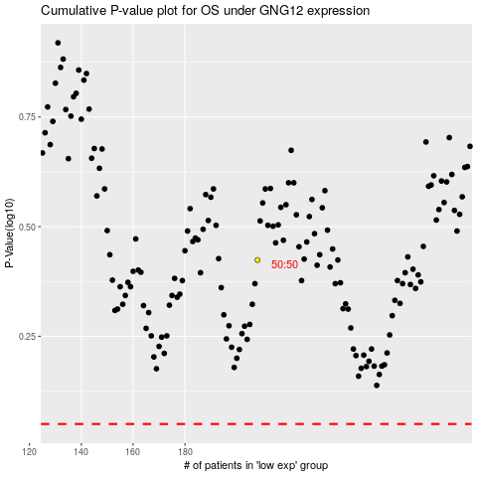

 |  |  |  |  |  | cases_OS | p_OS | rank | exp
 |  |  |  |  |  |  | cases_RFS | p_RFS | rank | exp

